XRN1 _multivariate
Reported by Tex Li-Hsing Chi. tex@gate.sinica.edu.tw 2019-08-14

Table 2. The clinicopathological features of HNSCC cohort and XRN1 expression. (Chi square test)
Cutoff at -0.164 (49.8%)
 |  | XRN1 expression |  | XRN1 expression |  | (Optimised)
 | Features | Low | (%) | High | (%) | Case no | P-value | Remark | Matthews
Gender | Female | 154 | 37.1 | 152 | 36.6 | 415 | 0.8463 | 0 | 0
2 | Male | 53 | 12.8 | 56 | 13.5
Age at diagnosis | <=65y | 139 | 33.5 | 135 | 32.5 | 415 | 0.7044 | 0 | 0
4 | >65y | 68 | 16.4 | 73 | 17.6
Clinical T Status | T1+T2 | 66 | 15.9 | 83 | 20 | 415 | 0.1095 | 0 | 0
6 | T3+T4 | 141 | 34 | 125 | 30.1
Clinical N Status | N0 | 111 | 26.7 | 105 | 25.3 | 415 | 0.5875 | 0 | 0
8 | N1-3 | 96 | 23.1 | 103 | 24.8
Clinical M Status | M0 | 205 | 49.4 | 207 | 49.9 | 415 | 0.6232 | 0 | 0
10 | M1 | 2 | 0.5 | 1 | 0.2
Clinical Stage | Stage I+II | 45 | 10.8 | 57 | 13.7 | 415 | 0.2202 | 0 | 0
12 | Stage III+IV | 162 | 39 | 151 | 36.4
Surgical Margin status | Negative | 158 | 38.1 | 160 | 38.6 | 415 | 0.9081 | 0 | 0
14 | Positive | 49 | 11.8 | 48 | 11.6
Tobacco Exposure | Low | 76 | 18.3 | 85 | 20.5 | 415 | 0.4207 | 0 | 0
16 | High | 131 | 31.6 | 123 | 29.6

Table 3. Univariate/Multivariate Cox's proportional hazards regression analyses on OS time of XRN1 gene expression in HNSCC

 |  | Univariate |  |  |  | Multivariate
 | Features | HR | CI95%(L) | CI95%(H) | P-value | HR | CI95%(L) | CI95%(H) | P-value
1 | Female | 1 |  |  |  | 1
Gender | Male | 1.157 | 0.843 | 1.587 | 0.367 | 1.193 | 0.854 | 1.669 | 0.301
11 | <=65y | 1 |  |  |  | 1
Age at diagnosis | >65y | 1.329 | 0.99 | 1.784 | 0.058 | 1.403 | 1.032 | 1.908 | 0.031
12 | T1+T2 | 1 |  |  |  | 1
Clinical T Status | T3+T4 | 1.409 | 1.028 | 1.931 | 0.033 | 2.184 | 1.155 | 4.128 | 0.016
13 | N0 | 1 |  |  |  | 1
Clinical N Status | N1-3 | 1.185 | 0.89 | 1.577 | 0.246 | 1.255 | 0.879 | 1.793 | 0.212
14 | M0 | 1 |  |  |  | 1
Clinical M Status | M1 | 4.097 | 1.009 | 16.644 | 0.049 | 8.987 | 1.952 | 41.378 | 0.005
15 | Stage I+II | 1 |  |  |  | 1
Clinical Stage | Stage III+IV | 1.245 | 0.882 | 1.759 | 0.213 | 0.502 | 0.234 | 1.077 | 0.077
16 | Negative | 1 |  |  |  | 1
Surgical Margin status | Positive | 1.591 | 1.155 | 2.191 | 0.004 | 1.655 | 1.197 | 2.288 | 0.002
17 | Low | 1 |  |  |  | 1
Tobacco Exposure | High | 1.364 | 1.008 | 1.844 | 0.044 | 1.442 | 1.046 | 1.988 | 0.026
18 | Low | 1 |  |  |  | 1
RNAseq(z-score) | High | 0.84 | 0.63 | 1.119 | 0.233 | 0.893 | 0.667 | 1.195 | 0.446

Table 4. Univariate/Multivariate Cox's proportional hazards regression analyses on RFS time of XRN1 gene expression in HNSCC

 |  | Univariate |  |  |  | Multivariate
 | Features | HR | CI95%(L) | CI95%(H) | P-value | HR | CI95%(L) | CI95%(H) | P-value
1 | Female | 1 |  |  |  | 1
Gender | Male | 1.157 | 0.843 | 1.587 | 0.367 | 1.193 | 0.854 | 1.669 | 0.301
11 | <=65y | 1 |  |  |  | 1
Age at diagnosis | >65y | 1.329 | 0.99 | 1.784 | 0.058 | 1.403 | 1.032 | 1.908 | 0.031
12 | T1+T2 | 1 |  |  |  | 1
Clinical T Status | T3+T4 | 1.409 | 1.028 | 1.931 | 0.033 | 2.184 | 1.155 | 4.128 | 0.016
13 | N0 | 1 |  |  |  | 1
Clinical N Status | N1-3 | 1.185 | 0.89 | 1.577 | 0.246 | 1.255 | 0.879 | 1.793 | 0.212
14 | M0 | 1 |  |  |  | 1
Clinical M Status | M1 | 4.097 | 1.009 | 16.644 | 0.049 | 8.987 | 1.952 | 41.378 | 0.005
15 | Stage I+II | 1 |  |  |  | 1
Clinical Stage | Stage III+IV | 1.245 | 0.882 | 1.759 | 0.213 | 0.502 | 0.234 | 1.077 | 0.077
16 | Negative | 1 |  |  |  | 1
Surgical Margin status | Positive | 1.591 | 1.155 | 2.191 | 0.004 | 1.655 | 1.197 | 2.288 | 0.002
17 | Low | 1 |  |  |  | 1
Tobacco Exposure | High | 1.364 | 1.008 | 1.844 | 0.044 | 1.442 | 1.046 | 1.988 | 0.026
18 | Low | 1 |  |  |  | 1
RNAseq(z-score) | High | 0.84 | 0.63 | 1.119 | 0.233 | 0.893 | 0.667 | 1.195 | 0.446

Kaplan-Meier survival estimate: Cutoff at -0.164 (49.8%)



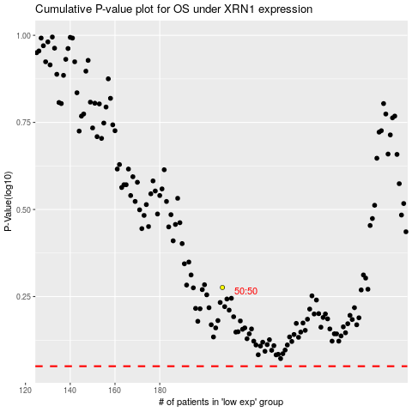

 |  |  |  |  |  | cases_OS | p_OS | rank | exp
 |  |  |  |  |  |  | cases_RFS | p_RFS | rank | exp

