XYLB _multivariate
Reported by Tex Li-Hsing Chi. tex@gate.sinica.edu.tw 2019-08-14

Table 2. The clinicopathological features of HNSCC cohort and XYLB expression. (Chi square test)
Cutoff at -0.015 (62.8%)
 |  | XYLB expression |  | XYLB expression |  | (Optimised)
 | Features | Low | (%) | High | (%) | Case no | P-value | Remark | Matthews
Gender | Female | 186 | 44.8 | 120 | 28.9 | 415 | 0.1696 | 0 | 0
2 | Male | 75 | 18.1 | 34 | 8.2
Age at diagnosis | <=65y | 174 | 41.9 | 100 | 24.1 | 415 | 0.8006 | 0 | 0
4 | >65y | 87 | 21 | 54 | 13
Clinical T Status | T1+T2 | 89 | 21.4 | 60 | 14.5 | 415 | 0.3727 | 0 | 0
6 | T3+T4 | 172 | 41.4 | 94 | 22.7
Clinical N Status | N0 | 136 | 32.8 | 80 | 19.3 | 415 | 1 | 0 | 0
8 | N1-3 | 125 | 30.1 | 74 | 17.8
Clinical M Status | M0 | 259 | 62.4 | 153 | 36.9 | 415 | 1 | 0 | 0
10 | M1 | 2 | 0.5 | 1 | 0.2
Clinical Stage | Stage I+II | 64 | 15.4 | 38 | 9.2 | 415 | 1 | 0 | 0
12 | Stage III+IV | 197 | 47.5 | 116 | 28
Surgical Margin status | Negative | 202 | 48.7 | 116 | 28 | 415 | 0.633 | 0 | 0
14 | Positive | 59 | 14.2 | 38 | 9.2
Tobacco Exposure | Low | 110 | 26.5 | 51 | 12.3 | 415 | 0.0765 | 0 | 0
16 | High | 151 | 36.4 | 103 | 24.8

Table 3. Univariate/Multivariate Cox's proportional hazards regression analyses on OS time of XYLB gene expression in HNSCC

 |  | Univariate |  |  |  | Multivariate
 | Features | HR | CI95%(L) | CI95%(H) | P-value | HR | CI95%(L) | CI95%(H) | P-value
1 | Female | 1 |  |  |  | 1
Gender | Male | 1.157 | 0.843 | 1.587 | 0.367 | 1.179 | 0.844 | 1.648 | 0.335
11 | <=65y | 1 |  |  |  | 1
Age at diagnosis | >65y | 1.329 | 0.99 | 1.784 | 0.058 | 1.427 | 1.048 | 1.944 | 0.024
12 | T1+T2 | 1 |  |  |  | 1
Clinical T Status | T3+T4 | 1.409 | 1.028 | 1.931 | 0.033 | 2.161 | 1.143 | 4.087 | 0.018
13 | N0 | 1 |  |  |  | 1
Clinical N Status | N1-3 | 1.185 | 0.89 | 1.577 | 0.246 | 1.273 | 0.893 | 1.816 | 0.182
14 | M0 | 1 |  |  |  | 1
Clinical M Status | M1 | 4.097 | 1.009 | 16.644 | 0.049 | 8.68 | 1.89 | 39.867 | 0.005
15 | Stage I+II | 1 |  |  |  | 1
Clinical Stage | Stage III+IV | 1.245 | 0.882 | 1.759 | 0.213 | 0.503 | 0.234 | 1.081 | 0.079
16 | Negative | 1 |  |  |  | 1
Surgical Margin status | Positive | 1.591 | 1.155 | 2.191 | 0.004 | 1.696 | 1.227 | 2.343 | 0.001
17 | Low | 1 |  |  |  | 1
Tobacco Exposure | High | 1.364 | 1.008 | 1.844 | 0.044 | 1.501 | 1.087 | 2.073 | 0.014
18 | Low | 1 |  |  |  | 1
RNAseq(z-score) | High | 0.722 | 0.53 | 0.983 | 0.038 | 0.7 | 0.513 | 0.956 | 0.025

Table 4. Univariate/Multivariate Cox's proportional hazards regression analyses on RFS time of XYLB gene expression in HNSCC

 |  | Univariate |  |  |  | Multivariate
 | Features | HR | CI95%(L) | CI95%(H) | P-value | HR | CI95%(L) | CI95%(H) | P-value
1 | Female | 1 |  |  |  | 1
Gender | Male | 1.157 | 0.843 | 1.587 | 0.367 | 1.179 | 0.844 | 1.648 | 0.335
11 | <=65y | 1 |  |  |  | 1
Age at diagnosis | >65y | 1.329 | 0.99 | 1.784 | 0.058 | 1.427 | 1.048 | 1.944 | 0.024
12 | T1+T2 | 1 |  |  |  | 1
Clinical T Status | T3+T4 | 1.409 | 1.028 | 1.931 | 0.033 | 2.161 | 1.143 | 4.087 | 0.018
13 | N0 | 1 |  |  |  | 1
Clinical N Status | N1-3 | 1.185 | 0.89 | 1.577 | 0.246 | 1.273 | 0.893 | 1.816 | 0.182
14 | M0 | 1 |  |  |  | 1
Clinical M Status | M1 | 4.097 | 1.009 | 16.644 | 0.049 | 8.68 | 1.89 | 39.867 | 0.005
15 | Stage I+II | 1 |  |  |  | 1
Clinical Stage | Stage III+IV | 1.245 | 0.882 | 1.759 | 0.213 | 0.503 | 0.234 | 1.081 | 0.079
16 | Negative | 1 |  |  |  | 1
Surgical Margin status | Positive | 1.591 | 1.155 | 2.191 | 0.004 | 1.696 | 1.227 | 2.343 | 0.001
17 | Low | 1 |  |  |  | 1
Tobacco Exposure | High | 1.364 | 1.008 | 1.844 | 0.044 | 1.501 | 1.087 | 2.073 | 0.014
18 | Low | 1 |  |  |  | 1
RNAseq(z-score) | High | 0.722 | 0.53 | 0.983 | 0.038 | 0.7 | 0.513 | 0.956 | 0.025

Kaplan-Meier survival estimate: Cutoff at -0.015 (62.8%)



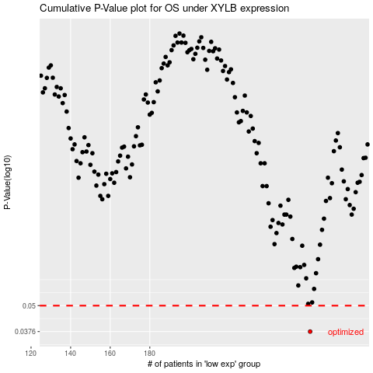

 |  |  |  |  |  | cases_OS | p_OS | rank | exp
 |  |  |  |  |  | 261 | 0.0376 | 110 | -0.015055298628
 |  |  |  |  |  |  | cases_RFS | p_RFS | rank | exp
 |  |  |  |  |  |  | 260 | 0.0376 | 38 | -0.021220666509

