YAP1 _multivariate
Reported by Tex Li-Hsing Chi. tex@gate.sinica.edu.tw 2019-08-14

Table 2. The clinicopathological features of HNSCC cohort and YAP1 expression. (Chi square test)
Cutoff at -0.173 (50.0%)
 |  | YAP1 expression |  | YAP1 expression |  | (Optimised)
 | Features | Low | (%) | High | (%) | Case no | P-value | Remark | Matthews
Gender | Female | 159 | 38.3 | 147 | 35.4 | 415 | 0.1905 | 0 | 0
2 | Male | 48 | 11.6 | 61 | 14.7
Age at diagnosis | <=65y | 136 | 32.8 | 138 | 33.3 | 415 | 0.9719 | 0 | 0
4 | >65y | 71 | 17.1 | 70 | 16.9
Clinical T Status | T1+T2 | 84 | 20.2 | 65 | 15.7 | 415 | 0.0603 | 0 | 0
6 | T3+T4 | 123 | 29.6 | 143 | 34.5
Clinical N Status | N0 | 104 | 25.1 | 112 | 27 | 415 | 0.5243 | 0 | 0
8 | N1-3 | 103 | 24.8 | 96 | 23.1
Clinical M Status | M0 | 204 | 49.2 | 208 | 50.1 | 415 | 0.1232 | 0 | 0
10 | M1 | 3 | 0.7 | 0 | 0
Clinical Stage | Stage I+II | 55 | 13.3 | 47 | 11.3 | 415 | 0.4087 | 0 | 0
12 | Stage III+IV | 152 | 36.6 | 161 | 38.8
Surgical Margin status | Negative | 157 | 37.8 | 161 | 38.8 | 415 | 0.729 | 0 | 0
14 | Positive | 50 | 12 | 47 | 11.3
Tobacco Exposure | Low | 75 | 18.1 | 86 | 20.7 | 415 | 0.3141 | 0 | 0
16 | High | 132 | 31.8 | 122 | 29.4

Table 3. Univariate/Multivariate Cox's proportional hazards regression analyses on OS time of YAP1 gene expression in HNSCC

 |  | Univariate |  |  |  | Multivariate
 | Features | HR | CI95%(L) | CI95%(H) | P-value | HR | CI95%(L) | CI95%(H) | P-value
1 | Female | 1 |  |  |  | 1
Gender | Male | 1.157 | 0.843 | 1.587 | 0.367 | 1.198 | 0.858 | 1.674 | 0.289
11 | <=65y | 1 |  |  |  | 1
Age at diagnosis | >65y | 1.329 | 0.99 | 1.784 | 0.058 | 1.396 | 1.027 | 1.898 | 0.033
12 | T1+T2 | 1 |  |  |  | 1
Clinical T Status | T3+T4 | 1.409 | 1.028 | 1.931 | 0.033 | 2.205 | 1.166 | 4.169 | 0.015
13 | N0 | 1 |  |  |  | 1
Clinical N Status | N1-3 | 1.185 | 0.89 | 1.577 | 0.246 | 1.25 | 0.875 | 1.788 | 0.22
14 | M0 | 1 |  |  |  | 1
Clinical M Status | M1 | 4.097 | 1.009 | 16.644 | 0.049 | 9.69 | 2.098 | 44.758 | 0.004
15 | Stage I+II | 1 |  |  |  | 1
Clinical Stage | Stage III+IV | 1.245 | 0.882 | 1.759 | 0.213 | 0.5 | 0.232 | 1.074 | 0.076
16 | Negative | 1 |  |  |  | 1
Surgical Margin status | Positive | 1.591 | 1.155 | 2.191 | 0.004 | 1.678 | 1.214 | 2.321 | 0.002
17 | Low | 1 |  |  |  | 1
Tobacco Exposure | High | 1.364 | 1.008 | 1.844 | 0.044 | 1.46 | 1.059 | 2.014 | 0.021
18 | Low | 1 |  |  |  | 1
RNAseq(z-score) | High | 0.987 | 0.74 | 1.317 | 0.93 | 1.06 | 0.79 | 1.424 | 0.697

Table 4. Univariate/Multivariate Cox's proportional hazards regression analyses on RFS time of YAP1 gene expression in HNSCC

 |  | Univariate |  |  |  | Multivariate
 | Features | HR | CI95%(L) | CI95%(H) | P-value | HR | CI95%(L) | CI95%(H) | P-value
1 | Female | 1 |  |  |  | 1
Gender | Male | 1.157 | 0.843 | 1.587 | 0.367 | 1.198 | 0.858 | 1.674 | 0.289
11 | <=65y | 1 |  |  |  | 1
Age at diagnosis | >65y | 1.329 | 0.99 | 1.784 | 0.058 | 1.396 | 1.027 | 1.898 | 0.033
12 | T1+T2 | 1 |  |  |  | 1
Clinical T Status | T3+T4 | 1.409 | 1.028 | 1.931 | 0.033 | 2.205 | 1.166 | 4.169 | 0.015
13 | N0 | 1 |  |  |  | 1
Clinical N Status | N1-3 | 1.185 | 0.89 | 1.577 | 0.246 | 1.25 | 0.875 | 1.788 | 0.22
14 | M0 | 1 |  |  |  | 1
Clinical M Status | M1 | 4.097 | 1.009 | 16.644 | 0.049 | 9.69 | 2.098 | 44.758 | 0.004
15 | Stage I+II | 1 |  |  |  | 1
Clinical Stage | Stage III+IV | 1.245 | 0.882 | 1.759 | 0.213 | 0.5 | 0.232 | 1.074 | 0.076
16 | Negative | 1 |  |  |  | 1
Surgical Margin status | Positive | 1.591 | 1.155 | 2.191 | 0.004 | 1.678 | 1.214 | 2.321 | 0.002
17 | Low | 1 |  |  |  | 1
Tobacco Exposure | High | 1.364 | 1.008 | 1.844 | 0.044 | 1.46 | 1.059 | 2.014 | 0.021
18 | Low | 1 |  |  |  | 1
RNAseq(z-score) | High | 0.987 | 0.74 | 1.317 | 0.93 | 1.06 | 0.79 | 1.424 | 0.697

Kaplan-Meier survival estimate: Cutoff at -0.173 (50.0%)



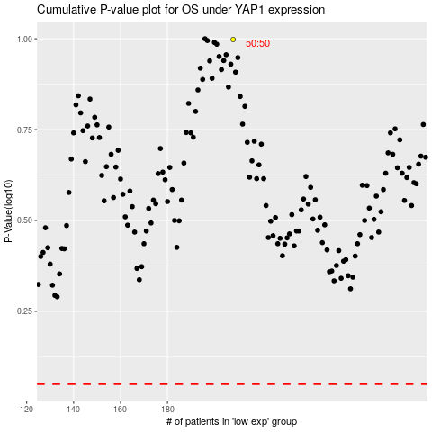

 |  |  |  |  |  | cases_OS | p_OS | rank | exp
 |  |  |  |  |  |  | cases_RFS | p_RFS | rank | exp

