YBX2 _multivariate
Reported by Tex Li-Hsing Chi. tex@gate.sinica.edu.tw 2019-08-14

Table 2. The clinicopathological features of HNSCC cohort and YBX2 expression. (Chi square test)
Cutoff at -0.391 (49.8%)
 |  | YBX2 expression |  | YBX2 expression |  | (Optimised)
 | Features | Low | (%) | High | (%) | Case no | P-value | Remark | Matthews
Gender | Female | 137 | 33 | 169 | 40.7 | 415 | 7e-04 | 1 | 0
2 | Male | 70 | 16.9 | 39 | 9.4
Age at diagnosis | <=65y | 123 | 29.6 | 151 | 36.4 | 415 | 0.0063 | 1 | 0
4 | >65y | 84 | 20.2 | 57 | 13.7
Clinical T Status | T1+T2 | 80 | 19.3 | 69 | 16.6 | 415 | 0.2891 | 0 | 0
6 | T3+T4 | 127 | 30.6 | 139 | 33.5
Clinical N Status | N0 | 114 | 27.5 | 102 | 24.6 | 415 | 0.2576 | 1 | 0
8 | N1-3 | 93 | 22.4 | 106 | 25.5
Clinical M Status | M0 | 206 | 49.6 | 206 | 49.6 | 415 | 1 | 0 | 0
10 | M1 | 1 | 0.2 | 2 | 0.5
Clinical Stage | Stage I+II | 65 | 15.7 | 37 | 8.9 | 415 | 0.0019 | 1 | 0
12 | Stage III+IV | 142 | 34.2 | 171 | 41.2
Surgical Margin status | Negative | 165 | 39.8 | 153 | 36.9 | 415 | 0.1639 | 0 | 0
14 | Positive | 42 | 10.1 | 55 | 13.3
Tobacco Exposure | Low | 101 | 24.3 | 60 | 14.5 | 415 | 0 | 1 | 0
16 | High | 106 | 25.5 | 148 | 35.7

Table 3. Univariate/Multivariate Cox's proportional hazards regression analyses on OS time of YBX2 gene expression in HNSCC

 |  | Univariate |  |  |  | Multivariate
 | Features | HR | CI95%(L) | CI95%(H) | P-value | HR | CI95%(L) | CI95%(H) | P-value
1 | Female | 1 |  |  |  | 1
Gender | Male | 1.157 | 0.843 | 1.587 | 0.367 | 1.2 | 0.856 | 1.683 | 0.289
11 | <=65y | 1 |  |  |  | 1
Age at diagnosis | >65y | 1.329 | 0.99 | 1.784 | 0.058 | 1.391 | 1.022 | 1.893 | 0.036
12 | T1+T2 | 1 |  |  |  | 1
Clinical T Status | T3+T4 | 1.409 | 1.028 | 1.931 | 0.033 | 2.2 | 1.16 | 4.171 | 0.016
13 | N0 | 1 |  |  |  | 1
Clinical N Status | N1-3 | 1.185 | 0.89 | 1.577 | 0.246 | 1.24 | 0.869 | 1.771 | 0.236
14 | M0 | 1 |  |  |  | 1
Clinical M Status | M1 | 4.097 | 1.009 | 16.644 | 0.049 | 9.409 | 2.053 | 43.134 | 0.004
15 | Stage I+II | 1 |  |  |  | 1
Clinical Stage | Stage III+IV | 1.245 | 0.882 | 1.759 | 0.213 | 0.506 | 0.233 | 1.099 | 0.085
16 | Negative | 1 |  |  |  | 1
Surgical Margin status | Positive | 1.591 | 1.155 | 2.191 | 0.004 | 1.673 | 1.209 | 2.314 | 0.002
17 | Low | 1 |  |  |  | 1
Tobacco Exposure | High | 1.364 | 1.008 | 1.844 | 0.044 | 1.455 | 1.051 | 2.014 | 0.024
18 | Low | 1 |  |  |  | 1
RNAseq(z-score) | High | 1.036 | 0.775 | 1.384 | 0.812 | 0.994 | 0.726 | 1.36 | 0.968

Table 4. Univariate/Multivariate Cox's proportional hazards regression analyses on RFS time of YBX2 gene expression in HNSCC

 |  | Univariate |  |  |  | Multivariate
 | Features | HR | CI95%(L) | CI95%(H) | P-value | HR | CI95%(L) | CI95%(H) | P-value
1 | Female | 1 |  |  |  | 1
Gender | Male | 1.157 | 0.843 | 1.587 | 0.367 | 1.2 | 0.856 | 1.683 | 0.289
11 | <=65y | 1 |  |  |  | 1
Age at diagnosis | >65y | 1.329 | 0.99 | 1.784 | 0.058 | 1.391 | 1.022 | 1.893 | 0.036
12 | T1+T2 | 1 |  |  |  | 1
Clinical T Status | T3+T4 | 1.409 | 1.028 | 1.931 | 0.033 | 2.2 | 1.16 | 4.171 | 0.016
13 | N0 | 1 |  |  |  | 1
Clinical N Status | N1-3 | 1.185 | 0.89 | 1.577 | 0.246 | 1.24 | 0.869 | 1.771 | 0.236
14 | M0 | 1 |  |  |  | 1
Clinical M Status | M1 | 4.097 | 1.009 | 16.644 | 0.049 | 9.409 | 2.053 | 43.134 | 0.004
15 | Stage I+II | 1 |  |  |  | 1
Clinical Stage | Stage III+IV | 1.245 | 0.882 | 1.759 | 0.213 | 0.506 | 0.233 | 1.099 | 0.085
16 | Negative | 1 |  |  |  | 1
Surgical Margin status | Positive | 1.591 | 1.155 | 2.191 | 0.004 | 1.673 | 1.209 | 2.314 | 0.002
17 | Low | 1 |  |  |  | 1
Tobacco Exposure | High | 1.364 | 1.008 | 1.844 | 0.044 | 1.455 | 1.051 | 2.014 | 0.024
18 | Low | 1 |  |  |  | 1
RNAseq(z-score) | High | 1.036 | 0.775 | 1.384 | 0.812 | 0.994 | 0.726 | 1.36 | 0.968

Kaplan-Meier survival estimate: Cutoff at -0.391 (49.8%)



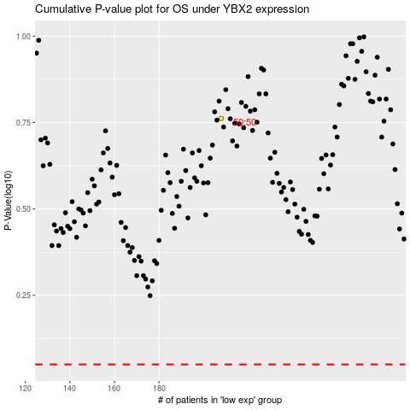

 |  |  |  |  |  | cases_OS | p_OS | rank | exp
 |  |  |  |  |  |  | cases_RFS | p_RFS | rank | exp

