YDJC _multivariate
Reported by Tex Li-Hsing Chi. tex@gate.sinica.edu.tw 2019-08-14

Table 2. The clinicopathological features of HNSCC cohort and YDJC expression. (Chi square test)
Cutoff at -0.157 (49.8%)
 |  | YDJC expression |  | YDJC expression |  | (Optimised)
 | Features | Low | (%) | High | (%) | Case no | P-value | Remark | Matthews
Gender | Female | 144 | 34.7 | 162 | 39 | 415 | 0.0697 | 0 | 0
2 | Male | 63 | 15.2 | 46 | 11.1
Age at diagnosis | <=65y | 136 | 32.8 | 138 | 33.3 | 415 | 0.9719 | 0 | 0
4 | >65y | 71 | 17.1 | 70 | 16.9
Clinical T Status | T1+T2 | 85 | 20.5 | 64 | 15.4 | 415 | 0.0372 | 1 | 0
6 | T3+T4 | 122 | 29.4 | 144 | 34.7
Clinical N Status | N0 | 103 | 24.8 | 113 | 27.2 | 415 | 0.4047 | 0 | 0
8 | N1-3 | 104 | 25.1 | 95 | 22.9
Clinical M Status | M0 | 206 | 49.6 | 206 | 49.6 | 415 | 1 | 0 | 0
10 | M1 | 1 | 0.2 | 2 | 0.5
Clinical Stage | Stage I+II | 58 | 14 | 44 | 10.6 | 415 | 0.131 | 0 | 0
12 | Stage III+IV | 149 | 35.9 | 164 | 39.5
Surgical Margin status | Negative | 159 | 38.3 | 159 | 38.3 | 415 | 1 | 0 | 0
14 | Positive | 48 | 11.6 | 49 | 11.8
Tobacco Exposure | Low | 90 | 21.7 | 71 | 17.1 | 415 | 0.0559 | 0 | 0
16 | High | 117 | 28.2 | 137 | 33

Table 3. Univariate/Multivariate Cox's proportional hazards regression analyses on OS time of YDJC gene expression in HNSCC

 |  | Univariate |  |  |  | Multivariate
 | Features | HR | CI95%(L) | CI95%(H) | P-value | HR | CI95%(L) | CI95%(H) | P-value
1 | Female | 1 |  |  |  | 1
Gender | Male | 1.157 | 0.843 | 1.587 | 0.367 | 1.197 | 0.858 | 1.669 | 0.291
11 | <=65y | 1 |  |  |  | 1
Age at diagnosis | >65y | 1.329 | 0.99 | 1.784 | 0.058 | 1.395 | 1.026 | 1.898 | 0.034
12 | T1+T2 | 1 |  |  |  | 1
Clinical T Status | T3+T4 | 1.409 | 1.028 | 1.931 | 0.033 | 2.244 | 1.185 | 4.251 | 0.013
13 | N0 | 1 |  |  |  | 1
Clinical N Status | N1-3 | 1.185 | 0.89 | 1.577 | 0.246 | 1.225 | 0.858 | 1.749 | 0.264
14 | M0 | 1 |  |  |  | 1
Clinical M Status | M1 | 4.097 | 1.009 | 16.644 | 0.049 | 9.758 | 2.124 | 44.828 | 0.003
15 | Stage I+II | 1 |  |  |  | 1
Clinical Stage | Stage III+IV | 1.245 | 0.882 | 1.759 | 0.213 | 0.502 | 0.234 | 1.077 | 0.077
16 | Negative | 1 |  |  |  | 1
Surgical Margin status | Positive | 1.591 | 1.155 | 2.191 | 0.004 | 1.698 | 1.226 | 2.351 | 0.001
17 | Low | 1 |  |  |  | 1
Tobacco Exposure | High | 1.364 | 1.008 | 1.844 | 0.044 | 1.471 | 1.068 | 2.028 | 0.018
18 | Low | 1 |  |  |  | 1
RNAseq(z-score) | High | 0.945 | 0.709 | 1.258 | 0.696 | 0.866 | 0.648 | 1.159 | 0.334

Table 4. Univariate/Multivariate Cox's proportional hazards regression analyses on RFS time of YDJC gene expression in HNSCC

 |  | Univariate |  |  |  | Multivariate
 | Features | HR | CI95%(L) | CI95%(H) | P-value | HR | CI95%(L) | CI95%(H) | P-value
1 | Female | 1 |  |  |  | 1
Gender | Male | 1.157 | 0.843 | 1.587 | 0.367 | 1.197 | 0.858 | 1.669 | 0.291
11 | <=65y | 1 |  |  |  | 1
Age at diagnosis | >65y | 1.329 | 0.99 | 1.784 | 0.058 | 1.395 | 1.026 | 1.898 | 0.034
12 | T1+T2 | 1 |  |  |  | 1
Clinical T Status | T3+T4 | 1.409 | 1.028 | 1.931 | 0.033 | 2.244 | 1.185 | 4.251 | 0.013
13 | N0 | 1 |  |  |  | 1
Clinical N Status | N1-3 | 1.185 | 0.89 | 1.577 | 0.246 | 1.225 | 0.858 | 1.749 | 0.264
14 | M0 | 1 |  |  |  | 1
Clinical M Status | M1 | 4.097 | 1.009 | 16.644 | 0.049 | 9.758 | 2.124 | 44.828 | 0.003
15 | Stage I+II | 1 |  |  |  | 1
Clinical Stage | Stage III+IV | 1.245 | 0.882 | 1.759 | 0.213 | 0.502 | 0.234 | 1.077 | 0.077
16 | Negative | 1 |  |  |  | 1
Surgical Margin status | Positive | 1.591 | 1.155 | 2.191 | 0.004 | 1.698 | 1.226 | 2.351 | 0.001
17 | Low | 1 |  |  |  | 1
Tobacco Exposure | High | 1.364 | 1.008 | 1.844 | 0.044 | 1.471 | 1.068 | 2.028 | 0.018
18 | Low | 1 |  |  |  | 1
RNAseq(z-score) | High | 0.945 | 0.709 | 1.258 | 0.696 | 0.866 | 0.648 | 1.159 | 0.334

Kaplan-Meier survival estimate: Cutoff at -0.157 (49.8%)



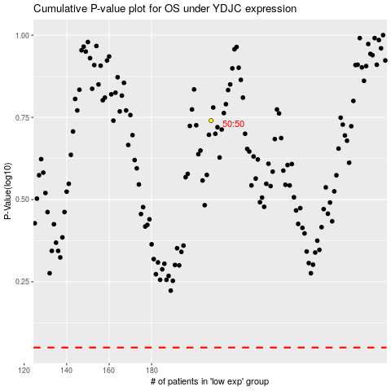

 |  |  |  |  |  | cases_OS | p_OS | rank | exp
 |  |  |  |  |  |  | cases_RFS | p_RFS | rank | exp

