YEATS4 _multivariate
Reported by Tex Li-Hsing Chi. tex@gate.sinica.edu.tw 2019-08-14

Table 2. The clinicopathological features of HNSCC cohort and YEATS4 expression. (Chi square test)
Cutoff at -0.18 (49.8%)
 |  | YEATS4 expression |  | YEATS4 expression |  | (Optimised)
 | Features | Low | (%) | High | (%) | Case no | P-value | Remark | Matthews
Gender | Female | 149 | 35.9 | 157 | 37.8 | 415 | 0.4848 | 0 | 0
2 | Male | 58 | 14 | 51 | 12.3
Age at diagnosis | <=65y | 140 | 33.7 | 134 | 32.3 | 415 | 0.5574 | 0 | 0
4 | >65y | 67 | 16.1 | 74 | 17.8
Clinical T Status | T1+T2 | 71 | 17.1 | 78 | 18.8 | 415 | 0.5638 | 0 | 0
6 | T3+T4 | 136 | 32.8 | 130 | 31.3
Clinical N Status | N0 | 105 | 25.3 | 111 | 26.7 | 415 | 0.6598 | 0 | 0
8 | N1-3 | 102 | 24.6 | 97 | 23.4
Clinical M Status | M0 | 206 | 49.6 | 206 | 49.6 | 415 | 1 | 0 | 0
10 | M1 | 1 | 0.2 | 2 | 0.5
Clinical Stage | Stage I+II | 54 | 13 | 48 | 11.6 | 415 | 0.5498 | 0 | 0
12 | Stage III+IV | 153 | 36.9 | 160 | 38.6
Surgical Margin status | Negative | 168 | 40.5 | 150 | 36.1 | 415 | 0.0366 | 1 | 0
14 | Positive | 39 | 9.4 | 58 | 14
Tobacco Exposure | Low | 81 | 19.5 | 80 | 19.3 | 415 | 0.9199 | 0 | 0
16 | High | 126 | 30.4 | 128 | 30.8

Table 3. Univariate/Multivariate Cox's proportional hazards regression analyses on OS time of YEATS4 gene expression in HNSCC

 |  | Univariate |  |  |  | Multivariate
 | Features | HR | CI95%(L) | CI95%(H) | P-value | HR | CI95%(L) | CI95%(H) | P-value
1 | Female | 1 |  |  |  | 1
Gender | Male | 1.157 | 0.843 | 1.587 | 0.367 | 1.199 | 0.857 | 1.678 | 0.29
11 | <=65y | 1 |  |  |  | 1
Age at diagnosis | >65y | 1.329 | 0.99 | 1.784 | 0.058 | 1.393 | 1.024 | 1.894 | 0.035
12 | T1+T2 | 1 |  |  |  | 1
Clinical T Status | T3+T4 | 1.409 | 1.028 | 1.931 | 0.033 | 2.197 | 1.161 | 4.16 | 0.016
13 | N0 | 1 |  |  |  | 1
Clinical N Status | N1-3 | 1.185 | 0.89 | 1.577 | 0.246 | 1.239 | 0.868 | 1.769 | 0.238
14 | M0 | 1 |  |  |  | 1
Clinical M Status | M1 | 4.097 | 1.009 | 16.644 | 0.049 | 9.411 | 2.053 | 43.139 | 0.004
15 | Stage I+II | 1 |  |  |  | 1
Clinical Stage | Stage III+IV | 1.245 | 0.882 | 1.759 | 0.213 | 0.506 | 0.235 | 1.089 | 0.081
16 | Negative | 1 |  |  |  | 1
Surgical Margin status | Positive | 1.591 | 1.155 | 2.191 | 0.004 | 1.676 | 1.209 | 2.323 | 0.002
17 | Low | 1 |  |  |  | 1
Tobacco Exposure | High | 1.364 | 1.008 | 1.844 | 0.044 | 1.454 | 1.055 | 2.004 | 0.022
18 | Low | 1 |  |  |  | 1
RNAseq(z-score) | High | 1.023 | 0.768 | 1.365 | 0.875 | 0.983 | 0.733 | 1.319 | 0.91

Table 4. Univariate/Multivariate Cox's proportional hazards regression analyses on RFS time of YEATS4 gene expression in HNSCC

 |  | Univariate |  |  |  | Multivariate
 | Features | HR | CI95%(L) | CI95%(H) | P-value | HR | CI95%(L) | CI95%(H) | P-value
1 | Female | 1 |  |  |  | 1
Gender | Male | 1.157 | 0.843 | 1.587 | 0.367 | 1.199 | 0.857 | 1.678 | 0.29
11 | <=65y | 1 |  |  |  | 1
Age at diagnosis | >65y | 1.329 | 0.99 | 1.784 | 0.058 | 1.393 | 1.024 | 1.894 | 0.035
12 | T1+T2 | 1 |  |  |  | 1
Clinical T Status | T3+T4 | 1.409 | 1.028 | 1.931 | 0.033 | 2.197 | 1.161 | 4.16 | 0.016
13 | N0 | 1 |  |  |  | 1
Clinical N Status | N1-3 | 1.185 | 0.89 | 1.577 | 0.246 | 1.239 | 0.868 | 1.769 | 0.238
14 | M0 | 1 |  |  |  | 1
Clinical M Status | M1 | 4.097 | 1.009 | 16.644 | 0.049 | 9.411 | 2.053 | 43.139 | 0.004
15 | Stage I+II | 1 |  |  |  | 1
Clinical Stage | Stage III+IV | 1.245 | 0.882 | 1.759 | 0.213 | 0.506 | 0.235 | 1.089 | 0.081
16 | Negative | 1 |  |  |  | 1
Surgical Margin status | Positive | 1.591 | 1.155 | 2.191 | 0.004 | 1.676 | 1.209 | 2.323 | 0.002
17 | Low | 1 |  |  |  | 1
Tobacco Exposure | High | 1.364 | 1.008 | 1.844 | 0.044 | 1.454 | 1.055 | 2.004 | 0.022
18 | Low | 1 |  |  |  | 1
RNAseq(z-score) | High | 1.023 | 0.768 | 1.365 | 0.875 | 0.983 | 0.733 | 1.319 | 0.91

Kaplan-Meier survival estimate: Cutoff at -0.18 (49.8%)



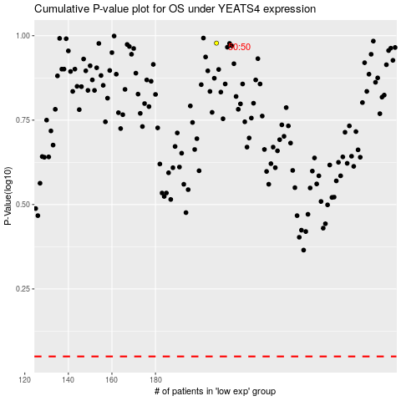

 |  |  |  |  |  | cases_OS | p_OS | rank | exp
 |  |  |  |  |  |  | cases_RFS | p_RFS | rank | exp

