YIF1A _multivariate
Reported by Tex Li-Hsing Chi. tex@gate.sinica.edu.tw 2019-08-14

Table 2. The clinicopathological features of HNSCC cohort and YIF1A expression. (Chi square test)
Cutoff at -0.206 (49.8%)
 |  | YIF1A expression |  | YIF1A expression |  | (Optimised)
 | Features | Low | (%) | High | (%) | Case no | P-value | Remark | Matthews
Gender | Female | 156 | 37.6 | 150 | 36.1 | 415 | 0.5222 | 0 | 0
2 | Male | 51 | 12.3 | 58 | 14
Age at diagnosis | <=65y | 129 | 31.1 | 145 | 34.9 | 415 | 0.1372 | 0 | 0
4 | >65y | 78 | 18.8 | 63 | 15.2
Clinical T Status | T1+T2 | 76 | 18.3 | 73 | 17.6 | 415 | 0.8092 | 0 | 0
6 | T3+T4 | 131 | 31.6 | 135 | 32.5
Clinical N Status | N0 | 113 | 27.2 | 103 | 24.8 | 415 | 0.3495 | 1 | 0
8 | N1-3 | 94 | 22.7 | 105 | 25.3
Clinical M Status | M0 | 206 | 49.6 | 206 | 49.6 | 415 | 1 | 0 | 0
10 | M1 | 1 | 0.2 | 2 | 0.5
Clinical Stage | Stage I+II | 51 | 12.3 | 51 | 12.3 | 415 | 1 | 0 | 0
12 | Stage III+IV | 156 | 37.6 | 157 | 37.8
Surgical Margin status | Negative | 156 | 37.6 | 162 | 39 | 415 | 0.5636 | 0 | 0
14 | Positive | 51 | 12.3 | 46 | 11.1
Tobacco Exposure | Low | 81 | 19.5 | 80 | 19.3 | 415 | 0.9199 | 0 | 0
16 | High | 126 | 30.4 | 128 | 30.8

Table 3. Univariate/Multivariate Cox's proportional hazards regression analyses on OS time of YIF1A gene expression in HNSCC

 |  | Univariate |  |  |  | Multivariate
 | Features | HR | CI95%(L) | CI95%(H) | P-value | HR | CI95%(L) | CI95%(H) | P-value
1 | Female | 1 |  |  |  | 1
Gender | Male | 1.157 | 0.843 | 1.587 | 0.367 | 1.193 | 0.853 | 1.669 | 0.302
11 | <=65y | 1 |  |  |  | 1
Age at diagnosis | >65y | 1.329 | 0.99 | 1.784 | 0.058 | 1.403 | 1.031 | 1.909 | 0.031
12 | T1+T2 | 1 |  |  |  | 1
Clinical T Status | T3+T4 | 1.409 | 1.028 | 1.931 | 0.033 | 2.164 | 1.141 | 4.101 | 0.018
13 | N0 | 1 |  |  |  | 1
Clinical N Status | N1-3 | 1.185 | 0.89 | 1.577 | 0.246 | 1.233 | 0.864 | 1.761 | 0.248
14 | M0 | 1 |  |  |  | 1
Clinical M Status | M1 | 4.097 | 1.009 | 16.644 | 0.049 | 9.014 | 1.955 | 41.558 | 0.005
15 | Stage I+II | 1 |  |  |  | 1
Clinical Stage | Stage III+IV | 1.245 | 0.882 | 1.759 | 0.213 | 0.517 | 0.24 | 1.113 | 0.092
16 | Negative | 1 |  |  |  | 1
Surgical Margin status | Positive | 1.591 | 1.155 | 2.191 | 0.004 | 1.673 | 1.211 | 2.311 | 0.002
17 | Low | 1 |  |  |  | 1
Tobacco Exposure | High | 1.364 | 1.008 | 1.844 | 0.044 | 1.449 | 1.051 | 1.996 | 0.024
18 | Low | 1 |  |  |  | 1
RNAseq(z-score) | High | 1.133 | 0.85 | 1.509 | 0.394 | 1.097 | 0.82 | 1.469 | 0.533

Table 4. Univariate/Multivariate Cox's proportional hazards regression analyses on RFS time of YIF1A gene expression in HNSCC

 |  | Univariate |  |  |  | Multivariate
 | Features | HR | CI95%(L) | CI95%(H) | P-value | HR | CI95%(L) | CI95%(H) | P-value
1 | Female | 1 |  |  |  | 1
Gender | Male | 1.157 | 0.843 | 1.587 | 0.367 | 1.193 | 0.853 | 1.669 | 0.302
11 | <=65y | 1 |  |  |  | 1
Age at diagnosis | >65y | 1.329 | 0.99 | 1.784 | 0.058 | 1.403 | 1.031 | 1.909 | 0.031
12 | T1+T2 | 1 |  |  |  | 1
Clinical T Status | T3+T4 | 1.409 | 1.028 | 1.931 | 0.033 | 2.164 | 1.141 | 4.101 | 0.018
13 | N0 | 1 |  |  |  | 1
Clinical N Status | N1-3 | 1.185 | 0.89 | 1.577 | 0.246 | 1.233 | 0.864 | 1.761 | 0.248
14 | M0 | 1 |  |  |  | 1
Clinical M Status | M1 | 4.097 | 1.009 | 16.644 | 0.049 | 9.014 | 1.955 | 41.558 | 0.005
15 | Stage I+II | 1 |  |  |  | 1
Clinical Stage | Stage III+IV | 1.245 | 0.882 | 1.759 | 0.213 | 0.517 | 0.24 | 1.113 | 0.092
16 | Negative | 1 |  |  |  | 1
Surgical Margin status | Positive | 1.591 | 1.155 | 2.191 | 0.004 | 1.673 | 1.211 | 2.311 | 0.002
17 | Low | 1 |  |  |  | 1
Tobacco Exposure | High | 1.364 | 1.008 | 1.844 | 0.044 | 1.449 | 1.051 | 1.996 | 0.024
18 | Low | 1 |  |  |  | 1
RNAseq(z-score) | High | 1.133 | 0.85 | 1.509 | 0.394 | 1.097 | 0.82 | 1.469 | 0.533

Kaplan-Meier survival estimate: Cutoff at -0.206 (49.8%)



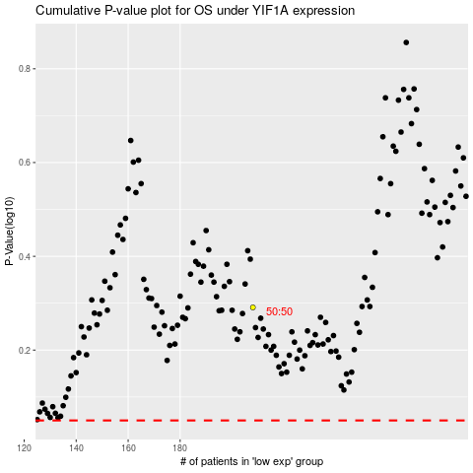

 |  |  |  |  |  | cases_OS | p_OS | rank | exp
 |  |  |  |  |  |  | cases_RFS | p_RFS | rank | exp

