YIF1B _multivariate
Reported by Tex Li-Hsing Chi. tex@gate.sinica.edu.tw 2019-08-14

Table 2. The clinicopathological features of HNSCC cohort and YIF1B expression. (Chi square test)
Cutoff at -0.207 (50.0%)
 |  | YIF1B expression |  | YIF1B expression |  | (Optimised)
 | Features | Low | (%) | High | (%) | Case no | P-value | Remark | Matthews
Gender | Female | 151 | 36.4 | 155 | 37.3 | 415 | 0.8007 | 0 | 0
2 | Male | 56 | 13.5 | 53 | 12.8
Age at diagnosis | <=65y | 137 | 33 | 137 | 33 | 415 | 1 | 0 | 0
4 | >65y | 70 | 16.9 | 71 | 17.1
Clinical T Status | T1+T2 | 81 | 19.5 | 68 | 16.4 | 415 | 0.206 | 0 | 0
6 | T3+T4 | 126 | 30.4 | 140 | 33.7
Clinical N Status | N0 | 109 | 26.3 | 107 | 25.8 | 415 | 0.8812 | 0 | 0
8 | N1-3 | 98 | 23.6 | 101 | 24.3
Clinical M Status | M0 | 206 | 49.6 | 206 | 49.6 | 415 | 1 | 0 | 0
10 | M1 | 1 | 0.2 | 2 | 0.5
Clinical Stage | Stage I+II | 55 | 13.3 | 47 | 11.3 | 415 | 0.4087 | 0 | 0
12 | Stage III+IV | 152 | 36.6 | 161 | 38.8
Surgical Margin status | Negative | 158 | 38.1 | 160 | 38.6 | 415 | 0.9081 | 0 | 0
14 | Positive | 49 | 11.8 | 48 | 11.6
Tobacco Exposure | Low | 78 | 18.8 | 83 | 20 | 415 | 0.6873 | 0 | 0
16 | High | 129 | 31.1 | 125 | 30.1

Table 3. Univariate/Multivariate Cox's proportional hazards regression analyses on OS time of YIF1B gene expression in HNSCC

 |  | Univariate |  |  |  | Multivariate
 | Features | HR | CI95%(L) | CI95%(H) | P-value | HR | CI95%(L) | CI95%(H) | P-value
1 | Female | 1 |  |  |  | 1
Gender | Male | 1.157 | 0.843 | 1.587 | 0.367 | 1.202 | 0.86 | 1.678 | 0.281
11 | <=65y | 1 |  |  |  | 1
Age at diagnosis | >65y | 1.329 | 0.99 | 1.784 | 0.058 | 1.383 | 1.017 | 1.883 | 0.039
12 | T1+T2 | 1 |  |  |  | 1
Clinical T Status | T3+T4 | 1.409 | 1.028 | 1.931 | 0.033 | 2.217 | 1.172 | 4.194 | 0.014
13 | N0 | 1 |  |  |  | 1
Clinical N Status | N1-3 | 1.185 | 0.89 | 1.577 | 0.246 | 1.245 | 0.872 | 1.778 | 0.227
14 | M0 | 1 |  |  |  | 1
Clinical M Status | M1 | 4.097 | 1.009 | 16.644 | 0.049 | 9.627 | 2.093 | 44.282 | 0.004
15 | Stage I+II | 1 |  |  |  | 1
Clinical Stage | Stage III+IV | 1.245 | 0.882 | 1.759 | 0.213 | 0.501 | 0.233 | 1.076 | 0.076
16 | Negative | 1 |  |  |  | 1
Surgical Margin status | Positive | 1.591 | 1.155 | 2.191 | 0.004 | 1.671 | 1.209 | 2.309 | 0.002
17 | Low | 1 |  |  |  | 1
Tobacco Exposure | High | 1.364 | 1.008 | 1.844 | 0.044 | 1.452 | 1.054 | 2.001 | 0.022
18 | Low | 1 |  |  |  | 1
RNAseq(z-score) | High | 0.946 | 0.71 | 1.261 | 0.706 | 0.936 | 0.701 | 1.251 | 0.655

Table 4. Univariate/Multivariate Cox's proportional hazards regression analyses on RFS time of YIF1B gene expression in HNSCC

 |  | Univariate |  |  |  | Multivariate
 | Features | HR | CI95%(L) | CI95%(H) | P-value | HR | CI95%(L) | CI95%(H) | P-value
1 | Female | 1 |  |  |  | 1
Gender | Male | 1.157 | 0.843 | 1.587 | 0.367 | 1.202 | 0.86 | 1.678 | 0.281
11 | <=65y | 1 |  |  |  | 1
Age at diagnosis | >65y | 1.329 | 0.99 | 1.784 | 0.058 | 1.383 | 1.017 | 1.883 | 0.039
12 | T1+T2 | 1 |  |  |  | 1
Clinical T Status | T3+T4 | 1.409 | 1.028 | 1.931 | 0.033 | 2.217 | 1.172 | 4.194 | 0.014
13 | N0 | 1 |  |  |  | 1
Clinical N Status | N1-3 | 1.185 | 0.89 | 1.577 | 0.246 | 1.245 | 0.872 | 1.778 | 0.227
14 | M0 | 1 |  |  |  | 1
Clinical M Status | M1 | 4.097 | 1.009 | 16.644 | 0.049 | 9.627 | 2.093 | 44.282 | 0.004
15 | Stage I+II | 1 |  |  |  | 1
Clinical Stage | Stage III+IV | 1.245 | 0.882 | 1.759 | 0.213 | 0.501 | 0.233 | 1.076 | 0.076
16 | Negative | 1 |  |  |  | 1
Surgical Margin status | Positive | 1.591 | 1.155 | 2.191 | 0.004 | 1.671 | 1.209 | 2.309 | 0.002
17 | Low | 1 |  |  |  | 1
Tobacco Exposure | High | 1.364 | 1.008 | 1.844 | 0.044 | 1.452 | 1.054 | 2.001 | 0.022
18 | Low | 1 |  |  |  | 1
RNAseq(z-score) | High | 0.946 | 0.71 | 1.261 | 0.706 | 0.936 | 0.701 | 1.251 | 0.655

Kaplan-Meier survival estimate: Cutoff at -0.207 (50.0%)



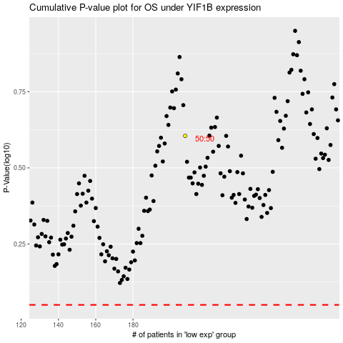

 |  |  |  |  |  | cases_OS | p_OS | rank | exp
 |  |  |  |  |  |  | cases_RFS | p_RFS | rank | exp

