YIPF1 _multivariate
Reported by Tex Li-Hsing Chi. tex@gate.sinica.edu.tw 2019-08-14

Table 2. The clinicopathological features of HNSCC cohort and YIPF1 expression. (Chi square test)
Cutoff at -0.198 (50.0%)
 |  | YIPF1 expression |  | YIPF1 expression |  | (Optimised)
 | Features | Low | (%) | High | (%) | Case no | P-value | Remark | Matthews
Gender | Female | 156 | 37.6 | 150 | 36.1 | 415 | 0.5222 | 0 | 0
2 | Male | 51 | 12.3 | 58 | 14
Age at diagnosis | <=65y | 142 | 34.2 | 132 | 31.8 | 415 | 0.3167 | 0 | 0
4 | >65y | 65 | 15.7 | 76 | 18.3
Clinical T Status | T1+T2 | 69 | 16.6 | 80 | 19.3 | 415 | 0.3239 | 0 | 0
6 | T3+T4 | 138 | 33.3 | 128 | 30.8
Clinical N Status | N0 | 106 | 25.5 | 110 | 26.5 | 415 | 0.8075 | 0 | 0
8 | N1-3 | 101 | 24.3 | 98 | 23.6
Clinical M Status | M0 | 206 | 49.6 | 206 | 49.6 | 415 | 1 | 0 | 0
10 | M1 | 1 | 0.2 | 2 | 0.5
Clinical Stage | Stage I+II | 46 | 11.1 | 56 | 13.5 | 415 | 0.3182 | 0 | 0
12 | Stage III+IV | 161 | 38.8 | 152 | 36.6
Surgical Margin status | Negative | 156 | 37.6 | 162 | 39 | 415 | 0.5636 | 0 | 0
14 | Positive | 51 | 12.3 | 46 | 11.1
Tobacco Exposure | Low | 69 | 16.6 | 92 | 22.2 | 415 | 0.0266 | 1 | 0
16 | High | 138 | 33.3 | 116 | 28

Table 3. Univariate/Multivariate Cox's proportional hazards regression analyses on OS time of YIPF1 gene expression in HNSCC

 |  | Univariate |  |  |  | Multivariate
 | Features | HR | CI95%(L) | CI95%(H) | P-value | HR | CI95%(L) | CI95%(H) | P-value
1 | Female | 1 |  |  |  | 1
Gender | Male | 1.157 | 0.843 | 1.587 | 0.367 | 1.194 | 0.854 | 1.67 | 0.299
11 | <=65y | 1 |  |  |  | 1
Age at diagnosis | >65y | 1.329 | 0.99 | 1.784 | 0.058 | 1.389 | 1.022 | 1.889 | 0.036
12 | T1+T2 | 1 |  |  |  | 1
Clinical T Status | T3+T4 | 1.409 | 1.028 | 1.931 | 0.033 | 2.202 | 1.164 | 4.163 | 0.015
13 | N0 | 1 |  |  |  | 1
Clinical N Status | N1-3 | 1.185 | 0.89 | 1.577 | 0.246 | 1.236 | 0.866 | 1.763 | 0.243
14 | M0 | 1 |  |  |  | 1
Clinical M Status | M1 | 4.097 | 1.009 | 16.644 | 0.049 | 9.18 | 1.997 | 42.205 | 0.004
15 | Stage I+II | 1 |  |  |  | 1
Clinical Stage | Stage III+IV | 1.245 | 0.882 | 1.759 | 0.213 | 0.509 | 0.237 | 1.092 | 0.083
16 | Negative | 1 |  |  |  | 1
Surgical Margin status | Positive | 1.591 | 1.155 | 2.191 | 0.004 | 1.671 | 1.21 | 2.309 | 0.002
17 | Low | 1 |  |  |  | 1
Tobacco Exposure | High | 1.364 | 1.008 | 1.844 | 0.044 | 1.457 | 1.057 | 2.009 | 0.021
18 | Low | 1 |  |  |  | 1
RNAseq(z-score) | High | 1.081 | 0.811 | 1.44 | 0.596 | 1.076 | 0.805 | 1.439 | 0.62

Table 4. Univariate/Multivariate Cox's proportional hazards regression analyses on RFS time of YIPF1 gene expression in HNSCC

 |  | Univariate |  |  |  | Multivariate
 | Features | HR | CI95%(L) | CI95%(H) | P-value | HR | CI95%(L) | CI95%(H) | P-value
1 | Female | 1 |  |  |  | 1
Gender | Male | 1.157 | 0.843 | 1.587 | 0.367 | 1.194 | 0.854 | 1.67 | 0.299
11 | <=65y | 1 |  |  |  | 1
Age at diagnosis | >65y | 1.329 | 0.99 | 1.784 | 0.058 | 1.389 | 1.022 | 1.889 | 0.036
12 | T1+T2 | 1 |  |  |  | 1
Clinical T Status | T3+T4 | 1.409 | 1.028 | 1.931 | 0.033 | 2.202 | 1.164 | 4.163 | 0.015
13 | N0 | 1 |  |  |  | 1
Clinical N Status | N1-3 | 1.185 | 0.89 | 1.577 | 0.246 | 1.236 | 0.866 | 1.763 | 0.243
14 | M0 | 1 |  |  |  | 1
Clinical M Status | M1 | 4.097 | 1.009 | 16.644 | 0.049 | 9.18 | 1.997 | 42.205 | 0.004
15 | Stage I+II | 1 |  |  |  | 1
Clinical Stage | Stage III+IV | 1.245 | 0.882 | 1.759 | 0.213 | 0.509 | 0.237 | 1.092 | 0.083
16 | Negative | 1 |  |  |  | 1
Surgical Margin status | Positive | 1.591 | 1.155 | 2.191 | 0.004 | 1.671 | 1.21 | 2.309 | 0.002
17 | Low | 1 |  |  |  | 1
Tobacco Exposure | High | 1.364 | 1.008 | 1.844 | 0.044 | 1.457 | 1.057 | 2.009 | 0.021
18 | Low | 1 |  |  |  | 1
RNAseq(z-score) | High | 1.081 | 0.811 | 1.44 | 0.596 | 1.076 | 0.805 | 1.439 | 0.62

Kaplan-Meier survival estimate: Cutoff at -0.198 (50.0%)



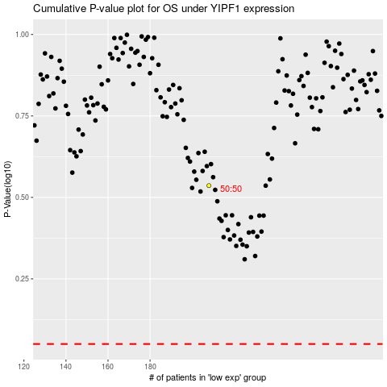

 |  |  |  |  |  | cases_OS | p_OS | rank | exp
 |  |  |  |  |  |  | cases_RFS | p_RFS | rank | exp

