YIPF3 _multivariate
Reported by Tex Li-Hsing Chi. tex@gate.sinica.edu.tw 2019-08-14

Table 2. The clinicopathological features of HNSCC cohort and YIPF3 expression. (Chi square test)
Cutoff at -0.216 (50.0%)
 |  | YIPF3 expression |  | YIPF3 expression |  | (Optimised)
 | Features | Low | (%) | High | (%) | Case no | P-value | Remark | Matthews
Gender | Female | 152 | 36.6 | 154 | 37.1 | 415 | 0.9766 | 0 | 0
2 | Male | 55 | 13.3 | 54 | 13
Age at diagnosis | <=65y | 132 | 31.8 | 142 | 34.2 | 415 | 0.3874 | 0 | 0
4 | >65y | 75 | 18.1 | 66 | 15.9
Clinical T Status | T1+T2 | 79 | 19 | 70 | 16.9 | 415 | 0.3924 | 0 | 0
6 | T3+T4 | 128 | 30.8 | 138 | 33.3
Clinical N Status | N0 | 108 | 26 | 108 | 26 | 415 | 1 | 0 | 0
8 | N1-3 | 99 | 23.9 | 100 | 24.1
Clinical M Status | M0 | 206 | 49.6 | 206 | 49.6 | 415 | 1 | 0 | 0
10 | M1 | 1 | 0.2 | 2 | 0.5
Clinical Stage | Stage I+II | 55 | 13.3 | 47 | 11.3 | 415 | 0.4087 | 0 | 0
12 | Stage III+IV | 152 | 36.6 | 161 | 38.8
Surgical Margin status | Negative | 166 | 40 | 152 | 36.6 | 415 | 0.1042 | 0 | 0
14 | Positive | 41 | 9.9 | 56 | 13.5
Tobacco Exposure | Low | 83 | 20 | 78 | 18.8 | 415 | 0.6152 | 0 | 0
16 | High | 124 | 29.9 | 130 | 31.3

Table 3. Univariate/Multivariate Cox's proportional hazards regression analyses on OS time of YIPF3 gene expression in HNSCC

 |  | Univariate |  |  |  | Multivariate
 | Features | HR | CI95%(L) | CI95%(H) | P-value | HR | CI95%(L) | CI95%(H) | P-value
1 | Female | 1 |  |  |  | 1
Gender | Male | 1.157 | 0.843 | 1.587 | 0.367 | 1.201 | 0.86 | 1.678 | 0.282
11 | <=65y | 1 |  |  |  | 1
Age at diagnosis | >65y | 1.329 | 0.99 | 1.784 | 0.058 | 1.403 | 1.031 | 1.908 | 0.031
12 | T1+T2 | 1 |  |  |  | 1
Clinical T Status | T3+T4 | 1.409 | 1.028 | 1.931 | 0.033 | 2.19 | 1.158 | 4.143 | 0.016
13 | N0 | 1 |  |  |  | 1
Clinical N Status | N1-3 | 1.185 | 0.89 | 1.577 | 0.246 | 1.245 | 0.873 | 1.777 | 0.227
14 | M0 | 1 |  |  |  | 1
Clinical M Status | M1 | 4.097 | 1.009 | 16.644 | 0.049 | 9.064 | 1.97 | 41.705 | 0.005
15 | Stage I+II | 1 |  |  |  | 1
Clinical Stage | Stage III+IV | 1.245 | 0.882 | 1.759 | 0.213 | 0.506 | 0.236 | 1.087 | 0.081
16 | Negative | 1 |  |  |  | 1
Surgical Margin status | Positive | 1.591 | 1.155 | 2.191 | 0.004 | 1.653 | 1.194 | 2.287 | 0.002
17 | Low | 1 |  |  |  | 1
Tobacco Exposure | High | 1.364 | 1.008 | 1.844 | 0.044 | 1.456 | 1.057 | 2.007 | 0.022
18 | Low | 1 |  |  |  | 1
RNAseq(z-score) | High | 1.154 | 0.865 | 1.54 | 0.329 | 1.108 | 0.828 | 1.482 | 0.491

Table 4. Univariate/Multivariate Cox's proportional hazards regression analyses on RFS time of YIPF3 gene expression in HNSCC

 |  | Univariate |  |  |  | Multivariate
 | Features | HR | CI95%(L) | CI95%(H) | P-value | HR | CI95%(L) | CI95%(H) | P-value
1 | Female | 1 |  |  |  | 1
Gender | Male | 1.157 | 0.843 | 1.587 | 0.367 | 1.201 | 0.86 | 1.678 | 0.282
11 | <=65y | 1 |  |  |  | 1
Age at diagnosis | >65y | 1.329 | 0.99 | 1.784 | 0.058 | 1.403 | 1.031 | 1.908 | 0.031
12 | T1+T2 | 1 |  |  |  | 1
Clinical T Status | T3+T4 | 1.409 | 1.028 | 1.931 | 0.033 | 2.19 | 1.158 | 4.143 | 0.016
13 | N0 | 1 |  |  |  | 1
Clinical N Status | N1-3 | 1.185 | 0.89 | 1.577 | 0.246 | 1.245 | 0.873 | 1.777 | 0.227
14 | M0 | 1 |  |  |  | 1
Clinical M Status | M1 | 4.097 | 1.009 | 16.644 | 0.049 | 9.064 | 1.97 | 41.705 | 0.005
15 | Stage I+II | 1 |  |  |  | 1
Clinical Stage | Stage III+IV | 1.245 | 0.882 | 1.759 | 0.213 | 0.506 | 0.236 | 1.087 | 0.081
16 | Negative | 1 |  |  |  | 1
Surgical Margin status | Positive | 1.591 | 1.155 | 2.191 | 0.004 | 1.653 | 1.194 | 2.287 | 0.002
17 | Low | 1 |  |  |  | 1
Tobacco Exposure | High | 1.364 | 1.008 | 1.844 | 0.044 | 1.456 | 1.057 | 2.007 | 0.022
18 | Low | 1 |  |  |  | 1
RNAseq(z-score) | High | 1.154 | 0.865 | 1.54 | 0.329 | 1.108 | 0.828 | 1.482 | 0.491

Kaplan-Meier survival estimate: Cutoff at -0.216 (50.0%)



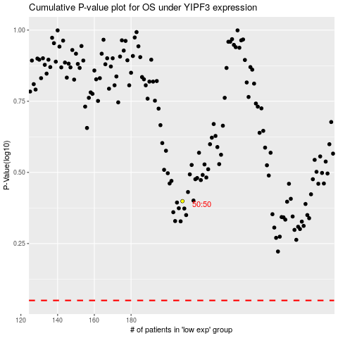

 |  |  |  |  |  | cases_OS | p_OS | rank | exp
 |  |  |  |  |  |  | cases_RFS | p_RFS | rank | exp

