YIPF6 _multivariate
Reported by Tex Li-Hsing Chi. tex@gate.sinica.edu.tw 2019-08-14

Table 2. The clinicopathological features of HNSCC cohort and YIPF6 expression. (Chi square test)
Cutoff at -0.219 (43.0%)
 |  | YIPF6 expression |  | YIPF6 expression |  | (Optimised)
 | Features | Low | (%) | High | (%) | Case no | P-value | Remark | Matthews
Gender | Female | 132 | 31.8 | 174 | 41.9 | 415 | 1 | 0 | 0
2 | Male | 47 | 11.3 | 62 | 14.9
Age at diagnosis | <=65y | 120 | 28.9 | 154 | 37.1 | 415 | 0.7829 | 0 | 0
4 | >65y | 59 | 14.2 | 82 | 19.8
Clinical T Status | T1+T2 | 64 | 15.4 | 85 | 20.5 | 415 | 1 | 0 | 0
6 | T3+T4 | 115 | 27.7 | 151 | 36.4
Clinical N Status | N0 | 89 | 21.4 | 127 | 30.6 | 415 | 0.467 | 0 | 0
8 | N1-3 | 90 | 21.7 | 109 | 26.3
Clinical M Status | M0 | 177 | 42.7 | 235 | 56.6 | 415 | 0.5803 | 0 | 0
10 | M1 | 2 | 0.5 | 1 | 0.2
Clinical Stage | Stage I+II | 42 | 10.1 | 60 | 14.5 | 415 | 0.7307 | 0 | 0
12 | Stage III+IV | 137 | 33 | 176 | 42.4
Surgical Margin status | Negative | 141 | 34 | 177 | 42.7 | 415 | 0.4129 | 0 | 0
14 | Positive | 38 | 9.2 | 59 | 14.2
Tobacco Exposure | Low | 80 | 19.3 | 81 | 19.5 | 415 | 0.0333 | 1 | 0
16 | High | 99 | 23.9 | 155 | 37.3

Table 3. Univariate/Multivariate Cox's proportional hazards regression analyses on OS time of YIPF6 gene expression in HNSCC

 |  | Univariate |  |  |  | Multivariate
 | Features | HR | CI95%(L) | CI95%(H) | P-value | HR | CI95%(L) | CI95%(H) | P-value
1 | Female | 1 |  |  |  | 1
Gender | Male | 1.157 | 0.843 | 1.587 | 0.367 | 1.206 | 0.866 | 1.68 | 0.268
11 | <=65y | 1 |  |  |  | 1
Age at diagnosis | >65y | 1.329 | 0.99 | 1.784 | 0.058 | 1.383 | 1.018 | 1.88 | 0.038
12 | T1+T2 | 1 |  |  |  | 1
Clinical T Status | T3+T4 | 1.409 | 1.028 | 1.931 | 0.033 | 2.226 | 1.178 | 4.207 | 0.014
13 | N0 | 1 |  |  |  | 1
Clinical N Status | N1-3 | 1.185 | 0.89 | 1.577 | 0.246 | 1.281 | 0.897 | 1.829 | 0.173
14 | M0 | 1 |  |  |  | 1
Clinical M Status | M1 | 4.097 | 1.009 | 16.644 | 0.049 | 9.95 | 2.167 | 45.687 | 0.003
15 | Stage I+II | 1 |  |  |  | 1
Clinical Stage | Stage III+IV | 1.245 | 0.882 | 1.759 | 0.213 | 0.487 | 0.227 | 1.046 | 0.065
16 | Negative | 1 |  |  |  | 1
Surgical Margin status | Positive | 1.591 | 1.155 | 2.191 | 0.004 | 1.655 | 1.196 | 2.288 | 0.002
17 | Low | 1 |  |  |  | 1
Tobacco Exposure | High | 1.364 | 1.008 | 1.844 | 0.044 | 1.435 | 1.042 | 1.975 | 0.027
18 | Low | 1 |  |  |  | 1
RNAseq(z-score) | High | 1.498 | 1.107 | 2.028 | 0.009 | 1.474 | 1.087 | 1.997 | 0.012

Table 4. Univariate/Multivariate Cox's proportional hazards regression analyses on RFS time of YIPF6 gene expression in HNSCC

 |  | Univariate |  |  |  | Multivariate
 | Features | HR | CI95%(L) | CI95%(H) | P-value | HR | CI95%(L) | CI95%(H) | P-value
1 | Female | 1 |  |  |  | 1
Gender | Male | 1.157 | 0.843 | 1.587 | 0.367 | 1.206 | 0.866 | 1.68 | 0.268
11 | <=65y | 1 |  |  |  | 1
Age at diagnosis | >65y | 1.329 | 0.99 | 1.784 | 0.058 | 1.383 | 1.018 | 1.88 | 0.038
12 | T1+T2 | 1 |  |  |  | 1
Clinical T Status | T3+T4 | 1.409 | 1.028 | 1.931 | 0.033 | 2.226 | 1.178 | 4.207 | 0.014
13 | N0 | 1 |  |  |  | 1
Clinical N Status | N1-3 | 1.185 | 0.89 | 1.577 | 0.246 | 1.281 | 0.897 | 1.829 | 0.173
14 | M0 | 1 |  |  |  | 1
Clinical M Status | M1 | 4.097 | 1.009 | 16.644 | 0.049 | 9.95 | 2.167 | 45.687 | 0.003
15 | Stage I+II | 1 |  |  |  | 1
Clinical Stage | Stage III+IV | 1.245 | 0.882 | 1.759 | 0.213 | 0.487 | 0.227 | 1.046 | 0.065
16 | Negative | 1 |  |  |  | 1
Surgical Margin status | Positive | 1.591 | 1.155 | 2.191 | 0.004 | 1.655 | 1.196 | 2.288 | 0.002
17 | Low | 1 |  |  |  | 1
Tobacco Exposure | High | 1.364 | 1.008 | 1.844 | 0.044 | 1.435 | 1.042 | 1.975 | 0.027
18 | Low | 1 |  |  |  | 1
RNAseq(z-score) | High | 1.498 | 1.107 | 2.028 | 0.009 | 1.474 | 1.087 | 1.997 | 0.012

Kaplan-Meier survival estimate: Cutoff at -0.219 (43.0%)

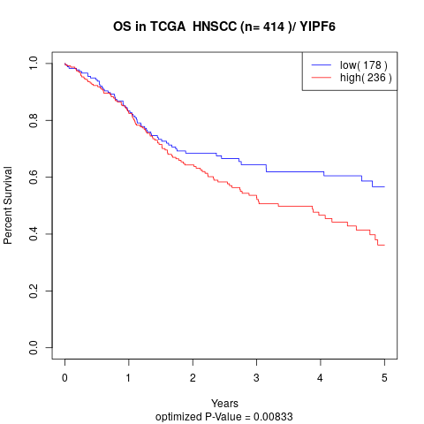

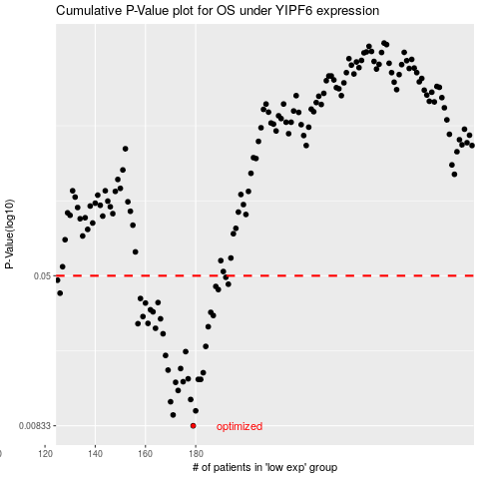

 |  |  |  |  |  | cases_OS | p_OS | rank | exp
 |  |  |  |  |  | 179 | 0.00833 | 142 | -0.21875473693
 |  |  |  |  |  | 171 | 0.00948 | 287 | -0.28117632757
 |  |  |  |  |  | 180 | 0.00996 | 261 | -0.21628919002
 |  |  |  |  |  | 170 | 0.0111 | 103 | -0.28152590201
 |  |  |  |  |  | 178 | 0.0114 | 122 | -0.23479569307
 |  |  |  |  |  | 173 | 0.0127 | 206 | -0.26948169327
 |  |  |  |  |  | 172 | 0.014 | 343 | -0.27558233107
 |  |  |  |  |  | 175 | 0.0141 | 214 | -0.26012292504
 |  |  |  |  |  | 182 | 0.0145 | 279 | -0.20293689629
 |  |  |  |  |  | 181 | 0.0145 | 342 | -0.20963358267
 |  |  |  |  |  | 177 | 0.0146 | 112 | -0.23808040405
 |  |  |  |  |  | 183 | 0.0157 | 221 | -0.19527928293
 |  |  |  |  |  | 169 | 0.0162 | 35 | -0.28383518753
 |  |  |  |  |  | 174 | 0.0165 | 340 | -0.26641284853
 |  |  |  |  |  | 168 | 0.0193 | 162 | -0.29004214751
 |  |  |  |  |  | 176 | 0.0202 | 255 | -0.24633889881
 |  |  |  |  |  | 184 | 0.0215 | 107 | -0.18709166962
 |  |  |  |  |  | 167 | 0.025 | 106 | -0.29534617443
 |  |  |  |  |  | 164 | 0.0267 | 207 | -0.31975436392
 |  |  |  |  |  | 185 | 0.0272 | 273 | -0.18513276401
 |  |  |  |  |  | 157 | 0.0282 | 12 | -0.36116121463
 |  |  |  |  |  | 161 | 0.0283 | 3 | -0.34617542559
 |  |  |  |  |  | 166 | 0.0299 | 157 | -0.30920188758
 |  |  |  |  |  | 159 | 0.0307 | 322 | -0.3541487836
 |  |  |  |  |  | 187 | 0.0311 | 413 | -0.17697173124
 |  |  |  |  |  | 186 | 0.0323 | 356 | -0.17774820534
 |  |  |  |  |  | 163 | 0.0325 | 350 | -0.31985182592
 |  |  |  |  |  | 162 | 0.0333 | 173 | -0.34080132268
 |  |  |  |  |  | 160 | 0.0361 | 141 | -0.34822937679
 |  |  |  |  |  | 165 | 0.0363 | 31 | -0.30936378727
 |  |  |  |  |  | 158 | 0.0381 | 192 | -0.35428651915
 |  |  |  |  |  | 126 | 0.0406 | 229 | -0.53967051612
 |  |  |  |  |  | 189 | 0.0424 | 250 | -0.16418085083
 |  |  |  |  |  | 188 | 0.044 | 94 | -0.17069791716
 |  |  |  |  |  | 193 | 0.0452 | 276 | -0.1495704113
 |  |  |  |  |  | 125 | 0.0474 | 235 | -0.55460233861
 |  |  |  |  |  | 192 | 0.0491 | 393 | -0.15106053275
 |  |  |  |  |  |  | cases_RFS | p_RFS | rank | exp
 |  |  |  |  |  |  | 178 | 0.00833 | 122 | -0.23479569307
 |  |  |  |  |  |  | 170 | 0.00948 | 103 | -0.28152590201
 |  |  |  |  |  |  | 179 | 0.00996 | 142 | -0.21875473693
 |  |  |  |  |  |  | 169 | 0.0111 | 35 | -0.28383518753
 |  |  |  |  |  |  | 177 | 0.0114 | 112 | -0.23808040405
 |  |  |  |  |  |  | 172 | 0.0127 | 343 | -0.27558233107
 |  |  |  |  |  |  | 171 | 0.014 | 287 | -0.28117632757
 |  |  |  |  |  |  | 174 | 0.0141 | 340 | -0.26641284853
 |  |  |  |  |  |  | 180 | 0.0145 | 261 | -0.21628919002
 |  |  |  |  |  |  | 181 | 0.0145 | 342 | -0.20963358267
 |  |  |  |  |  |  | 176 | 0.0146 | 255 | -0.24633889881
 |  |  |  |  |  |  | 182 | 0.0157 | 279 | -0.20293689629
 |  |  |  |  |  |  | 168 | 0.0162 | 162 | -0.29004214751
 |  |  |  |  |  |  | 173 | 0.0165 | 206 | -0.26948169327
 |  |  |  |  |  |  | 167 | 0.0193 | 106 | -0.29534617443
 |  |  |  |  |  |  | 175 | 0.0202 | 214 | -0.26012292504
 |  |  |  |  |  |  | 183 | 0.0215 | 221 | -0.19527928293
 |  |  |  |  |  |  | 166 | 0.025 | 157 | -0.30920188758
 |  |  |  |  |  |  | 163 | 0.0267 | 350 | -0.31985182592
 |  |  |  |  |  |  | 184 | 0.0272 | 107 | -0.18709166962
 |  |  |  |  |  |  | 156 | 0.0282 | 245 | -0.36513863072
 |  |  |  |  |  |  | 160 | 0.0283 | 141 | -0.34822937679
 |  |  |  |  |  |  | 165 | 0.0299 | 31 | -0.30936378727
 |  |  |  |  |  |  | 158 | 0.0307 | 192 | -0.35428651915
 |  |  |  |  |  |  | 186 | 0.0311 | 356 | -0.17774820534
 |  |  |  |  |  |  | 185 | 0.0323 | 273 | -0.18513276401
 |  |  |  |  |  |  | 162 | 0.0325 | 173 | -0.34080132268
 |  |  |  |  |  |  | 161 | 0.0333 | 3 | -0.34617542559
 |  |  |  |  |  |  | 159 | 0.0361 | 322 | -0.3541487836
 |  |  |  |  |  |  | 164 | 0.0363 | 207 | -0.31975436392
 |  |  |  |  |  |  | 157 | 0.0381 | 12 | -0.36116121463
 |  |  |  |  |  |  | 125 | 0.0406 | 235 | -0.55460233861
 |  |  |  |  |  |  | 188 | 0.0424 | 94 | -0.17069791716
 |  |  |  |  |  |  | 187 | 0.044 | 413 | -0.17697173124
 |  |  |  |  |  |  | 192 | 0.0452 | 393 | -0.15106053275
 |  |  |  |  |  |  |  | 0.0474 | 144 | -0.55474812887
 |  |  |  |  |  |  | 191 | 0.0491 | 146 | -0.15556150503

