YLPM1 _multivariate
Reported by Tex Li-Hsing Chi. tex@gate.sinica.edu.tw 2019-08-14

Table 2. The clinicopathological features of HNSCC cohort and YLPM1 expression. (Chi square test)
Cutoff at 0.164 (60.9%)
 |  | YLPM1 expression |  | YLPM1 expression |  | (Optimised)
 | Features | Low | (%) | High | (%) | Case no | P-value | Remark | Matthews
Gender | Female | 181 | 43.6 | 125 | 30.1 | 415 | 0.2483 | 0 | 0
2 | Male | 72 | 17.3 | 37 | 8.9
Age at diagnosis | <=65y | 167 | 40.2 | 107 | 25.8 | 415 | 1 | 0 | 0
4 | >65y | 86 | 20.7 | 55 | 13.3
Clinical T Status | T1+T2 | 98 | 23.6 | 51 | 12.3 | 415 | 0.1622 | 0 | 0
6 | T3+T4 | 155 | 37.3 | 111 | 26.7
Clinical N Status | N0 | 131 | 31.6 | 85 | 20.5 | 415 | 0.9708 | 0 | 0
8 | N1-3 | 122 | 29.4 | 77 | 18.6
Clinical M Status | M0 | 250 | 60.2 | 162 | 39 | 415 | 0.2843 | 0 | 0
10 | M1 | 3 | 0.7 | 0 | 0
Clinical Stage | Stage I+II | 65 | 15.7 | 37 | 8.9 | 415 | 0.5882 | 0 | 0
12 | Stage III+IV | 188 | 45.3 | 125 | 30.1
Surgical Margin status | Negative | 189 | 45.5 | 129 | 31.1 | 415 | 0.285 | 0 | 0
14 | Positive | 64 | 15.4 | 33 | 8
Tobacco Exposure | Low | 105 | 25.3 | 56 | 13.5 | 415 | 0.1797 | 0 | 0
16 | High | 148 | 35.7 | 106 | 25.5

Table 3. Univariate/Multivariate Cox's proportional hazards regression analyses on OS time of YLPM1 gene expression in HNSCC

 |  | Univariate |  |  |  | Multivariate
 | Features | HR | CI95%(L) | CI95%(H) | P-value | HR | CI95%(L) | CI95%(H) | P-value
1 | Female | 1 |  |  |  | 1
Gender | Male | 1.157 | 0.843 | 1.587 | 0.367 | 1.227 | 0.877 | 1.716 | 0.232
11 | <=65y | 1 |  |  |  | 1
Age at diagnosis | >65y | 1.329 | 0.99 | 1.784 | 0.058 | 1.353 | 0.994 | 1.842 | 0.055
12 | T1+T2 | 1 |  |  |  | 1
Clinical T Status | T3+T4 | 1.409 | 1.028 | 1.931 | 0.033 | 2.118 | 1.118 | 4.012 | 0.021
13 | N0 | 1 |  |  |  | 1
Clinical N Status | N1-3 | 1.185 | 0.89 | 1.577 | 0.246 | 1.257 | 0.88 | 1.794 | 0.209
14 | M0 | 1 |  |  |  | 1
Clinical M Status | M1 | 4.097 | 1.009 | 16.644 | 0.049 | 10.235 | 2.226 | 47.059 | 0.003
15 | Stage I+II | 1 |  |  |  | 1
Clinical Stage | Stage III+IV | 1.245 | 0.882 | 1.759 | 0.213 | 0.51 | 0.237 | 1.094 | 0.084
16 | Negative | 1 |  |  |  | 1
Surgical Margin status | Positive | 1.591 | 1.155 | 2.191 | 0.004 | 1.705 | 1.233 | 2.358 | 0.001
17 | Low | 1 |  |  |  | 1
Tobacco Exposure | High | 1.364 | 1.008 | 1.844 | 0.044 | 1.435 | 1.042 | 1.977 | 0.027
18 | Low | 1 |  |  |  | 1
RNAseq(z-score) | High | 1.343 | 1.005 | 1.793 | 0.046 | 1.32 | 0.982 | 1.774 | 0.065

Table 4. Univariate/Multivariate Cox's proportional hazards regression analyses on RFS time of YLPM1 gene expression in HNSCC

 |  | Univariate |  |  |  | Multivariate
 | Features | HR | CI95%(L) | CI95%(H) | P-value | HR | CI95%(L) | CI95%(H) | P-value
1 | Female | 1 |  |  |  | 1
Gender | Male | 1.157 | 0.843 | 1.587 | 0.367 | 1.227 | 0.877 | 1.716 | 0.232
11 | <=65y | 1 |  |  |  | 1
Age at diagnosis | >65y | 1.329 | 0.99 | 1.784 | 0.058 | 1.353 | 0.994 | 1.842 | 0.055
12 | T1+T2 | 1 |  |  |  | 1
Clinical T Status | T3+T4 | 1.409 | 1.028 | 1.931 | 0.033 | 2.118 | 1.118 | 4.012 | 0.021
13 | N0 | 1 |  |  |  | 1
Clinical N Status | N1-3 | 1.185 | 0.89 | 1.577 | 0.246 | 1.257 | 0.88 | 1.794 | 0.209
14 | M0 | 1 |  |  |  | 1
Clinical M Status | M1 | 4.097 | 1.009 | 16.644 | 0.049 | 10.235 | 2.226 | 47.059 | 0.003
15 | Stage I+II | 1 |  |  |  | 1
Clinical Stage | Stage III+IV | 1.245 | 0.882 | 1.759 | 0.213 | 0.51 | 0.237 | 1.094 | 0.084
16 | Negative | 1 |  |  |  | 1
Surgical Margin status | Positive | 1.591 | 1.155 | 2.191 | 0.004 | 1.705 | 1.233 | 2.358 | 0.001
17 | Low | 1 |  |  |  | 1
Tobacco Exposure | High | 1.364 | 1.008 | 1.844 | 0.044 | 1.435 | 1.042 | 1.977 | 0.027
18 | Low | 1 |  |  |  | 1
RNAseq(z-score) | High | 1.343 | 1.005 | 1.793 | 0.046 | 1.32 | 0.982 | 1.774 | 0.065

Kaplan-Meier survival estimate: Cutoff at 0.164 (60.9%)



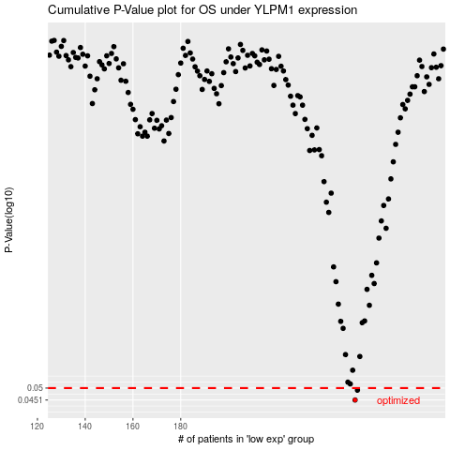

 |  |  |  |  |  | cases_OS | p_OS | rank | exp
 |  |  |  |  |  | 253 | 0.0451 | 254 | 0.164330132
 |  |  |  |  |  | 254 | 0.0491 | 355 | 0.16546953057
 |  |  |  |  |  |  | cases_RFS | p_RFS | rank | exp
 |  |  |  |  |  |  | 252 | 0.0451 | 397 | 0.16182503789
 |  |  |  |  |  |  | 253 | 0.0491 | 254 | 0.164330132

