YME1L1 _multivariate
Reported by Tex Li-Hsing Chi. tex@gate.sinica.edu.tw 2019-08-14

Table 2. The clinicopathological features of HNSCC cohort and YME1L1 expression. (Chi square test)
Cutoff at -0.058 (50.0%)
 |  | YME1L1 expression |  | YME1L1 expression |  | (Optimised)
 | Features | Low | (%) | High | (%) | Case no | P-value | Remark | Matthews
Gender | Female | 161 | 38.8 | 145 | 34.9 | 415 | 0.0792 | 0 | 0
2 | Male | 46 | 11.1 | 63 | 15.2
Age at diagnosis | <=65y | 142 | 34.2 | 132 | 31.8 | 415 | 0.3167 | 0 | 0
4 | >65y | 65 | 15.7 | 76 | 18.3
Clinical T Status | T1+T2 | 75 | 18.1 | 74 | 17.8 | 415 | 0.9707 | 0 | 0
6 | T3+T4 | 132 | 31.8 | 134 | 32.3
Clinical N Status | N0 | 112 | 27 | 104 | 25.1 | 415 | 0.4599 | 0 | 0
8 | N1-3 | 95 | 22.9 | 104 | 25.1
Clinical M Status | M0 | 206 | 49.6 | 206 | 49.6 | 415 | 1 | 0 | 0
10 | M1 | 1 | 0.2 | 2 | 0.5
Clinical Stage | Stage I+II | 52 | 12.5 | 50 | 12 | 415 | 0.8871 | 0 | 0
12 | Stage III+IV | 155 | 37.3 | 158 | 38.1
Surgical Margin status | Negative | 154 | 37.1 | 164 | 39.5 | 415 | 0.2984 | 0 | 0
14 | Positive | 53 | 12.8 | 44 | 10.6
Tobacco Exposure | Low | 90 | 21.7 | 71 | 17.1 | 415 | 0.0559 | 0 | 0
16 | High | 117 | 28.2 | 137 | 33

Table 3. Univariate/Multivariate Cox's proportional hazards regression analyses on OS time of YME1L1 gene expression in HNSCC

 |  | Univariate |  |  |  | Multivariate
 | Features | HR | CI95%(L) | CI95%(H) | P-value | HR | CI95%(L) | CI95%(H) | P-value
1 | Female | 1 |  |  |  | 1
Gender | Male | 1.157 | 0.843 | 1.587 | 0.367 | 1.174 | 0.838 | 1.644 | 0.351
11 | <=65y | 1 |  |  |  | 1
Age at diagnosis | >65y | 1.329 | 0.99 | 1.784 | 0.058 | 1.376 | 1.012 | 1.871 | 0.042
12 | T1+T2 | 1 |  |  |  | 1
Clinical T Status | T3+T4 | 1.409 | 1.028 | 1.931 | 0.033 | 2.245 | 1.186 | 4.249 | 0.013
13 | N0 | 1 |  |  |  | 1
Clinical N Status | N1-3 | 1.185 | 0.89 | 1.577 | 0.246 | 1.238 | 0.867 | 1.766 | 0.24
14 | M0 | 1 |  |  |  | 1
Clinical M Status | M1 | 4.097 | 1.009 | 16.644 | 0.049 | 9.384 | 2.047 | 43.013 | 0.004
15 | Stage I+II | 1 |  |  |  | 1
Clinical Stage | Stage III+IV | 1.245 | 0.882 | 1.759 | 0.213 | 0.498 | 0.232 | 1.07 | 0.074
16 | Negative | 1 |  |  |  | 1
Surgical Margin status | Positive | 1.591 | 1.155 | 2.191 | 0.004 | 1.709 | 1.233 | 2.37 | 0.001
17 | Low | 1 |  |  |  | 1
Tobacco Exposure | High | 1.364 | 1.008 | 1.844 | 0.044 | 1.408 | 1.017 | 1.95 | 0.039
18 | Low | 1 |  |  |  | 1
RNAseq(z-score) | High | 1.179 | 0.883 | 1.574 | 0.265 | 1.166 | 0.865 | 1.573 | 0.314

Table 4. Univariate/Multivariate Cox's proportional hazards regression analyses on RFS time of YME1L1 gene expression in HNSCC

 |  | Univariate |  |  |  | Multivariate
 | Features | HR | CI95%(L) | CI95%(H) | P-value | HR | CI95%(L) | CI95%(H) | P-value
1 | Female | 1 |  |  |  | 1
Gender | Male | 1.157 | 0.843 | 1.587 | 0.367 | 1.174 | 0.838 | 1.644 | 0.351
11 | <=65y | 1 |  |  |  | 1
Age at diagnosis | >65y | 1.329 | 0.99 | 1.784 | 0.058 | 1.376 | 1.012 | 1.871 | 0.042
12 | T1+T2 | 1 |  |  |  | 1
Clinical T Status | T3+T4 | 1.409 | 1.028 | 1.931 | 0.033 | 2.245 | 1.186 | 4.249 | 0.013
13 | N0 | 1 |  |  |  | 1
Clinical N Status | N1-3 | 1.185 | 0.89 | 1.577 | 0.246 | 1.238 | 0.867 | 1.766 | 0.24
14 | M0 | 1 |  |  |  | 1
Clinical M Status | M1 | 4.097 | 1.009 | 16.644 | 0.049 | 9.384 | 2.047 | 43.013 | 0.004
15 | Stage I+II | 1 |  |  |  | 1
Clinical Stage | Stage III+IV | 1.245 | 0.882 | 1.759 | 0.213 | 0.498 | 0.232 | 1.07 | 0.074
16 | Negative | 1 |  |  |  | 1
Surgical Margin status | Positive | 1.591 | 1.155 | 2.191 | 0.004 | 1.709 | 1.233 | 2.37 | 0.001
17 | Low | 1 |  |  |  | 1
Tobacco Exposure | High | 1.364 | 1.008 | 1.844 | 0.044 | 1.408 | 1.017 | 1.95 | 0.039
18 | Low | 1 |  |  |  | 1
RNAseq(z-score) | High | 1.179 | 0.883 | 1.574 | 0.265 | 1.166 | 0.865 | 1.573 | 0.314

Kaplan-Meier survival estimate: Cutoff at -0.058 (50.0%)



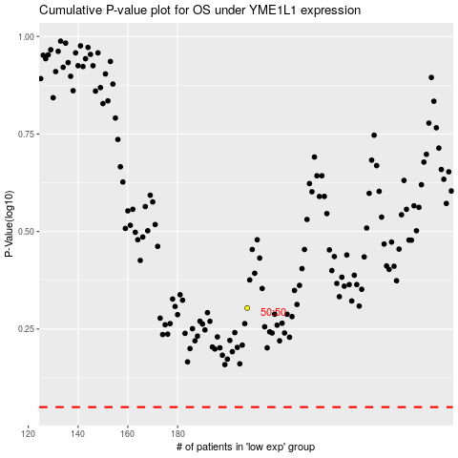

 |  |  |  |  |  | cases_OS | p_OS | rank | exp
 |  |  |  |  |  |  | cases_RFS | p_RFS | rank | exp

