YOD1 _multivariate
Reported by Tex Li-Hsing Chi. tex@gate.sinica.edu.tw 2019-08-14

Table 2. The clinicopathological features of HNSCC cohort and YOD1 expression. (Chi square test)
Cutoff at -0.298 (50.0%)
 |  | YOD1 expression |  | YOD1 expression |  | (Optimised)
 | Features | Low | (%) | High | (%) | Case no | P-value | Remark | Matthews
Gender | Female | 162 | 39 | 144 | 34.7 | 415 | 0.0479 | 1 | 0
2 | Male | 45 | 10.8 | 64 | 15.4
Age at diagnosis | <=65y | 140 | 33.7 | 134 | 32.3 | 415 | 0.5574 | 0 | 0
4 | >65y | 67 | 16.1 | 74 | 17.8
Clinical T Status | T1+T2 | 83 | 20 | 66 | 15.9 | 415 | 0.0941 | 0 | 0
6 | T3+T4 | 124 | 29.9 | 142 | 34.2
Clinical N Status | N0 | 104 | 25.1 | 112 | 27 | 415 | 0.5243 | 0 | 0
8 | N1-3 | 103 | 24.8 | 96 | 23.1
Clinical M Status | M0 | 205 | 49.4 | 207 | 49.9 | 415 | 0.6232 | 0 | 0
10 | M1 | 2 | 0.5 | 1 | 0.2
Clinical Stage | Stage I+II | 56 | 13.5 | 46 | 11.1 | 415 | 0.2918 | 0 | 0
12 | Stage III+IV | 151 | 36.4 | 162 | 39
Surgical Margin status | Negative | 160 | 38.6 | 158 | 38.1 | 415 | 0.8167 | 0 | 0
14 | Positive | 47 | 11.3 | 50 | 12
Tobacco Exposure | Low | 79 | 19 | 82 | 19.8 | 415 | 0.8405 | 0 | 0
16 | High | 128 | 30.8 | 126 | 30.4

Table 3. Univariate/Multivariate Cox's proportional hazards regression analyses on OS time of YOD1 gene expression in HNSCC

 |  | Univariate |  |  |  | Multivariate
 | Features | HR | CI95%(L) | CI95%(H) | P-value | HR | CI95%(L) | CI95%(H) | P-value
1 | Female | 1 |  |  |  | 1
Gender | Male | 1.157 | 0.843 | 1.587 | 0.367 | 1.223 | 0.873 | 1.715 | 0.242
11 | <=65y | 1 |  |  |  | 1
Age at diagnosis | >65y | 1.329 | 0.99 | 1.784 | 0.058 | 1.397 | 1.027 | 1.901 | 0.033
12 | T1+T2 | 1 |  |  |  | 1
Clinical T Status | T3+T4 | 1.409 | 1.028 | 1.931 | 0.033 | 2.205 | 1.166 | 4.169 | 0.015
13 | N0 | 1 |  |  |  | 1
Clinical N Status | N1-3 | 1.185 | 0.89 | 1.577 | 0.246 | 1.231 | 0.862 | 1.758 | 0.254
14 | M0 | 1 |  |  |  | 1
Clinical M Status | M1 | 4.097 | 1.009 | 16.644 | 0.049 | 9.343 | 2.038 | 42.827 | 0.004
15 | Stage I+II | 1 |  |  |  | 1
Clinical Stage | Stage III+IV | 1.245 | 0.882 | 1.759 | 0.213 | 0.512 | 0.238 | 1.1 | 0.086
16 | Negative | 1 |  |  |  | 1
Surgical Margin status | Positive | 1.591 | 1.155 | 2.191 | 0.004 | 1.679 | 1.215 | 2.321 | 0.002
17 | Low | 1 |  |  |  | 1
Tobacco Exposure | High | 1.364 | 1.008 | 1.844 | 0.044 | 1.452 | 1.054 | 2.001 | 0.023
18 | Low | 1 |  |  |  | 1
RNAseq(z-score) | High | 0.957 | 0.719 | 1.275 | 0.766 | 0.897 | 0.67 | 1.201 | 0.467

Table 4. Univariate/Multivariate Cox's proportional hazards regression analyses on RFS time of YOD1 gene expression in HNSCC

 |  | Univariate |  |  |  | Multivariate
 | Features | HR | CI95%(L) | CI95%(H) | P-value | HR | CI95%(L) | CI95%(H) | P-value
1 | Female | 1 |  |  |  | 1
Gender | Male | 1.157 | 0.843 | 1.587 | 0.367 | 1.223 | 0.873 | 1.715 | 0.242
11 | <=65y | 1 |  |  |  | 1
Age at diagnosis | >65y | 1.329 | 0.99 | 1.784 | 0.058 | 1.397 | 1.027 | 1.901 | 0.033
12 | T1+T2 | 1 |  |  |  | 1
Clinical T Status | T3+T4 | 1.409 | 1.028 | 1.931 | 0.033 | 2.205 | 1.166 | 4.169 | 0.015
13 | N0 | 1 |  |  |  | 1
Clinical N Status | N1-3 | 1.185 | 0.89 | 1.577 | 0.246 | 1.231 | 0.862 | 1.758 | 0.254
14 | M0 | 1 |  |  |  | 1
Clinical M Status | M1 | 4.097 | 1.009 | 16.644 | 0.049 | 9.343 | 2.038 | 42.827 | 0.004
15 | Stage I+II | 1 |  |  |  | 1
Clinical Stage | Stage III+IV | 1.245 | 0.882 | 1.759 | 0.213 | 0.512 | 0.238 | 1.1 | 0.086
16 | Negative | 1 |  |  |  | 1
Surgical Margin status | Positive | 1.591 | 1.155 | 2.191 | 0.004 | 1.679 | 1.215 | 2.321 | 0.002
17 | Low | 1 |  |  |  | 1
Tobacco Exposure | High | 1.364 | 1.008 | 1.844 | 0.044 | 1.452 | 1.054 | 2.001 | 0.023
18 | Low | 1 |  |  |  | 1
RNAseq(z-score) | High | 0.957 | 0.719 | 1.275 | 0.766 | 0.897 | 0.67 | 1.201 | 0.467

Kaplan-Meier survival estimate: Cutoff at -0.298 (50.0%)



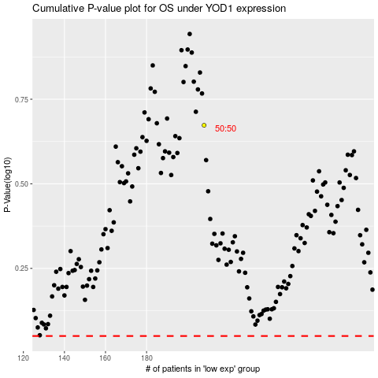

 |  |  |  |  |  | cases_OS | p_OS | rank | exp
 |  |  |  |  |  |  | cases_RFS | p_RFS | rank | exp

