YPEL4 _multivariate
Reported by Tex Li-Hsing Chi. tex@gate.sinica.edu.tw 2019-08-14

Table 2. The clinicopathological features of HNSCC cohort and YPEL4 expression. (Chi square test)
Cutoff at -0.257 (50.0%)
 |  | YPEL4 expression |  | YPEL4 expression |  | (Optimised)
 | Features | Low | (%) | High | (%) | Case no | P-value | Remark | Matthews
Gender | Female | 147 | 35.4 | 159 | 38.3 | 415 | 0.2523 | 0 | 0
2 | Male | 60 | 14.5 | 49 | 11.8
Age at diagnosis | <=65y | 134 | 32.3 | 140 | 33.7 | 415 | 0.6529 | 0 | 0
4 | >65y | 73 | 17.6 | 68 | 16.4
Clinical T Status | T1+T2 | 88 | 21.2 | 61 | 14.7 | 415 | 0.007 | 1 | 0
6 | T3+T4 | 119 | 28.7 | 147 | 35.4
Clinical N Status | N0 | 117 | 28.2 | 99 | 23.9 | 415 | 0.0852 | 1 | 0
8 | N1-3 | 90 | 21.7 | 109 | 26.3
Clinical M Status | M0 | 205 | 49.4 | 207 | 49.9 | 415 | 0.6232 | 0 | 0
10 | M1 | 2 | 0.5 | 1 | 0.2
Clinical Stage | Stage I+II | 63 | 15.2 | 39 | 9.4 | 415 | 0.008 | 1 | 0
12 | Stage III+IV | 144 | 34.7 | 169 | 40.7
Surgical Margin status | Negative | 158 | 38.1 | 160 | 38.6 | 415 | 0.9081 | 0 | 0
14 | Positive | 49 | 11.8 | 48 | 11.6
Tobacco Exposure | Low | 89 | 21.4 | 72 | 17.3 | 415 | 0.0872 | 0 | 0
16 | High | 118 | 28.4 | 136 | 32.8

Table 3. Univariate/Multivariate Cox's proportional hazards regression analyses on OS time of YPEL4 gene expression in HNSCC

 |  | Univariate |  |  |  | Multivariate
 | Features | HR | CI95%(L) | CI95%(H) | P-value | HR | CI95%(L) | CI95%(H) | P-value
1 | Female | 1 |  |  |  | 1
Gender | Male | 1.157 | 0.843 | 1.587 | 0.367 | 1.196 | 0.856 | 1.673 | 0.294
11 | <=65y | 1 |  |  |  | 1
Age at diagnosis | >65y | 1.329 | 0.99 | 1.784 | 0.058 | 1.381 | 1.016 | 1.877 | 0.04
12 | T1+T2 | 1 |  |  |  | 1
Clinical T Status | T3+T4 | 1.409 | 1.028 | 1.931 | 0.033 | 2.224 | 1.176 | 4.205 | 0.014
13 | N0 | 1 |  |  |  | 1
Clinical N Status | N1-3 | 1.185 | 0.89 | 1.577 | 0.246 | 1.233 | 0.864 | 1.758 | 0.249
14 | M0 | 1 |  |  |  | 1
Clinical M Status | M1 | 4.097 | 1.009 | 16.644 | 0.049 | 9.334 | 2.036 | 42.787 | 0.004
15 | Stage I+II | 1 |  |  |  | 1
Clinical Stage | Stage III+IV | 1.245 | 0.882 | 1.759 | 0.213 | 0.511 | 0.238 | 1.097 | 0.085
16 | Negative | 1 |  |  |  | 1
Surgical Margin status | Positive | 1.591 | 1.155 | 2.191 | 0.004 | 1.674 | 1.212 | 2.313 | 0.002
17 | Low | 1 |  |  |  | 1
Tobacco Exposure | High | 1.364 | 1.008 | 1.844 | 0.044 | 1.459 | 1.058 | 2.011 | 0.021
18 | Low | 1 |  |  |  | 1
RNAseq(z-score) | High | 0.889 | 0.668 | 1.184 | 0.422 | 0.873 | 0.653 | 1.167 | 0.359

Table 4. Univariate/Multivariate Cox's proportional hazards regression analyses on RFS time of YPEL4 gene expression in HNSCC

 |  | Univariate |  |  |  | Multivariate
 | Features | HR | CI95%(L) | CI95%(H) | P-value | HR | CI95%(L) | CI95%(H) | P-value
1 | Female | 1 |  |  |  | 1
Gender | Male | 1.157 | 0.843 | 1.587 | 0.367 | 1.196 | 0.856 | 1.673 | 0.294
11 | <=65y | 1 |  |  |  | 1
Age at diagnosis | >65y | 1.329 | 0.99 | 1.784 | 0.058 | 1.381 | 1.016 | 1.877 | 0.04
12 | T1+T2 | 1 |  |  |  | 1
Clinical T Status | T3+T4 | 1.409 | 1.028 | 1.931 | 0.033 | 2.224 | 1.176 | 4.205 | 0.014
13 | N0 | 1 |  |  |  | 1
Clinical N Status | N1-3 | 1.185 | 0.89 | 1.577 | 0.246 | 1.233 | 0.864 | 1.758 | 0.249
14 | M0 | 1 |  |  |  | 1
Clinical M Status | M1 | 4.097 | 1.009 | 16.644 | 0.049 | 9.334 | 2.036 | 42.787 | 0.004
15 | Stage I+II | 1 |  |  |  | 1
Clinical Stage | Stage III+IV | 1.245 | 0.882 | 1.759 | 0.213 | 0.511 | 0.238 | 1.097 | 0.085
16 | Negative | 1 |  |  |  | 1
Surgical Margin status | Positive | 1.591 | 1.155 | 2.191 | 0.004 | 1.674 | 1.212 | 2.313 | 0.002
17 | Low | 1 |  |  |  | 1
Tobacco Exposure | High | 1.364 | 1.008 | 1.844 | 0.044 | 1.459 | 1.058 | 2.011 | 0.021
18 | Low | 1 |  |  |  | 1
RNAseq(z-score) | High | 0.889 | 0.668 | 1.184 | 0.422 | 0.873 | 0.653 | 1.167 | 0.359

Kaplan-Meier survival estimate: Cutoff at -0.257 (50.0%)



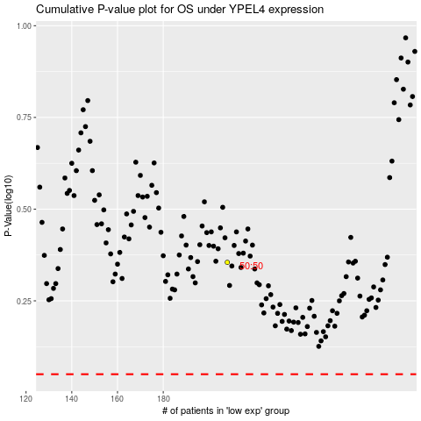

 |  |  |  |  |  | cases_OS | p_OS | rank | exp
 |  |  |  |  |  |  | cases_RFS | p_RFS | rank | exp

