YPEL5 _multivariate
Reported by Tex Li-Hsing Chi. tex@gate.sinica.edu.tw 2019-08-14

Table 2. The clinicopathological features of HNSCC cohort and YPEL5 expression. (Chi square test)
Cutoff at -0.141 (50.0%)
 |  | YPEL5 expression |  | YPEL5 expression |  | (Optimised)
 | Features | Low | (%) | High | (%) | Case no | P-value | Remark | Matthews
Gender | Female | 155 | 37.3 | 151 | 36.4 | 415 | 0.6768 | 0 | 0
2 | Male | 52 | 12.5 | 57 | 13.7
Age at diagnosis | <=65y | 138 | 33.3 | 136 | 32.8 | 415 | 0.8634 | 0 | 0
4 | >65y | 69 | 16.6 | 72 | 17.3
Clinical T Status | T1+T2 | 74 | 17.8 | 75 | 18.1 | 415 | 1 | 0 | 0
6 | T3+T4 | 133 | 32 | 133 | 32
Clinical N Status | N0 | 108 | 26 | 108 | 26 | 415 | 1 | 0 | 0
8 | N1-3 | 99 | 23.9 | 100 | 24.1
Clinical M Status | M0 | 206 | 49.6 | 206 | 49.6 | 415 | 1 | 0 | 0
10 | M1 | 1 | 0.2 | 2 | 0.5
Clinical Stage | Stage I+II | 50 | 12 | 52 | 12.5 | 415 | 0.9315 | 0 | 0
12 | Stage III+IV | 157 | 37.8 | 156 | 37.6
Surgical Margin status | Negative | 164 | 39.5 | 154 | 37.1 | 415 | 0.2462 | 0 | 0
14 | Positive | 43 | 10.4 | 54 | 13
Tobacco Exposure | Low | 73 | 17.6 | 88 | 21.2 | 415 | 0.1587 | 0 | 0
16 | High | 134 | 32.3 | 120 | 28.9

Table 3. Univariate/Multivariate Cox's proportional hazards regression analyses on OS time of YPEL5 gene expression in HNSCC

 |  | Univariate |  |  |  | Multivariate
 | Features | HR | CI95%(L) | CI95%(H) | P-value | HR | CI95%(L) | CI95%(H) | P-value
1 | Female | 1 |  |  |  | 1
Gender | Male | 1.157 | 0.843 | 1.587 | 0.367 | 1.212 | 0.868 | 1.692 | 0.258
11 | <=65y | 1 |  |  |  | 1
Age at diagnosis | >65y | 1.329 | 0.99 | 1.784 | 0.058 | 1.409 | 1.036 | 1.917 | 0.029
12 | T1+T2 | 1 |  |  |  | 1
Clinical T Status | T3+T4 | 1.409 | 1.028 | 1.931 | 0.033 | 2.21 | 1.169 | 4.181 | 0.015
13 | N0 | 1 |  |  |  | 1
Clinical N Status | N1-3 | 1.185 | 0.89 | 1.577 | 0.246 | 1.243 | 0.872 | 1.774 | 0.229
14 | M0 | 1 |  |  |  | 1
Clinical M Status | M1 | 4.097 | 1.009 | 16.644 | 0.049 | 9.005 | 1.961 | 41.36 | 0.005
15 | Stage I+II | 1 |  |  |  | 1
Clinical Stage | Stage III+IV | 1.245 | 0.882 | 1.759 | 0.213 | 0.504 | 0.235 | 1.081 | 0.078
16 | Negative | 1 |  |  |  | 1
Surgical Margin status | Positive | 1.591 | 1.155 | 2.191 | 0.004 | 1.669 | 1.207 | 2.307 | 0.002
17 | Low | 1 |  |  |  | 1
Tobacco Exposure | High | 1.364 | 1.008 | 1.844 | 0.044 | 1.488 | 1.077 | 2.056 | 0.016
18 | Low | 1 |  |  |  | 1
RNAseq(z-score) | High | 1.125 | 0.845 | 1.499 | 0.42 | 1.194 | 0.894 | 1.596 | 0.23

Table 4. Univariate/Multivariate Cox's proportional hazards regression analyses on RFS time of YPEL5 gene expression in HNSCC

 |  | Univariate |  |  |  | Multivariate
 | Features | HR | CI95%(L) | CI95%(H) | P-value | HR | CI95%(L) | CI95%(H) | P-value
1 | Female | 1 |  |  |  | 1
Gender | Male | 1.157 | 0.843 | 1.587 | 0.367 | 1.212 | 0.868 | 1.692 | 0.258
11 | <=65y | 1 |  |  |  | 1
Age at diagnosis | >65y | 1.329 | 0.99 | 1.784 | 0.058 | 1.409 | 1.036 | 1.917 | 0.029
12 | T1+T2 | 1 |  |  |  | 1
Clinical T Status | T3+T4 | 1.409 | 1.028 | 1.931 | 0.033 | 2.21 | 1.169 | 4.181 | 0.015
13 | N0 | 1 |  |  |  | 1
Clinical N Status | N1-3 | 1.185 | 0.89 | 1.577 | 0.246 | 1.243 | 0.872 | 1.774 | 0.229
14 | M0 | 1 |  |  |  | 1
Clinical M Status | M1 | 4.097 | 1.009 | 16.644 | 0.049 | 9.005 | 1.961 | 41.36 | 0.005
15 | Stage I+II | 1 |  |  |  | 1
Clinical Stage | Stage III+IV | 1.245 | 0.882 | 1.759 | 0.213 | 0.504 | 0.235 | 1.081 | 0.078
16 | Negative | 1 |  |  |  | 1
Surgical Margin status | Positive | 1.591 | 1.155 | 2.191 | 0.004 | 1.669 | 1.207 | 2.307 | 0.002
17 | Low | 1 |  |  |  | 1
Tobacco Exposure | High | 1.364 | 1.008 | 1.844 | 0.044 | 1.488 | 1.077 | 2.056 | 0.016
18 | Low | 1 |  |  |  | 1
RNAseq(z-score) | High | 1.125 | 0.845 | 1.499 | 0.42 | 1.194 | 0.894 | 1.596 | 0.23

Kaplan-Meier survival estimate: Cutoff at -0.141 (50.0%)



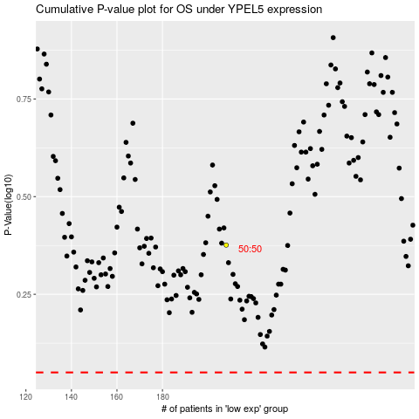

 |  |  |  |  |  | cases_OS | p_OS | rank | exp
 |  |  |  |  |  |  | cases_RFS | p_RFS | rank | exp

