YTHDC1 _multivariate
Reported by Tex Li-Hsing Chi. tex@gate.sinica.edu.tw 2019-08-14

Table 2. The clinicopathological features of HNSCC cohort and YTHDC1 expression. (Chi square test)
Cutoff at -0.215 (50.0%)
 |  | YTHDC1 expression |  | YTHDC1 expression |  | (Optimised)
 | Features | Low | (%) | High | (%) | Case no | P-value | Remark | Matthews
Gender | Female | 148 | 35.7 | 158 | 38.1 | 415 | 0.3567 | 0 | 0
2 | Male | 59 | 14.2 | 50 | 12
Age at diagnosis | <=65y | 133 | 32 | 141 | 34 | 415 | 0.5111 | 0 | 0
4 | >65y | 74 | 17.8 | 67 | 16.1
Clinical T Status | T1+T2 | 73 | 17.6 | 76 | 18.3 | 415 | 0.8666 | 0 | 0
6 | T3+T4 | 134 | 32.3 | 132 | 31.8
Clinical N Status | N0 | 109 | 26.3 | 107 | 25.8 | 415 | 0.8812 | 0 | 0
8 | N1-3 | 98 | 23.6 | 101 | 24.3
Clinical M Status | M0 | 206 | 49.6 | 206 | 49.6 | 415 | 1 | 0 | 0
10 | M1 | 1 | 0.2 | 2 | 0.5
Clinical Stage | Stage I+II | 54 | 13 | 48 | 11.6 | 415 | 0.5498 | 0 | 0
12 | Stage III+IV | 153 | 36.9 | 160 | 38.6
Surgical Margin status | Negative | 162 | 39 | 156 | 37.6 | 415 | 0.4867 | 0 | 0
14 | Positive | 45 | 10.8 | 52 | 12.5
Tobacco Exposure | Low | 87 | 21 | 74 | 17.8 | 415 | 0.1911 | 0 | 0
16 | High | 120 | 28.9 | 134 | 32.3

Table 3. Univariate/Multivariate Cox's proportional hazards regression analyses on OS time of YTHDC1 gene expression in HNSCC

 |  | Univariate |  |  |  | Multivariate
 | Features | HR | CI95%(L) | CI95%(H) | P-value | HR | CI95%(L) | CI95%(H) | P-value
1 | Female | 1 |  |  |  | 1
Gender | Male | 1.157 | 0.843 | 1.587 | 0.367 | 1.19 | 0.852 | 1.663 | 0.308
11 | <=65y | 1 |  |  |  | 1
Age at diagnosis | >65y | 1.329 | 0.99 | 1.784 | 0.058 | 1.39 | 1.023 | 1.888 | 0.035
12 | T1+T2 | 1 |  |  |  | 1
Clinical T Status | T3+T4 | 1.409 | 1.028 | 1.931 | 0.033 | 2.176 | 1.15 | 4.117 | 0.017
13 | N0 | 1 |  |  |  | 1
Clinical N Status | N1-3 | 1.185 | 0.89 | 1.577 | 0.246 | 1.229 | 0.861 | 1.753 | 0.257
14 | M0 | 1 |  |  |  | 1
Clinical M Status | M1 | 4.097 | 1.009 | 16.644 | 0.049 | 9.387 | 2.048 | 43.027 | 0.004
15 | Stage I+II | 1 |  |  |  | 1
Clinical Stage | Stage III+IV | 1.245 | 0.882 | 1.759 | 0.213 | 0.518 | 0.241 | 1.113 | 0.092
16 | Negative | 1 |  |  |  | 1
Surgical Margin status | Positive | 1.591 | 1.155 | 2.191 | 0.004 | 1.682 | 1.217 | 2.325 | 0.002
17 | Low | 1 |  |  |  | 1
Tobacco Exposure | High | 1.364 | 1.008 | 1.844 | 0.044 | 1.453 | 1.055 | 2.002 | 0.022
18 | Low | 1 |  |  |  | 1
RNAseq(z-score) | High | 0.885 | 0.664 | 1.179 | 0.404 | 0.879 | 0.658 | 1.175 | 0.384

Table 4. Univariate/Multivariate Cox's proportional hazards regression analyses on RFS time of YTHDC1 gene expression in HNSCC

 |  | Univariate |  |  |  | Multivariate
 | Features | HR | CI95%(L) | CI95%(H) | P-value | HR | CI95%(L) | CI95%(H) | P-value
1 | Female | 1 |  |  |  | 1
Gender | Male | 1.157 | 0.843 | 1.587 | 0.367 | 1.19 | 0.852 | 1.663 | 0.308
11 | <=65y | 1 |  |  |  | 1
Age at diagnosis | >65y | 1.329 | 0.99 | 1.784 | 0.058 | 1.39 | 1.023 | 1.888 | 0.035
12 | T1+T2 | 1 |  |  |  | 1
Clinical T Status | T3+T4 | 1.409 | 1.028 | 1.931 | 0.033 | 2.176 | 1.15 | 4.117 | 0.017
13 | N0 | 1 |  |  |  | 1
Clinical N Status | N1-3 | 1.185 | 0.89 | 1.577 | 0.246 | 1.229 | 0.861 | 1.753 | 0.257
14 | M0 | 1 |  |  |  | 1
Clinical M Status | M1 | 4.097 | 1.009 | 16.644 | 0.049 | 9.387 | 2.048 | 43.027 | 0.004
15 | Stage I+II | 1 |  |  |  | 1
Clinical Stage | Stage III+IV | 1.245 | 0.882 | 1.759 | 0.213 | 0.518 | 0.241 | 1.113 | 0.092
16 | Negative | 1 |  |  |  | 1
Surgical Margin status | Positive | 1.591 | 1.155 | 2.191 | 0.004 | 1.682 | 1.217 | 2.325 | 0.002
17 | Low | 1 |  |  |  | 1
Tobacco Exposure | High | 1.364 | 1.008 | 1.844 | 0.044 | 1.453 | 1.055 | 2.002 | 0.022
18 | Low | 1 |  |  |  | 1
RNAseq(z-score) | High | 0.885 | 0.664 | 1.179 | 0.404 | 0.879 | 0.658 | 1.175 | 0.384

Kaplan-Meier survival estimate: Cutoff at -0.215 (50.0%)



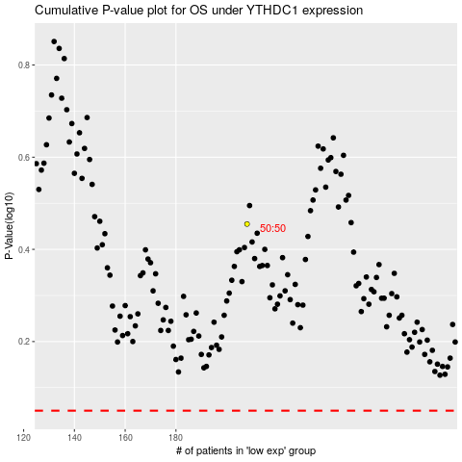

 |  |  |  |  |  | cases_OS | p_OS | rank | exp
 |  |  |  |  |  |  | cases_RFS | p_RFS | rank | exp

