YWHAH _multivariate
Reported by Tex Li-Hsing Chi. tex@gate.sinica.edu.tw 2019-08-14

Table 2. The clinicopathological features of HNSCC cohort and YWHAH expression. (Chi square test)
Cutoff at -0.304 (37.0%)
 |  | YWHAH expression |  | YWHAH expression |  | (Optimised)
 | Features | Low | (%) | High | (%) | Case no | P-value | Remark | Matthews
Gender | Female | 118 | 28.4 | 188 | 45.3 | 415 | 0.2787 | 0 | 0
2 | Male | 35 | 8.4 | 74 | 17.8
Age at diagnosis | <=65y | 105 | 25.3 | 169 | 40.7 | 415 | 0.4543 | 0 | 0
4 | >65y | 48 | 11.6 | 93 | 22.4
Clinical T Status | T1+T2 | 54 | 13 | 95 | 22.9 | 415 | 0.9269 | 0 | 0
6 | T3+T4 | 99 | 23.9 | 167 | 40.2
Clinical N Status | N0 | 85 | 20.5 | 131 | 31.6 | 415 | 0.3216 | 0 | 0
8 | N1-3 | 68 | 16.4 | 131 | 31.6
Clinical M Status | M0 | 153 | 36.9 | 259 | 62.4 | 415 | 0.3001 | 0 | 0
10 | M1 | 0 | 0 | 3 | 0.7
Clinical Stage | Stage I+II | 40 | 9.6 | 62 | 14.9 | 415 | 0.6542 | 0 | 0
12 | Stage III+IV | 113 | 27.2 | 200 | 48.2
Surgical Margin status | Negative | 116 | 28 | 202 | 48.7 | 415 | 0.8103 | 0 | 0
14 | Positive | 37 | 8.9 | 60 | 14.5
Tobacco Exposure | Low | 62 | 14.9 | 99 | 23.9 | 415 | 0.6026 | 0 | 0
16 | High | 91 | 21.9 | 163 | 39.3

Table 3. Univariate/Multivariate Cox's proportional hazards regression analyses on OS time of YWHAH gene expression in HNSCC

 |  | Univariate |  |  |  | Multivariate
 | Features | HR | CI95%(L) | CI95%(H) | P-value | HR | CI95%(L) | CI95%(H) | P-value
1 | Female | 1 |  |  |  | 1
Gender | Male | 1.157 | 0.843 | 1.587 | 0.367 | 1.163 | 0.831 | 1.628 | 0.38
11 | <=65y | 1 |  |  |  | 1
Age at diagnosis | >65y | 1.329 | 0.99 | 1.784 | 0.058 | 1.38 | 1.015 | 1.876 | 0.04
12 | T1+T2 | 1 |  |  |  | 1
Clinical T Status | T3+T4 | 1.409 | 1.028 | 1.931 | 0.033 | 2.225 | 1.178 | 4.203 | 0.014
13 | N0 | 1 |  |  |  | 1
Clinical N Status | N1-3 | 1.185 | 0.89 | 1.577 | 0.246 | 1.266 | 0.886 | 1.807 | 0.195
14 | M0 | 1 |  |  |  | 1
Clinical M Status | M1 | 4.097 | 1.009 | 16.644 | 0.049 | 8.573 | 1.864 | 39.434 | 0.006
15 | Stage I+II | 1 |  |  |  | 1
Clinical Stage | Stage III+IV | 1.245 | 0.882 | 1.759 | 0.213 | 0.493 | 0.23 | 1.059 | 0.07
16 | Negative | 1 |  |  |  | 1
Surgical Margin status | Positive | 1.591 | 1.155 | 2.191 | 0.004 | 1.638 | 1.185 | 2.264 | 0.003
17 | Low | 1 |  |  |  | 1
Tobacco Exposure | High | 1.364 | 1.008 | 1.844 | 0.044 | 1.419 | 1.029 | 1.958 | 0.033
18 | Low | 1 |  |  |  | 1
RNAseq(z-score) | High | 1.367 | 0.999 | 1.87 | 0.051 | 1.275 | 0.927 | 1.752 | 0.135

Table 4. Univariate/Multivariate Cox's proportional hazards regression analyses on RFS time of YWHAH gene expression in HNSCC

 |  | Univariate |  |  |  | Multivariate
 | Features | HR | CI95%(L) | CI95%(H) | P-value | HR | CI95%(L) | CI95%(H) | P-value
1 | Female | 1 |  |  |  | 1
Gender | Male | 1.157 | 0.843 | 1.587 | 0.367 | 1.163 | 0.831 | 1.628 | 0.38
11 | <=65y | 1 |  |  |  | 1
Age at diagnosis | >65y | 1.329 | 0.99 | 1.784 | 0.058 | 1.38 | 1.015 | 1.876 | 0.04
12 | T1+T2 | 1 |  |  |  | 1
Clinical T Status | T3+T4 | 1.409 | 1.028 | 1.931 | 0.033 | 2.225 | 1.178 | 4.203 | 0.014
13 | N0 | 1 |  |  |  | 1
Clinical N Status | N1-3 | 1.185 | 0.89 | 1.577 | 0.246 | 1.266 | 0.886 | 1.807 | 0.195
14 | M0 | 1 |  |  |  | 1
Clinical M Status | M1 | 4.097 | 1.009 | 16.644 | 0.049 | 8.573 | 1.864 | 39.434 | 0.006
15 | Stage I+II | 1 |  |  |  | 1
Clinical Stage | Stage III+IV | 1.245 | 0.882 | 1.759 | 0.213 | 0.493 | 0.23 | 1.059 | 0.07
16 | Negative | 1 |  |  |  | 1
Surgical Margin status | Positive | 1.591 | 1.155 | 2.191 | 0.004 | 1.638 | 1.185 | 2.264 | 0.003
17 | Low | 1 |  |  |  | 1
Tobacco Exposure | High | 1.364 | 1.008 | 1.844 | 0.044 | 1.419 | 1.029 | 1.958 | 0.033
18 | Low | 1 |  |  |  | 1
RNAseq(z-score) | High | 1.367 | 0.999 | 1.87 | 0.051 | 1.275 | 0.927 | 1.752 | 0.135

Kaplan-Meier survival estimate: Cutoff at -0.304 (37.0%)



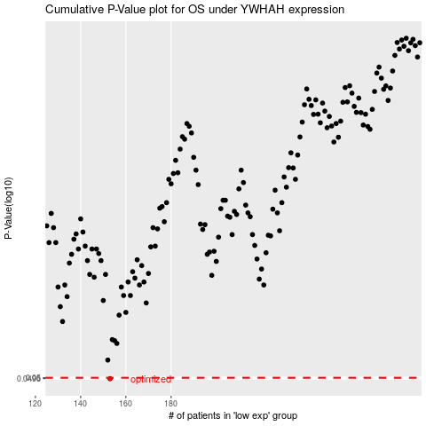

 |  |  |  |  |  | cases_OS | p_OS | rank | exp
 |  |  |  |  |  | 153 | 0.0496 | 247 | -0.30446616042
 |  |  |  |  |  |  | cases_RFS | p_RFS | rank | exp
 |  |  |  |  |  |  | 152 | 0.0496 | 288 | -0.3074701542

