ZAK _multivariate
Reported by Tex Li-Hsing Chi. tex@gate.sinica.edu.tw 2019-08-14

Table 2. The clinicopathological features of HNSCC cohort and ZAK expression. (Chi square test)
Cutoff at -0.114 (53.1%)
 |  | ZAK expression |  | ZAK expression |  | (Optimised)
 | Features | Low | (%) | High | (%) | Case no | P-value | Remark | Matthews
Gender | Female | 165 | 39.8 | 141 | 34 | 415 | 0.6099 | 0 | 0
2 | Male | 55 | 13.3 | 54 | 13
Age at diagnosis | <=65y | 145 | 34.9 | 129 | 31.1 | 415 | 1 | 0 | 0
4 | >65y | 75 | 18.1 | 66 | 15.9
Clinical T Status | T1+T2 | 77 | 18.6 | 72 | 17.3 | 415 | 0.7603 | 0 | 0
6 | T3+T4 | 143 | 34.5 | 123 | 29.6
Clinical N Status | N0 | 116 | 28 | 100 | 24.1 | 415 | 0.8449 | 0 | 0
8 | N1-3 | 104 | 25.1 | 95 | 22.9
Clinical M Status | M0 | 218 | 52.5 | 194 | 46.7 | 415 | 1 | 0 | 0
10 | M1 | 2 | 0.5 | 1 | 0.2
Clinical Stage | Stage I+II | 48 | 11.6 | 54 | 13 | 415 | 0.203 | 0 | 0
12 | Stage III+IV | 172 | 41.4 | 141 | 34
Surgical Margin status | Negative | 172 | 41.4 | 146 | 35.2 | 415 | 0.4858 | 0 | 0
14 | Positive | 48 | 11.6 | 49 | 11.8
Tobacco Exposure | Low | 80 | 19.3 | 81 | 19.5 | 415 | 0.3131 | 0 | 0
16 | High | 140 | 33.7 | 114 | 27.5

Table 3. Univariate/Multivariate Cox's proportional hazards regression analyses on OS time of ZAK gene expression in HNSCC

 |  | Univariate |  |  |  | Multivariate
 | Features | HR | CI95%(L) | CI95%(H) | P-value | HR | CI95%(L) | CI95%(H) | P-value
1 | Female | 1 |  |  |  | 1
Gender | Male | 1.157 | 0.843 | 1.587 | 0.367 | 1.199 | 0.858 | 1.674 | 0.288
11 | <=65y | 1 |  |  |  | 1
Age at diagnosis | >65y | 1.329 | 0.99 | 1.784 | 0.058 | 1.401 | 1.03 | 1.905 | 0.032
12 | T1+T2 | 1 |  |  |  | 1
Clinical T Status | T3+T4 | 1.409 | 1.028 | 1.931 | 0.033 | 2.113 | 1.116 | 3.999 | 0.022
13 | N0 | 1 |  |  |  | 1
Clinical N Status | N1-3 | 1.185 | 0.89 | 1.577 | 0.246 | 1.231 | 0.863 | 1.756 | 0.251
14 | M0 | 1 |  |  |  | 1
Clinical M Status | M1 | 4.097 | 1.009 | 16.644 | 0.049 | 9.124 | 1.99 | 41.825 | 0.004
15 | Stage I+II | 1 |  |  |  | 1
Clinical Stage | Stage III+IV | 1.245 | 0.882 | 1.759 | 0.213 | 0.553 | 0.256 | 1.195 | 0.132
16 | Negative | 1 |  |  |  | 1
Surgical Margin status | Positive | 1.591 | 1.155 | 2.191 | 0.004 | 1.604 | 1.159 | 2.221 | 0.004
17 | Low | 1 |  |  |  | 1
Tobacco Exposure | High | 1.364 | 1.008 | 1.844 | 0.044 | 1.488 | 1.08 | 2.05 | 0.015
18 | Low | 1 |  |  |  | 1
RNAseq(z-score) | High | 1.346 | 1.009 | 1.794 | 0.043 | 1.336 | 0.995 | 1.793 | 0.054

Table 4. Univariate/Multivariate Cox's proportional hazards regression analyses on RFS time of ZAK gene expression in HNSCC

 |  | Univariate |  |  |  | Multivariate
 | Features | HR | CI95%(L) | CI95%(H) | P-value | HR | CI95%(L) | CI95%(H) | P-value
1 | Female | 1 |  |  |  | 1
Gender | Male | 1.157 | 0.843 | 1.587 | 0.367 | 1.199 | 0.858 | 1.674 | 0.288
11 | <=65y | 1 |  |  |  | 1
Age at diagnosis | >65y | 1.329 | 0.99 | 1.784 | 0.058 | 1.401 | 1.03 | 1.905 | 0.032
12 | T1+T2 | 1 |  |  |  | 1
Clinical T Status | T3+T4 | 1.409 | 1.028 | 1.931 | 0.033 | 2.113 | 1.116 | 3.999 | 0.022
13 | N0 | 1 |  |  |  | 1
Clinical N Status | N1-3 | 1.185 | 0.89 | 1.577 | 0.246 | 1.231 | 0.863 | 1.756 | 0.251
14 | M0 | 1 |  |  |  | 1
Clinical M Status | M1 | 4.097 | 1.009 | 16.644 | 0.049 | 9.124 | 1.99 | 41.825 | 0.004
15 | Stage I+II | 1 |  |  |  | 1
Clinical Stage | Stage III+IV | 1.245 | 0.882 | 1.759 | 0.213 | 0.553 | 0.256 | 1.195 | 0.132
16 | Negative | 1 |  |  |  | 1
Surgical Margin status | Positive | 1.591 | 1.155 | 2.191 | 0.004 | 1.604 | 1.159 | 2.221 | 0.004
17 | Low | 1 |  |  |  | 1
Tobacco Exposure | High | 1.364 | 1.008 | 1.844 | 0.044 | 1.488 | 1.08 | 2.05 | 0.015
18 | Low | 1 |  |  |  | 1
RNAseq(z-score) | High | 1.346 | 1.009 | 1.794 | 0.043 | 1.336 | 0.995 | 1.793 | 0.054

Kaplan-Meier survival estimate: Cutoff at -0.114 (53.1%)



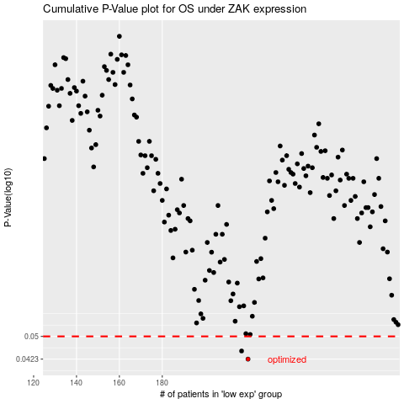

 |  |  |  |  |  | cases_OS | p_OS | rank | exp
 |  |  |  |  |  | 220 | 0.0423 | 215 | -0.11376557201
 |  |  |  |  |  | 217 | 0.0449 | 241 | -0.12419530475
 |  |  |  |  |  |  | cases_RFS | p_RFS | rank | exp
 |  |  |  |  |  |  | 219 | 0.0423 | 350 | -0.11562091194
 |  |  |  |  |  |  | 216 | 0.0449 | 63 | -0.12930816184

