ZBED4 _multivariate
Reported by Tex Li-Hsing Chi. tex@gate.sinica.edu.tw 2019-08-14

Table 2. The clinicopathological features of HNSCC cohort and ZBED4 expression. (Chi square test)
Cutoff at -0.098 (49.8%)
 |  | ZBED4 expression |  | ZBED4 expression |  | (Optimised)
 | Features | Low | (%) | High | (%) | Case no | P-value | Remark | Matthews
Gender | Female | 152 | 36.6 | 154 | 37.1 | 415 | 0.9766 | 0 | 0
2 | Male | 55 | 13.3 | 54 | 13
Age at diagnosis | <=65y | 128 | 30.8 | 146 | 35.2 | 415 | 0.0904 | 0 | 0
4 | >65y | 79 | 19 | 62 | 14.9
Clinical T Status | T1+T2 | 80 | 19.3 | 69 | 16.6 | 415 | 0.2891 | 0 | 0
6 | T3+T4 | 127 | 30.6 | 139 | 33.5
Clinical N Status | N0 | 97 | 23.4 | 119 | 28.7 | 415 | 0.0442 | 1 | 0
8 | N1-3 | 110 | 26.5 | 89 | 21.4
Clinical M Status | M0 | 204 | 49.2 | 208 | 50.1 | 415 | 0.1232 | 0 | 0
10 | M1 | 3 | 0.7 | 0 | 0
Clinical Stage | Stage I+II | 50 | 12 | 52 | 12.5 | 415 | 0.9315 | 0 | 0
12 | Stage III+IV | 157 | 37.8 | 156 | 37.6
Surgical Margin status | Negative | 157 | 37.8 | 161 | 38.8 | 415 | 0.729 | 0 | 0
14 | Positive | 50 | 12 | 47 | 11.3
Tobacco Exposure | Low | 93 | 22.4 | 68 | 16.4 | 415 | 0.0118 | 1 | 0
16 | High | 114 | 27.5 | 140 | 33.7

Table 3. Univariate/Multivariate Cox's proportional hazards regression analyses on OS time of ZBED4 gene expression in HNSCC

 |  | Univariate |  |  |  | Multivariate
 | Features | HR | CI95%(L) | CI95%(H) | P-value | HR | CI95%(L) | CI95%(H) | P-value
1 | Female | 1 |  |  |  | 1
Gender | Male | 1.157 | 0.843 | 1.587 | 0.367 | 1.202 | 0.861 | 1.678 | 0.28
11 | <=65y | 1 |  |  |  | 1
Age at diagnosis | >65y | 1.329 | 0.99 | 1.784 | 0.058 | 1.373 | 1.009 | 1.87 | 0.044
12 | T1+T2 | 1 |  |  |  | 1
Clinical T Status | T3+T4 | 1.409 | 1.028 | 1.931 | 0.033 | 2.201 | 1.164 | 4.162 | 0.015
13 | N0 | 1 |  |  |  | 1
Clinical N Status | N1-3 | 1.185 | 0.89 | 1.577 | 0.246 | 1.204 | 0.838 | 1.73 | 0.315
14 | M0 | 1 |  |  |  | 1
Clinical M Status | M1 | 4.097 | 1.009 | 16.644 | 0.049 | 8.919 | 1.936 | 41.078 | 0.005
15 | Stage I+II | 1 |  |  |  | 1
Clinical Stage | Stage III+IV | 1.245 | 0.882 | 1.759 | 0.213 | 0.512 | 0.238 | 1.099 | 0.086
16 | Negative | 1 |  |  |  | 1
Surgical Margin status | Positive | 1.591 | 1.155 | 2.191 | 0.004 | 1.652 | 1.195 | 2.285 | 0.002
17 | Low | 1 |  |  |  | 1
Tobacco Exposure | High | 1.364 | 1.008 | 1.844 | 0.044 | 1.476 | 1.069 | 2.038 | 0.018
18 | Low | 1 |  |  |  | 1
RNAseq(z-score) | High | 0.849 | 0.637 | 1.133 | 0.267 | 0.882 | 0.652 | 1.192 | 0.414

Table 4. Univariate/Multivariate Cox's proportional hazards regression analyses on RFS time of ZBED4 gene expression in HNSCC

 |  | Univariate |  |  |  | Multivariate
 | Features | HR | CI95%(L) | CI95%(H) | P-value | HR | CI95%(L) | CI95%(H) | P-value
1 | Female | 1 |  |  |  | 1
Gender | Male | 1.157 | 0.843 | 1.587 | 0.367 | 1.202 | 0.861 | 1.678 | 0.28
11 | <=65y | 1 |  |  |  | 1
Age at diagnosis | >65y | 1.329 | 0.99 | 1.784 | 0.058 | 1.373 | 1.009 | 1.87 | 0.044
12 | T1+T2 | 1 |  |  |  | 1
Clinical T Status | T3+T4 | 1.409 | 1.028 | 1.931 | 0.033 | 2.201 | 1.164 | 4.162 | 0.015
13 | N0 | 1 |  |  |  | 1
Clinical N Status | N1-3 | 1.185 | 0.89 | 1.577 | 0.246 | 1.204 | 0.838 | 1.73 | 0.315
14 | M0 | 1 |  |  |  | 1
Clinical M Status | M1 | 4.097 | 1.009 | 16.644 | 0.049 | 8.919 | 1.936 | 41.078 | 0.005
15 | Stage I+II | 1 |  |  |  | 1
Clinical Stage | Stage III+IV | 1.245 | 0.882 | 1.759 | 0.213 | 0.512 | 0.238 | 1.099 | 0.086
16 | Negative | 1 |  |  |  | 1
Surgical Margin status | Positive | 1.591 | 1.155 | 2.191 | 0.004 | 1.652 | 1.195 | 2.285 | 0.002
17 | Low | 1 |  |  |  | 1
Tobacco Exposure | High | 1.364 | 1.008 | 1.844 | 0.044 | 1.476 | 1.069 | 2.038 | 0.018
18 | Low | 1 |  |  |  | 1
RNAseq(z-score) | High | 0.849 | 0.637 | 1.133 | 0.267 | 0.882 | 0.652 | 1.192 | 0.414

Kaplan-Meier survival estimate: Cutoff at -0.098 (49.8%)



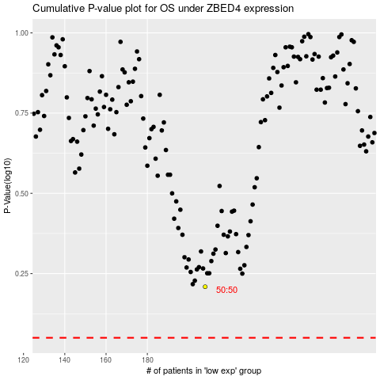

 |  |  |  |  |  | cases_OS | p_OS | rank | exp
 |  |  |  |  |  |  | cases_RFS | p_RFS | rank | exp

