ZBED5 _multivariate
Reported by Tex Li-Hsing Chi. tex@gate.sinica.edu.tw 2019-08-14

Table 2. The clinicopathological features of HNSCC cohort and ZBED5 expression. (Chi square test)
Cutoff at -0.236 (49.8%)
 |  | ZBED5 expression |  | ZBED5 expression |  | (Optimised)
 | Features | Low | (%) | High | (%) | Case no | P-value | Remark | Matthews
Gender | Female | 145 | 34.9 | 161 | 38.8 | 415 | 0.1116 | 0 | 0
2 | Male | 62 | 14.9 | 47 | 11.3
Age at diagnosis | <=65y | 128 | 30.8 | 146 | 35.2 | 415 | 0.0904 | 0 | 0
4 | >65y | 79 | 19 | 62 | 14.9
Clinical T Status | T1+T2 | 64 | 15.4 | 85 | 20.5 | 415 | 0.0445 | 1 | 0
6 | T3+T4 | 143 | 34.5 | 123 | 29.6
Clinical N Status | N0 | 105 | 25.3 | 111 | 26.7 | 415 | 0.6598 | 0 | 0
8 | N1-3 | 102 | 24.6 | 97 | 23.4
Clinical M Status | M0 | 206 | 49.6 | 206 | 49.6 | 415 | 1 | 0 | 0
10 | M1 | 1 | 0.2 | 2 | 0.5
Clinical Stage | Stage I+II | 43 | 10.4 | 59 | 14.2 | 415 | 0.0925 | 0 | 0
12 | Stage III+IV | 164 | 39.5 | 149 | 35.9
Surgical Margin status | Negative | 163 | 39.3 | 155 | 37.3 | 415 | 0.3537 | 0 | 0
14 | Positive | 44 | 10.6 | 53 | 12.8
Tobacco Exposure | Low | 83 | 20 | 78 | 18.8 | 415 | 0.6152 | 0 | 0
16 | High | 124 | 29.9 | 130 | 31.3

Table 3. Univariate/Multivariate Cox's proportional hazards regression analyses on OS time of ZBED5 gene expression in HNSCC

 |  | Univariate |  |  |  | Multivariate
 | Features | HR | CI95%(L) | CI95%(H) | P-value | HR | CI95%(L) | CI95%(H) | P-value
1 | Female | 1 |  |  |  | 1
Gender | Male | 1.157 | 0.843 | 1.587 | 0.367 | 1.179 | 0.843 | 1.649 | 0.337
11 | <=65y | 1 |  |  |  | 1
Age at diagnosis | >65y | 1.329 | 0.99 | 1.784 | 0.058 | 1.363 | 1.001 | 1.856 | 0.049
12 | T1+T2 | 1 |  |  |  | 1
Clinical T Status | T3+T4 | 1.409 | 1.028 | 1.931 | 0.033 | 2.165 | 1.145 | 4.093 | 0.018
13 | N0 | 1 |  |  |  | 1
Clinical N Status | N1-3 | 1.185 | 0.89 | 1.577 | 0.246 | 1.237 | 0.867 | 1.764 | 0.241
14 | M0 | 1 |  |  |  | 1
Clinical M Status | M1 | 4.097 | 1.009 | 16.644 | 0.049 | 9.801 | 2.136 | 44.971 | 0.003
15 | Stage I+II | 1 |  |  |  | 1
Clinical Stage | Stage III+IV | 1.245 | 0.882 | 1.759 | 0.213 | 0.507 | 0.237 | 1.089 | 0.082
16 | Negative | 1 |  |  |  | 1
Surgical Margin status | Positive | 1.591 | 1.155 | 2.191 | 0.004 | 1.712 | 1.237 | 2.371 | 0.001
17 | Low | 1 |  |  |  | 1
Tobacco Exposure | High | 1.364 | 1.008 | 1.844 | 0.044 | 1.476 | 1.07 | 2.037 | 0.018
18 | Low | 1 |  |  |  | 1
RNAseq(z-score) | High | 0.841 | 0.631 | 1.121 | 0.237 | 0.824 | 0.613 | 1.107 | 0.2

Table 4. Univariate/Multivariate Cox's proportional hazards regression analyses on RFS time of ZBED5 gene expression in HNSCC

 |  | Univariate |  |  |  | Multivariate
 | Features | HR | CI95%(L) | CI95%(H) | P-value | HR | CI95%(L) | CI95%(H) | P-value
1 | Female | 1 |  |  |  | 1
Gender | Male | 1.157 | 0.843 | 1.587 | 0.367 | 1.179 | 0.843 | 1.649 | 0.337
11 | <=65y | 1 |  |  |  | 1
Age at diagnosis | >65y | 1.329 | 0.99 | 1.784 | 0.058 | 1.363 | 1.001 | 1.856 | 0.049
12 | T1+T2 | 1 |  |  |  | 1
Clinical T Status | T3+T4 | 1.409 | 1.028 | 1.931 | 0.033 | 2.165 | 1.145 | 4.093 | 0.018
13 | N0 | 1 |  |  |  | 1
Clinical N Status | N1-3 | 1.185 | 0.89 | 1.577 | 0.246 | 1.237 | 0.867 | 1.764 | 0.241
14 | M0 | 1 |  |  |  | 1
Clinical M Status | M1 | 4.097 | 1.009 | 16.644 | 0.049 | 9.801 | 2.136 | 44.971 | 0.003
15 | Stage I+II | 1 |  |  |  | 1
Clinical Stage | Stage III+IV | 1.245 | 0.882 | 1.759 | 0.213 | 0.507 | 0.237 | 1.089 | 0.082
16 | Negative | 1 |  |  |  | 1
Surgical Margin status | Positive | 1.591 | 1.155 | 2.191 | 0.004 | 1.712 | 1.237 | 2.371 | 0.001
17 | Low | 1 |  |  |  | 1
Tobacco Exposure | High | 1.364 | 1.008 | 1.844 | 0.044 | 1.476 | 1.07 | 2.037 | 0.018
18 | Low | 1 |  |  |  | 1
RNAseq(z-score) | High | 0.841 | 0.631 | 1.121 | 0.237 | 0.824 | 0.613 | 1.107 | 0.2

Kaplan-Meier survival estimate: Cutoff at -0.236 (49.8%)



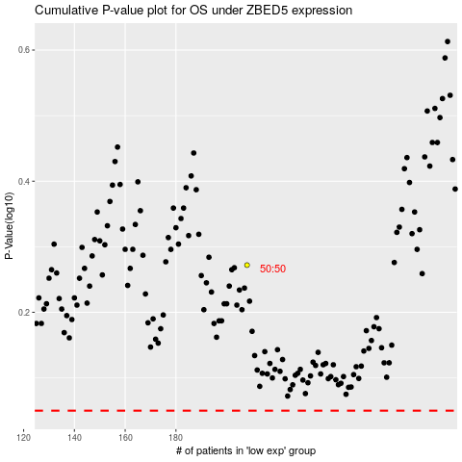

 |  |  |  |  |  | cases_OS | p_OS | rank | exp
 |  |  |  |  |  |  | cases_RFS | p_RFS | rank | exp

