ZBTB16 _multivariate
Reported by Tex Li-Hsing Chi. tex@gate.sinica.edu.tw 2019-08-14

Table 2. The clinicopathological features of HNSCC cohort and ZBTB16 expression. (Chi square test)
Cutoff at -0.248 (50.0%)
 |  | ZBTB16 expression |  | ZBTB16 expression |  | (Optimised)
 | Features | Low | (%) | High | (%) | Case no | P-value | Remark | Matthews
Gender | Female | 154 | 37.1 | 152 | 36.6 | 415 | 0.8463 | 0 | 0
2 | Male | 53 | 12.8 | 56 | 13.5
Age at diagnosis | <=65y | 125 | 30.1 | 149 | 35.9 | 415 | 0.0206 | 1 | 0
4 | >65y | 82 | 19.8 | 59 | 14.2
Clinical T Status | T1+T2 | 70 | 16.9 | 79 | 19 | 415 | 0.4343 | 0 | 0
6 | T3+T4 | 137 | 33 | 129 | 31.1
Clinical N Status | N0 | 114 | 27.5 | 102 | 24.6 | 415 | 0.2576 | 1 | 0
8 | N1-3 | 93 | 22.4 | 106 | 25.5
Clinical M Status | M0 | 204 | 49.2 | 208 | 50.1 | 415 | 0.1232 | 0 | 0
10 | M1 | 3 | 0.7 | 0 | 0
Clinical Stage | Stage I+II | 51 | 12.3 | 51 | 12.3 | 415 | 1 | 0 | 0
12 | Stage III+IV | 156 | 37.6 | 157 | 37.8
Surgical Margin status | Negative | 158 | 38.1 | 160 | 38.6 | 415 | 0.9081 | 0 | 0
14 | Positive | 49 | 11.8 | 48 | 11.6
Tobacco Exposure | Low | 88 | 21.2 | 73 | 17.6 | 415 | 0.1314 | 0 | 0
16 | High | 119 | 28.7 | 135 | 32.5

Table 3. Univariate/Multivariate Cox's proportional hazards regression analyses on OS time of ZBTB16 gene expression in HNSCC

 |  | Univariate |  |  |  | Multivariate
 | Features | HR | CI95%(L) | CI95%(H) | P-value | HR | CI95%(L) | CI95%(H) | P-value
1 | Female | 1 |  |  |  | 1
Gender | Male | 1.157 | 0.843 | 1.587 | 0.367 | 1.201 | 0.86 | 1.679 | 0.283
11 | <=65y | 1 |  |  |  | 1
Age at diagnosis | >65y | 1.329 | 0.99 | 1.784 | 0.058 | 1.41 | 1.036 | 1.921 | 0.029
12 | T1+T2 | 1 |  |  |  | 1
Clinical T Status | T3+T4 | 1.409 | 1.028 | 1.931 | 0.033 | 2.234 | 1.18 | 4.228 | 0.014
13 | N0 | 1 |  |  |  | 1
Clinical N Status | N1-3 | 1.185 | 0.89 | 1.577 | 0.246 | 1.232 | 0.863 | 1.76 | 0.25
14 | M0 | 1 |  |  |  | 1
Clinical M Status | M1 | 4.097 | 1.009 | 16.644 | 0.049 | 10.264 | 2.212 | 47.635 | 0.003
15 | Stage I+II | 1 |  |  |  | 1
Clinical Stage | Stage III+IV | 1.245 | 0.882 | 1.759 | 0.213 | 0.494 | 0.23 | 1.062 | 0.071
16 | Negative | 1 |  |  |  | 1
Surgical Margin status | Positive | 1.591 | 1.155 | 2.191 | 0.004 | 1.685 | 1.219 | 2.329 | 0.002
17 | Low | 1 |  |  |  | 1
Tobacco Exposure | High | 1.364 | 1.008 | 1.844 | 0.044 | 1.446 | 1.049 | 1.993 | 0.024
18 | Low | 1 |  |  |  | 1
RNAseq(z-score) | High | 1.088 | 0.817 | 1.448 | 0.566 | 1.145 | 0.855 | 1.535 | 0.364

Table 4. Univariate/Multivariate Cox's proportional hazards regression analyses on RFS time of ZBTB16 gene expression in HNSCC

 |  | Univariate |  |  |  | Multivariate
 | Features | HR | CI95%(L) | CI95%(H) | P-value | HR | CI95%(L) | CI95%(H) | P-value
1 | Female | 1 |  |  |  | 1
Gender | Male | 1.157 | 0.843 | 1.587 | 0.367 | 1.201 | 0.86 | 1.679 | 0.283
11 | <=65y | 1 |  |  |  | 1
Age at diagnosis | >65y | 1.329 | 0.99 | 1.784 | 0.058 | 1.41 | 1.036 | 1.921 | 0.029
12 | T1+T2 | 1 |  |  |  | 1
Clinical T Status | T3+T4 | 1.409 | 1.028 | 1.931 | 0.033 | 2.234 | 1.18 | 4.228 | 0.014
13 | N0 | 1 |  |  |  | 1
Clinical N Status | N1-3 | 1.185 | 0.89 | 1.577 | 0.246 | 1.232 | 0.863 | 1.76 | 0.25
14 | M0 | 1 |  |  |  | 1
Clinical M Status | M1 | 4.097 | 1.009 | 16.644 | 0.049 | 10.264 | 2.212 | 47.635 | 0.003
15 | Stage I+II | 1 |  |  |  | 1
Clinical Stage | Stage III+IV | 1.245 | 0.882 | 1.759 | 0.213 | 0.494 | 0.23 | 1.062 | 0.071
16 | Negative | 1 |  |  |  | 1
Surgical Margin status | Positive | 1.591 | 1.155 | 2.191 | 0.004 | 1.685 | 1.219 | 2.329 | 0.002
17 | Low | 1 |  |  |  | 1
Tobacco Exposure | High | 1.364 | 1.008 | 1.844 | 0.044 | 1.446 | 1.049 | 1.993 | 0.024
18 | Low | 1 |  |  |  | 1
RNAseq(z-score) | High | 1.088 | 0.817 | 1.448 | 0.566 | 1.145 | 0.855 | 1.535 | 0.364

Kaplan-Meier survival estimate: Cutoff at -0.248 (50.0%)



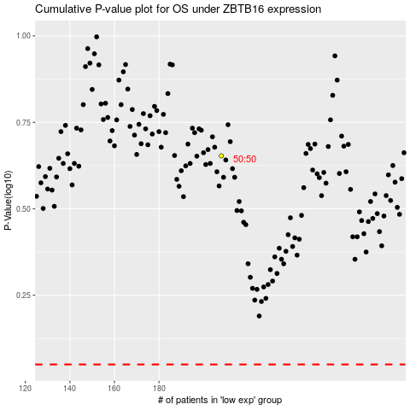

 |  |  |  |  |  | cases_OS | p_OS | rank | exp
 |  |  |  |  |  |  | cases_RFS | p_RFS | rank | exp

