ZBTB17 _multivariate
Reported by Tex Li-Hsing Chi. tex@gate.sinica.edu.tw 2019-08-14

Table 2. The clinicopathological features of HNSCC cohort and ZBTB17 expression. (Chi square test)
Cutoff at 0.078 (56.8%)
 |  | ZBTB17 expression |  | ZBTB17 expression |  | (Optimised)
 | Features | Low | (%) | High | (%) | Case no | P-value | Remark | Matthews
Gender | Female | 170 | 41 | 136 | 32.8 | 415 | 0.5319 | 0 | 0
2 | Male | 65 | 15.7 | 44 | 10.6
Age at diagnosis | <=65y | 144 | 34.7 | 130 | 31.3 | 415 | 0.0258 | 1 | 0
4 | >65y | 91 | 21.9 | 50 | 12
Clinical T Status | T1+T2 | 93 | 22.4 | 56 | 13.5 | 415 | 0.0934 | 0 | 0
6 | T3+T4 | 142 | 34.2 | 124 | 29.9
Clinical N Status | N0 | 127 | 30.6 | 89 | 21.4 | 415 | 0.4065 | 0 | 0
8 | N1-3 | 108 | 26 | 91 | 21.9
Clinical M Status | M0 | 235 | 56.6 | 177 | 42.7 | 415 | 0.0808 | 0 | 0
10 | M1 | 0 | 0 | 3 | 0.7
Clinical Stage | Stage I+II | 68 | 16.4 | 34 | 8.2 | 415 | 0.025 | 1 | 0
12 | Stage III+IV | 167 | 40.2 | 146 | 35.2
Surgical Margin status | Negative | 178 | 42.9 | 140 | 33.7 | 415 | 0.6418 | 0 | 0
14 | Positive | 57 | 13.7 | 40 | 9.6
Tobacco Exposure | Low | 95 | 22.9 | 66 | 15.9 | 415 | 0.4772 | 0 | 0
16 | High | 140 | 33.7 | 114 | 27.5

Table 3. Univariate/Multivariate Cox's proportional hazards regression analyses on OS time of ZBTB17 gene expression in HNSCC

 |  | Univariate |  |  |  | Multivariate
 | Features | HR | CI95%(L) | CI95%(H) | P-value | HR | CI95%(L) | CI95%(H) | P-value
1 | Female | 1 |  |  |  | 1
Gender | Male | 1.157 | 0.843 | 1.587 | 0.367 | 1.201 | 0.86 | 1.678 | 0.283
11 | <=65y | 1 |  |  |  | 1
Age at diagnosis | >65y | 1.329 | 0.99 | 1.784 | 0.058 | 1.365 | 1.003 | 1.858 | 0.048
12 | T1+T2 | 1 |  |  |  | 1
Clinical T Status | T3+T4 | 1.409 | 1.028 | 1.931 | 0.033 | 2.213 | 1.172 | 4.18 | 0.014
13 | N0 | 1 |  |  |  | 1
Clinical N Status | N1-3 | 1.185 | 0.89 | 1.577 | 0.246 | 1.231 | 0.861 | 1.758 | 0.254
14 | M0 | 1 |  |  |  | 1
Clinical M Status | M1 | 4.097 | 1.009 | 16.644 | 0.049 | 11.183 | 2.414 | 51.804 | 0.002
15 | Stage I+II | 1 |  |  |  | 1
Clinical Stage | Stage III+IV | 1.245 | 0.882 | 1.759 | 0.213 | 0.521 | 0.242 | 1.119 | 0.095
16 | Negative | 1 |  |  |  | 1
Surgical Margin status | Positive | 1.591 | 1.155 | 2.191 | 0.004 | 1.639 | 1.186 | 2.265 | 0.003
17 | Low | 1 |  |  |  | 1
Tobacco Exposure | High | 1.364 | 1.008 | 1.844 | 0.044 | 1.454 | 1.056 | 2.002 | 0.022
18 | Low | 1 |  |  |  | 1
RNAseq(z-score) | High | 0.743 | 0.553 | 0.999 | 0.05 | 0.743 | 0.55 | 1.004 | 0.053

Table 4. Univariate/Multivariate Cox's proportional hazards regression analyses on RFS time of ZBTB17 gene expression in HNSCC

 |  | Univariate |  |  |  | Multivariate
 | Features | HR | CI95%(L) | CI95%(H) | P-value | HR | CI95%(L) | CI95%(H) | P-value
1 | Female | 1 |  |  |  | 1
Gender | Male | 1.157 | 0.843 | 1.587 | 0.367 | 1.201 | 0.86 | 1.678 | 0.283
11 | <=65y | 1 |  |  |  | 1
Age at diagnosis | >65y | 1.329 | 0.99 | 1.784 | 0.058 | 1.365 | 1.003 | 1.858 | 0.048
12 | T1+T2 | 1 |  |  |  | 1
Clinical T Status | T3+T4 | 1.409 | 1.028 | 1.931 | 0.033 | 2.213 | 1.172 | 4.18 | 0.014
13 | N0 | 1 |  |  |  | 1
Clinical N Status | N1-3 | 1.185 | 0.89 | 1.577 | 0.246 | 1.231 | 0.861 | 1.758 | 0.254
14 | M0 | 1 |  |  |  | 1
Clinical M Status | M1 | 4.097 | 1.009 | 16.644 | 0.049 | 11.183 | 2.414 | 51.804 | 0.002
15 | Stage I+II | 1 |  |  |  | 1
Clinical Stage | Stage III+IV | 1.245 | 0.882 | 1.759 | 0.213 | 0.521 | 0.242 | 1.119 | 0.095
16 | Negative | 1 |  |  |  | 1
Surgical Margin status | Positive | 1.591 | 1.155 | 2.191 | 0.004 | 1.639 | 1.186 | 2.265 | 0.003
17 | Low | 1 |  |  |  | 1
Tobacco Exposure | High | 1.364 | 1.008 | 1.844 | 0.044 | 1.454 | 1.056 | 2.002 | 0.022
18 | Low | 1 |  |  |  | 1
RNAseq(z-score) | High | 0.743 | 0.553 | 0.999 | 0.05 | 0.743 | 0.55 | 1.004 | 0.053

Kaplan-Meier survival estimate: Cutoff at 0.078 (56.8%)



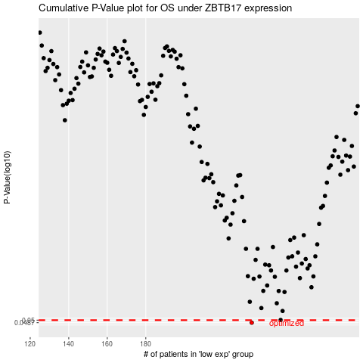

 |  |  |  |  |  | cases_OS | p_OS | rank | exp
 |  |  |  |  |  | 235 | 0.0487 | 219 | 0.078419744507
 |  |  |  |  |  |  | cases_RFS | p_RFS | rank | exp
 |  |  |  |  |  |  | 234 | 0.0487 | 260 | 0.072480075492

