ZBTB2 _multivariate
Reported by Tex Li-Hsing Chi. tex@gate.sinica.edu.tw 2019-08-14

Table 2. The clinicopathological features of HNSCC cohort and ZBTB2 expression. (Chi square test)
Cutoff at 0.025 (50.0%)
 |  | ZBTB2 expression |  | ZBTB2 expression |  | (Optimised)
 | Features | Low | (%) | High | (%) | Case no | P-value | Remark | Matthews
Gender | Female | 147 | 35.4 | 159 | 38.3 | 415 | 0.2523 | 0 | 0
2 | Male | 60 | 14.5 | 49 | 11.8
Age at diagnosis | <=65y | 141 | 34 | 133 | 32 | 415 | 0.4272 | 0 | 0
4 | >65y | 66 | 15.9 | 75 | 18.1
Clinical T Status | T1+T2 | 82 | 19.8 | 67 | 16.1 | 415 | 0.1417 | 0 | 0
6 | T3+T4 | 125 | 30.1 | 141 | 34
Clinical N Status | N0 | 119 | 28.7 | 97 | 23.4 | 415 | 0.0345 | 1 | 0
8 | N1-3 | 88 | 21.2 | 111 | 26.7
Clinical M Status | M0 | 206 | 49.6 | 206 | 49.6 | 415 | 1 | 0 | 0
10 | M1 | 1 | 0.2 | 2 | 0.5
Clinical Stage | Stage I+II | 56 | 13.5 | 46 | 11.1 | 415 | 0.2918 | 0 | 0
12 | Stage III+IV | 151 | 36.4 | 162 | 39
Surgical Margin status | Negative | 155 | 37.3 | 163 | 39.3 | 415 | 0.4187 | 0 | 0
14 | Positive | 52 | 12.5 | 45 | 10.8
Tobacco Exposure | Low | 94 | 22.7 | 67 | 16.1 | 415 | 0.0065 | 1 | 0
16 | High | 113 | 27.2 | 141 | 34

Table 3. Univariate/Multivariate Cox's proportional hazards regression analyses on OS time of ZBTB2 gene expression in HNSCC

 |  | Univariate |  |  |  | Multivariate
 | Features | HR | CI95%(L) | CI95%(H) | P-value | HR | CI95%(L) | CI95%(H) | P-value
1 | Female | 1 |  |  |  | 1
Gender | Male | 1.157 | 0.843 | 1.587 | 0.367 | 1.221 | 0.872 | 1.709 | 0.245
11 | <=65y | 1 |  |  |  | 1
Age at diagnosis | >65y | 1.329 | 0.99 | 1.784 | 0.058 | 1.378 | 1.013 | 1.875 | 0.041
12 | T1+T2 | 1 |  |  |  | 1
Clinical T Status | T3+T4 | 1.409 | 1.028 | 1.931 | 0.033 | 2.173 | 1.148 | 4.11 | 0.017
13 | N0 | 1 |  |  |  | 1
Clinical N Status | N1-3 | 1.185 | 0.89 | 1.577 | 0.246 | 1.219 | 0.851 | 1.745 | 0.28
14 | M0 | 1 |  |  |  | 1
Clinical M Status | M1 | 4.097 | 1.009 | 16.644 | 0.049 | 9.335 | 2.036 | 42.802 | 0.004
15 | Stage I+II | 1 |  |  |  | 1
Clinical Stage | Stage III+IV | 1.245 | 0.882 | 1.759 | 0.213 | 0.509 | 0.237 | 1.093 | 0.083
16 | Negative | 1 |  |  |  | 1
Surgical Margin status | Positive | 1.591 | 1.155 | 2.191 | 0.004 | 1.685 | 1.219 | 2.329 | 0.002
17 | Low | 1 |  |  |  | 1
Tobacco Exposure | High | 1.364 | 1.008 | 1.844 | 0.044 | 1.444 | 1.048 | 1.99 | 0.025
18 | Low | 1 |  |  |  | 1
RNAseq(z-score) | High | 1.177 | 0.882 | 1.57 | 0.268 | 1.12 | 0.832 | 1.509 | 0.456

Table 4. Univariate/Multivariate Cox's proportional hazards regression analyses on RFS time of ZBTB2 gene expression in HNSCC

 |  | Univariate |  |  |  | Multivariate
 | Features | HR | CI95%(L) | CI95%(H) | P-value | HR | CI95%(L) | CI95%(H) | P-value
1 | Female | 1 |  |  |  | 1
Gender | Male | 1.157 | 0.843 | 1.587 | 0.367 | 1.221 | 0.872 | 1.709 | 0.245
11 | <=65y | 1 |  |  |  | 1
Age at diagnosis | >65y | 1.329 | 0.99 | 1.784 | 0.058 | 1.378 | 1.013 | 1.875 | 0.041
12 | T1+T2 | 1 |  |  |  | 1
Clinical T Status | T3+T4 | 1.409 | 1.028 | 1.931 | 0.033 | 2.173 | 1.148 | 4.11 | 0.017
13 | N0 | 1 |  |  |  | 1
Clinical N Status | N1-3 | 1.185 | 0.89 | 1.577 | 0.246 | 1.219 | 0.851 | 1.745 | 0.28
14 | M0 | 1 |  |  |  | 1
Clinical M Status | M1 | 4.097 | 1.009 | 16.644 | 0.049 | 9.335 | 2.036 | 42.802 | 0.004
15 | Stage I+II | 1 |  |  |  | 1
Clinical Stage | Stage III+IV | 1.245 | 0.882 | 1.759 | 0.213 | 0.509 | 0.237 | 1.093 | 0.083
16 | Negative | 1 |  |  |  | 1
Surgical Margin status | Positive | 1.591 | 1.155 | 2.191 | 0.004 | 1.685 | 1.219 | 2.329 | 0.002
17 | Low | 1 |  |  |  | 1
Tobacco Exposure | High | 1.364 | 1.008 | 1.844 | 0.044 | 1.444 | 1.048 | 1.99 | 0.025
18 | Low | 1 |  |  |  | 1
RNAseq(z-score) | High | 1.177 | 0.882 | 1.57 | 0.268 | 1.12 | 0.832 | 1.509 | 0.456

Kaplan-Meier survival estimate: Cutoff at 0.025 (50.0%)



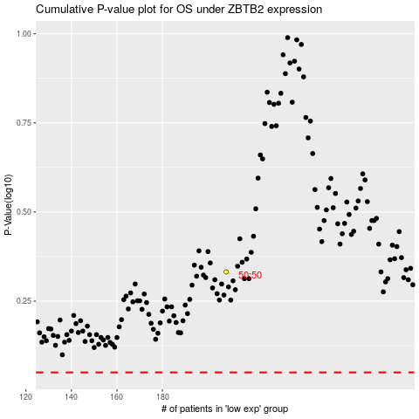

 |  |  |  |  |  | cases_OS | p_OS | rank | exp
 |  |  |  |  |  |  | cases_RFS | p_RFS | rank | exp

