ZBTB20 _multivariate
Reported by Tex Li-Hsing Chi. tex@gate.sinica.edu.tw 2019-08-14

Table 2. The clinicopathological features of HNSCC cohort and ZBTB20 expression. (Chi square test)
Cutoff at -0.319 (49.8%)
 |  | ZBTB20 expression |  | ZBTB20 expression |  | (Optimised)
 | Features | Low | (%) | High | (%) | Case no | P-value | Remark | Matthews
Gender | Female | 143 | 34.5 | 163 | 39.3 | 415 | 0.0416 | 1 | 0
2 | Male | 64 | 15.4 | 45 | 10.8
Age at diagnosis | <=65y | 139 | 33.5 | 135 | 32.5 | 415 | 0.7044 | 0 | 0
4 | >65y | 68 | 16.4 | 73 | 17.6
Clinical T Status | T1+T2 | 77 | 18.6 | 72 | 17.3 | 415 | 0.6556 | 0 | 0
6 | T3+T4 | 130 | 31.3 | 136 | 32.8
Clinical N Status | N0 | 113 | 27.2 | 103 | 24.8 | 415 | 0.3495 | 1 | 0
8 | N1-3 | 94 | 22.7 | 105 | 25.3
Clinical M Status | M0 | 204 | 49.2 | 208 | 50.1 | 415 | 0.1232 | 0 | 0
10 | M1 | 3 | 0.7 | 0 | 0
Clinical Stage | Stage I+II | 59 | 14.2 | 43 | 10.4 | 415 | 0.0822 | 0 | 0
12 | Stage III+IV | 148 | 35.7 | 165 | 39.8
Surgical Margin status | Negative | 158 | 38.1 | 160 | 38.6 | 415 | 0.9081 | 0 | 0
14 | Positive | 49 | 11.8 | 48 | 11.6
Tobacco Exposure | Low | 90 | 21.7 | 71 | 17.1 | 415 | 0.0559 | 0 | 0
16 | High | 117 | 28.2 | 137 | 33

Table 3. Univariate/Multivariate Cox's proportional hazards regression analyses on OS time of ZBTB20 gene expression in HNSCC

 |  | Univariate |  |  |  | Multivariate
 | Features | HR | CI95%(L) | CI95%(H) | P-value | HR | CI95%(L) | CI95%(H) | P-value
1 | Female | 1 |  |  |  | 1
Gender | Male | 1.157 | 0.843 | 1.587 | 0.367 | 1.225 | 0.875 | 1.714 | 0.237
11 | <=65y | 1 |  |  |  | 1
Age at diagnosis | >65y | 1.329 | 0.99 | 1.784 | 0.058 | 1.385 | 1.019 | 1.882 | 0.038
12 | T1+T2 | 1 |  |  |  | 1
Clinical T Status | T3+T4 | 1.409 | 1.028 | 1.931 | 0.033 | 2.261 | 1.194 | 4.283 | 0.012
13 | N0 | 1 |  |  |  | 1
Clinical N Status | N1-3 | 1.185 | 0.89 | 1.577 | 0.246 | 1.25 | 0.876 | 1.785 | 0.218
14 | M0 | 1 |  |  |  | 1
Clinical M Status | M1 | 4.097 | 1.009 | 16.644 | 0.049 | 10.483 | 2.253 | 48.783 | 0.003
15 | Stage I+II | 1 |  |  |  | 1
Clinical Stage | Stage III+IV | 1.245 | 0.882 | 1.759 | 0.213 | 0.483 | 0.224 | 1.041 | 0.063
16 | Negative | 1 |  |  |  | 1
Surgical Margin status | Positive | 1.591 | 1.155 | 2.191 | 0.004 | 1.671 | 1.21 | 2.309 | 0.002
17 | Low | 1 |  |  |  | 1
Tobacco Exposure | High | 1.364 | 1.008 | 1.844 | 0.044 | 1.445 | 1.049 | 1.991 | 0.024
18 | Low | 1 |  |  |  | 1
RNAseq(z-score) | High | 1.113 | 0.834 | 1.485 | 0.467 | 1.165 | 0.866 | 1.566 | 0.312

Table 4. Univariate/Multivariate Cox's proportional hazards regression analyses on RFS time of ZBTB20 gene expression in HNSCC

 |  | Univariate |  |  |  | Multivariate
 | Features | HR | CI95%(L) | CI95%(H) | P-value | HR | CI95%(L) | CI95%(H) | P-value
1 | Female | 1 |  |  |  | 1
Gender | Male | 1.157 | 0.843 | 1.587 | 0.367 | 1.225 | 0.875 | 1.714 | 0.237
11 | <=65y | 1 |  |  |  | 1
Age at diagnosis | >65y | 1.329 | 0.99 | 1.784 | 0.058 | 1.385 | 1.019 | 1.882 | 0.038
12 | T1+T2 | 1 |  |  |  | 1
Clinical T Status | T3+T4 | 1.409 | 1.028 | 1.931 | 0.033 | 2.261 | 1.194 | 4.283 | 0.012
13 | N0 | 1 |  |  |  | 1
Clinical N Status | N1-3 | 1.185 | 0.89 | 1.577 | 0.246 | 1.25 | 0.876 | 1.785 | 0.218
14 | M0 | 1 |  |  |  | 1
Clinical M Status | M1 | 4.097 | 1.009 | 16.644 | 0.049 | 10.483 | 2.253 | 48.783 | 0.003
15 | Stage I+II | 1 |  |  |  | 1
Clinical Stage | Stage III+IV | 1.245 | 0.882 | 1.759 | 0.213 | 0.483 | 0.224 | 1.041 | 0.063
16 | Negative | 1 |  |  |  | 1
Surgical Margin status | Positive | 1.591 | 1.155 | 2.191 | 0.004 | 1.671 | 1.21 | 2.309 | 0.002
17 | Low | 1 |  |  |  | 1
Tobacco Exposure | High | 1.364 | 1.008 | 1.844 | 0.044 | 1.445 | 1.049 | 1.991 | 0.024
18 | Low | 1 |  |  |  | 1
RNAseq(z-score) | High | 1.113 | 0.834 | 1.485 | 0.467 | 1.165 | 0.866 | 1.566 | 0.312

Kaplan-Meier survival estimate: Cutoff at -0.319 (49.8%)



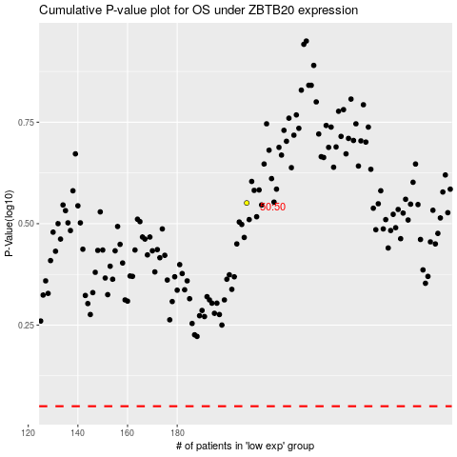

 |  |  |  |  |  | cases_OS | p_OS | rank | exp
 |  |  |  |  |  |  | cases_RFS | p_RFS | rank | exp

