ZBTB25 _multivariate
Reported by Tex Li-Hsing Chi. tex@gate.sinica.edu.tw 2019-08-14

Table 2. The clinicopathological features of HNSCC cohort and ZBTB25 expression. (Chi square test)
Cutoff at -0.113 (49.8%)
 |  | ZBTB25 expression |  | ZBTB25 expression |  | (Optimised)
 | Features | Low | (%) | High | (%) | Case no | P-value | Remark | Matthews
Gender | Female | 146 | 35.2 | 160 | 38.6 | 415 | 0.1714 | 0 | 0
2 | Male | 61 | 14.7 | 48 | 11.6
Age at diagnosis | <=65y | 136 | 32.8 | 138 | 33.3 | 415 | 0.9719 | 0 | 0
4 | >65y | 71 | 17.1 | 70 | 16.9
Clinical T Status | T1+T2 | 74 | 17.8 | 75 | 18.1 | 415 | 1 | 0 | 0
6 | T3+T4 | 133 | 32 | 133 | 32
Clinical N Status | N0 | 107 | 25.8 | 109 | 26.3 | 415 | 0.9624 | 0 | 0
8 | N1-3 | 100 | 24.1 | 99 | 23.9
Clinical M Status | M0 | 205 | 49.4 | 207 | 49.9 | 415 | 0.6232 | 0 | 0
10 | M1 | 2 | 0.5 | 1 | 0.2
Clinical Stage | Stage I+II | 47 | 11.3 | 55 | 13.3 | 415 | 0.4413 | 0 | 0
12 | Stage III+IV | 160 | 38.6 | 153 | 36.9
Surgical Margin status | Negative | 157 | 37.8 | 161 | 38.8 | 415 | 0.729 | 0 | 0
14 | Positive | 50 | 12 | 47 | 11.3
Tobacco Exposure | Low | 86 | 20.7 | 75 | 18.1 | 415 | 0.2687 | 0 | 0
16 | High | 121 | 29.2 | 133 | 32

Table 3. Univariate/Multivariate Cox's proportional hazards regression analyses on OS time of ZBTB25 gene expression in HNSCC

 |  | Univariate |  |  |  | Multivariate
 | Features | HR | CI95%(L) | CI95%(H) | P-value | HR | CI95%(L) | CI95%(H) | P-value
1 | Female | 1 |  |  |  | 1
Gender | Male | 1.157 | 0.843 | 1.587 | 0.367 | 1.199 | 0.858 | 1.676 | 0.287
11 | <=65y | 1 |  |  |  | 1
Age at diagnosis | >65y | 1.329 | 0.99 | 1.784 | 0.058 | 1.397 | 1.027 | 1.9 | 0.033
12 | T1+T2 | 1 |  |  |  | 1
Clinical T Status | T3+T4 | 1.409 | 1.028 | 1.931 | 0.033 | 2.227 | 1.176 | 4.216 | 0.014
13 | N0 | 1 |  |  |  | 1
Clinical N Status | N1-3 | 1.185 | 0.89 | 1.577 | 0.246 | 1.245 | 0.872 | 1.777 | 0.227
14 | M0 | 1 |  |  |  | 1
Clinical M Status | M1 | 4.097 | 1.009 | 16.644 | 0.049 | 9.389 | 2.048 | 43.042 | 0.004
15 | Stage I+II | 1 |  |  |  | 1
Clinical Stage | Stage III+IV | 1.245 | 0.882 | 1.759 | 0.213 | 0.496 | 0.231 | 1.068 | 0.073
16 | Negative | 1 |  |  |  | 1
Surgical Margin status | Positive | 1.591 | 1.155 | 2.191 | 0.004 | 1.676 | 1.213 | 2.317 | 0.002
17 | Low | 1 |  |  |  | 1
Tobacco Exposure | High | 1.364 | 1.008 | 1.844 | 0.044 | 1.459 | 1.058 | 2.012 | 0.021
18 | Low | 1 |  |  |  | 1
RNAseq(z-score) | High | 0.952 | 0.715 | 1.268 | 0.739 | 0.914 | 0.685 | 1.219 | 0.539

Table 4. Univariate/Multivariate Cox's proportional hazards regression analyses on RFS time of ZBTB25 gene expression in HNSCC

 |  | Univariate |  |  |  | Multivariate
 | Features | HR | CI95%(L) | CI95%(H) | P-value | HR | CI95%(L) | CI95%(H) | P-value
1 | Female | 1 |  |  |  | 1
Gender | Male | 1.157 | 0.843 | 1.587 | 0.367 | 1.199 | 0.858 | 1.676 | 0.287
11 | <=65y | 1 |  |  |  | 1
Age at diagnosis | >65y | 1.329 | 0.99 | 1.784 | 0.058 | 1.397 | 1.027 | 1.9 | 0.033
12 | T1+T2 | 1 |  |  |  | 1
Clinical T Status | T3+T4 | 1.409 | 1.028 | 1.931 | 0.033 | 2.227 | 1.176 | 4.216 | 0.014
13 | N0 | 1 |  |  |  | 1
Clinical N Status | N1-3 | 1.185 | 0.89 | 1.577 | 0.246 | 1.245 | 0.872 | 1.777 | 0.227
14 | M0 | 1 |  |  |  | 1
Clinical M Status | M1 | 4.097 | 1.009 | 16.644 | 0.049 | 9.389 | 2.048 | 43.042 | 0.004
15 | Stage I+II | 1 |  |  |  | 1
Clinical Stage | Stage III+IV | 1.245 | 0.882 | 1.759 | 0.213 | 0.496 | 0.231 | 1.068 | 0.073
16 | Negative | 1 |  |  |  | 1
Surgical Margin status | Positive | 1.591 | 1.155 | 2.191 | 0.004 | 1.676 | 1.213 | 2.317 | 0.002
17 | Low | 1 |  |  |  | 1
Tobacco Exposure | High | 1.364 | 1.008 | 1.844 | 0.044 | 1.459 | 1.058 | 2.012 | 0.021
18 | Low | 1 |  |  |  | 1
RNAseq(z-score) | High | 0.952 | 0.715 | 1.268 | 0.739 | 0.914 | 0.685 | 1.219 | 0.539

Kaplan-Meier survival estimate: Cutoff at -0.113 (49.8%)



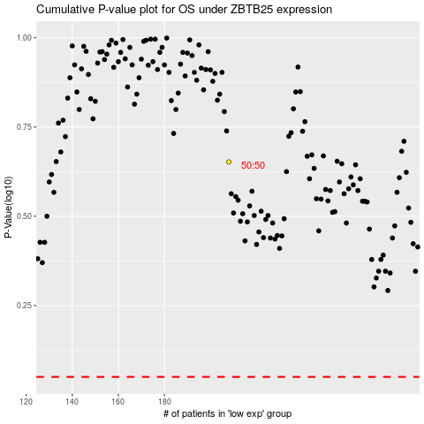

 |  |  |  |  |  | cases_OS | p_OS | rank | exp
 |  |  |  |  |  |  | cases_RFS | p_RFS | rank | exp

