ZBTB26 _multivariate
Reported by Tex Li-Hsing Chi. tex@gate.sinica.edu.tw 2019-08-14

Table 2. The clinicopathological features of HNSCC cohort and ZBTB26 expression. (Chi square test)
Cutoff at -0.178 (49.8%)
 |  | ZBTB26 expression |  | ZBTB26 expression |  | (Optimised)
 | Features | Low | (%) | High | (%) | Case no | P-value | Remark | Matthews
Gender | Female | 147 | 35.4 | 159 | 38.3 | 415 | 0.2523 | 0 | 0
2 | Male | 60 | 14.5 | 49 | 11.8
Age at diagnosis | <=65y | 132 | 31.8 | 142 | 34.2 | 415 | 0.3874 | 0 | 0
4 | >65y | 75 | 18.1 | 66 | 15.9
Clinical T Status | T1+T2 | 72 | 17.3 | 77 | 18.6 | 415 | 0.7095 | 0 | 0
6 | T3+T4 | 135 | 32.5 | 131 | 31.6
Clinical N Status | N0 | 107 | 25.8 | 109 | 26.3 | 415 | 0.9624 | 0 | 0
8 | N1-3 | 100 | 24.1 | 99 | 23.9
Clinical M Status | M0 | 205 | 49.4 | 207 | 49.9 | 415 | 0.6232 | 0 | 0
10 | M1 | 2 | 0.5 | 1 | 0.2
Clinical Stage | Stage I+II | 48 | 11.6 | 54 | 13 | 415 | 0.5878 | 0 | 0
12 | Stage III+IV | 159 | 38.3 | 154 | 37.1
Surgical Margin status | Negative | 160 | 38.6 | 158 | 38.1 | 415 | 0.8167 | 0 | 0
14 | Positive | 47 | 11.3 | 50 | 12
Tobacco Exposure | Low | 93 | 22.4 | 68 | 16.4 | 415 | 0.0118 | 1 | 0
16 | High | 114 | 27.5 | 140 | 33.7

Table 3. Univariate/Multivariate Cox's proportional hazards regression analyses on OS time of ZBTB26 gene expression in HNSCC

 |  | Univariate |  |  |  | Multivariate
 | Features | HR | CI95%(L) | CI95%(H) | P-value | HR | CI95%(L) | CI95%(H) | P-value
1 | Female | 1 |  |  |  | 1
Gender | Male | 1.157 | 0.843 | 1.587 | 0.367 | 1.197 | 0.855 | 1.674 | 0.295
11 | <=65y | 1 |  |  |  | 1
Age at diagnosis | >65y | 1.329 | 0.99 | 1.784 | 0.058 | 1.395 | 1.026 | 1.897 | 0.034
12 | T1+T2 | 1 |  |  |  | 1
Clinical T Status | T3+T4 | 1.409 | 1.028 | 1.931 | 0.033 | 2.197 | 1.162 | 4.155 | 0.015
13 | N0 | 1 |  |  |  | 1
Clinical N Status | N1-3 | 1.185 | 0.89 | 1.577 | 0.246 | 1.241 | 0.87 | 1.77 | 0.234
14 | M0 | 1 |  |  |  | 1
Clinical M Status | M1 | 4.097 | 1.009 | 16.644 | 0.049 | 9.248 | 2.01 | 42.552 | 0.004
15 | Stage I+II | 1 |  |  |  | 1
Clinical Stage | Stage III+IV | 1.245 | 0.882 | 1.759 | 0.213 | 0.506 | 0.236 | 1.086 | 0.08
16 | Negative | 1 |  |  |  | 1
Surgical Margin status | Positive | 1.591 | 1.155 | 2.191 | 0.004 | 1.671 | 1.209 | 2.308 | 0.002
17 | Low | 1 |  |  |  | 1
Tobacco Exposure | High | 1.364 | 1.008 | 1.844 | 0.044 | 1.456 | 1.056 | 2.007 | 0.022
18 | Low | 1 |  |  |  | 1
RNAseq(z-score) | High | 0.945 | 0.709 | 1.258 | 0.697 | 0.956 | 0.715 | 1.277 | 0.759

Table 4. Univariate/Multivariate Cox's proportional hazards regression analyses on RFS time of ZBTB26 gene expression in HNSCC

 |  | Univariate |  |  |  | Multivariate
 | Features | HR | CI95%(L) | CI95%(H) | P-value | HR | CI95%(L) | CI95%(H) | P-value
1 | Female | 1 |  |  |  | 1
Gender | Male | 1.157 | 0.843 | 1.587 | 0.367 | 1.197 | 0.855 | 1.674 | 0.295
11 | <=65y | 1 |  |  |  | 1
Age at diagnosis | >65y | 1.329 | 0.99 | 1.784 | 0.058 | 1.395 | 1.026 | 1.897 | 0.034
12 | T1+T2 | 1 |  |  |  | 1
Clinical T Status | T3+T4 | 1.409 | 1.028 | 1.931 | 0.033 | 2.197 | 1.162 | 4.155 | 0.015
13 | N0 | 1 |  |  |  | 1
Clinical N Status | N1-3 | 1.185 | 0.89 | 1.577 | 0.246 | 1.241 | 0.87 | 1.77 | 0.234
14 | M0 | 1 |  |  |  | 1
Clinical M Status | M1 | 4.097 | 1.009 | 16.644 | 0.049 | 9.248 | 2.01 | 42.552 | 0.004
15 | Stage I+II | 1 |  |  |  | 1
Clinical Stage | Stage III+IV | 1.245 | 0.882 | 1.759 | 0.213 | 0.506 | 0.236 | 1.086 | 0.08
16 | Negative | 1 |  |  |  | 1
Surgical Margin status | Positive | 1.591 | 1.155 | 2.191 | 0.004 | 1.671 | 1.209 | 2.308 | 0.002
17 | Low | 1 |  |  |  | 1
Tobacco Exposure | High | 1.364 | 1.008 | 1.844 | 0.044 | 1.456 | 1.056 | 2.007 | 0.022
18 | Low | 1 |  |  |  | 1
RNAseq(z-score) | High | 0.945 | 0.709 | 1.258 | 0.697 | 0.956 | 0.715 | 1.277 | 0.759

Kaplan-Meier survival estimate: Cutoff at -0.178 (49.8%)



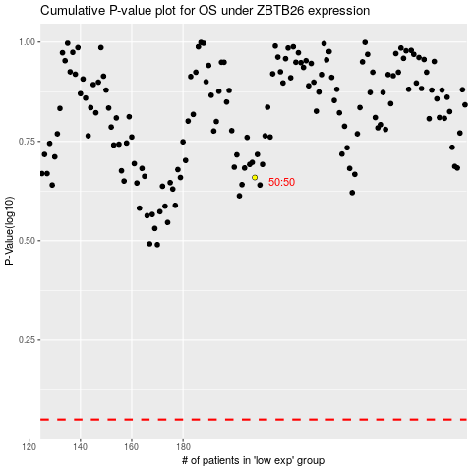

 |  |  |  |  |  | cases_OS | p_OS | rank | exp
 |  |  |  |  |  |  | cases_RFS | p_RFS | rank | exp

