ZBTB33 _multivariate
Reported by Tex Li-Hsing Chi. tex@gate.sinica.edu.tw 2019-08-14

Table 2. The clinicopathological features of HNSCC cohort and ZBTB33 expression. (Chi square test)
Cutoff at -0.323 (44.7%)
 |  | ZBTB33 expression |  | ZBTB33 expression |  | (Optimised)
 | Features | Low | (%) | High | (%) | Case no | P-value | Remark | Matthews
Gender | Female | 131 | 31.6 | 175 | 42.2 | 415 | 0.2053 | 0 | 0
2 | Male | 55 | 13.3 | 54 | 13
Age at diagnosis | <=65y | 122 | 29.4 | 152 | 36.6 | 415 | 0.9493 | 0 | 0
4 | >65y | 64 | 15.4 | 77 | 18.6
Clinical T Status | T1+T2 | 61 | 14.7 | 88 | 21.2 | 415 | 0.2772 | 0 | 0
6 | T3+T4 | 125 | 30.1 | 141 | 34
Clinical N Status | N0 | 91 | 21.9 | 125 | 30.1 | 415 | 0.2941 | 0 | 0
8 | N1-3 | 95 | 22.9 | 104 | 25.1
Clinical M Status | M0 | 184 | 44.3 | 228 | 54.9 | 415 | 0.5894 | 0 | 0
10 | M1 | 2 | 0.5 | 1 | 0.2
Clinical Stage | Stage I+II | 42 | 10.1 | 60 | 14.5 | 415 | 0.461 | 0 | 0
12 | Stage III+IV | 144 | 34.7 | 169 | 40.7
Surgical Margin status | Negative | 143 | 34.5 | 175 | 42.2 | 415 | 1 | 0 | 0
14 | Positive | 43 | 10.4 | 54 | 13
Tobacco Exposure | Low | 78 | 18.8 | 83 | 20 | 415 | 0.2654 | 0 | 0
16 | High | 108 | 26 | 146 | 35.2

Table 3. Univariate/Multivariate Cox's proportional hazards regression analyses on OS time of ZBTB33 gene expression in HNSCC

 |  | Univariate |  |  |  | Multivariate
 | Features | HR | CI95%(L) | CI95%(H) | P-value | HR | CI95%(L) | CI95%(H) | P-value
1 | Female | 1 |  |  |  | 1
Gender | Male | 1.157 | 0.843 | 1.587 | 0.367 | 1.237 | 0.886 | 1.727 | 0.211
11 | <=65y | 1 |  |  |  | 1
Age at diagnosis | >65y | 1.329 | 0.99 | 1.784 | 0.058 | 1.416 | 1.04 | 1.927 | 0.027
12 | T1+T2 | 1 |  |  |  | 1
Clinical T Status | T3+T4 | 1.409 | 1.028 | 1.931 | 0.033 | 2.366 | 1.248 | 4.488 | 0.008
13 | N0 | 1 |  |  |  | 1
Clinical N Status | N1-3 | 1.185 | 0.89 | 1.577 | 0.246 | 1.31 | 0.915 | 1.876 | 0.14
14 | M0 | 1 |  |  |  | 1
Clinical M Status | M1 | 4.097 | 1.009 | 16.644 | 0.049 | 11.533 | 2.494 | 53.326 | 0.002
15 | Stage I+II | 1 |  |  |  | 1
Clinical Stage | Stage III+IV | 1.245 | 0.882 | 1.759 | 0.213 | 0.455 | 0.211 | 0.982 | 0.045
16 | Negative | 1 |  |  |  | 1
Surgical Margin status | Positive | 1.591 | 1.155 | 2.191 | 0.004 | 1.67 | 1.207 | 2.31 | 0.002
17 | Low | 1 |  |  |  | 1
Tobacco Exposure | High | 1.364 | 1.008 | 1.844 | 0.044 | 1.464 | 1.063 | 2.016 | 0.02
18 | Low | 1 |  |  |  | 1
RNAseq(z-score) | High | 1.366 | 1.014 | 1.839 | 0.04 | 1.493 | 1.103 | 2.022 | 0.009

Table 4. Univariate/Multivariate Cox's proportional hazards regression analyses on RFS time of ZBTB33 gene expression in HNSCC

 |  | Univariate |  |  |  | Multivariate
 | Features | HR | CI95%(L) | CI95%(H) | P-value | HR | CI95%(L) | CI95%(H) | P-value
1 | Female | 1 |  |  |  | 1
Gender | Male | 1.157 | 0.843 | 1.587 | 0.367 | 1.237 | 0.886 | 1.727 | 0.211
11 | <=65y | 1 |  |  |  | 1
Age at diagnosis | >65y | 1.329 | 0.99 | 1.784 | 0.058 | 1.416 | 1.04 | 1.927 | 0.027
12 | T1+T2 | 1 |  |  |  | 1
Clinical T Status | T3+T4 | 1.409 | 1.028 | 1.931 | 0.033 | 2.366 | 1.248 | 4.488 | 0.008
13 | N0 | 1 |  |  |  | 1
Clinical N Status | N1-3 | 1.185 | 0.89 | 1.577 | 0.246 | 1.31 | 0.915 | 1.876 | 0.14
14 | M0 | 1 |  |  |  | 1
Clinical M Status | M1 | 4.097 | 1.009 | 16.644 | 0.049 | 11.533 | 2.494 | 53.326 | 0.002
15 | Stage I+II | 1 |  |  |  | 1
Clinical Stage | Stage III+IV | 1.245 | 0.882 | 1.759 | 0.213 | 0.455 | 0.211 | 0.982 | 0.045
16 | Negative | 1 |  |  |  | 1
Surgical Margin status | Positive | 1.591 | 1.155 | 2.191 | 0.004 | 1.67 | 1.207 | 2.31 | 0.002
17 | Low | 1 |  |  |  | 1
Tobacco Exposure | High | 1.364 | 1.008 | 1.844 | 0.044 | 1.464 | 1.063 | 2.016 | 0.02
18 | Low | 1 |  |  |  | 1
RNAseq(z-score) | High | 1.366 | 1.014 | 1.839 | 0.04 | 1.493 | 1.103 | 2.022 | 0.009

Kaplan-Meier survival estimate: Cutoff at -0.323 (44.7%)



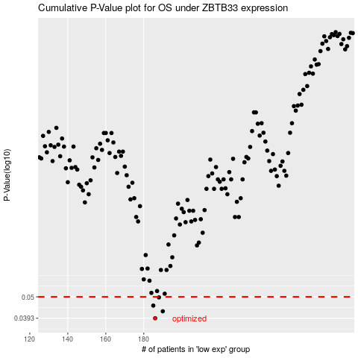

 |  |  |  |  |  | cases_OS | p_OS | rank | exp
 |  |  |  |  |  | 186 | 0.0393 | 61 | -0.32329569336
 |  |  |  |  |  | 190 | 0.0425 | 90 | -0.30813856649
 |  |  |  |  |  | 185 | 0.0453 | 305 | -0.32602647176
 |  |  |  |  |  | 188 | 0.0497 | 264 | -0.31516561927
 |  |  |  |  |  |  | cases_RFS | p_RFS | rank | exp
 |  |  |  |  |  |  | 185 | 0.0393 | 305 | -0.32602647176
 |  |  |  |  |  |  | 189 | 0.0425 | 230 | -0.3102787609
 |  |  |  |  |  |  | 184 | 0.0453 | 310 | -0.32655658815
 |  |  |  |  |  |  | 187 | 0.0497 | 46 | -0.31855282987

