ZBTB34 _multivariate
Reported by Tex Li-Hsing Chi. tex@gate.sinica.edu.tw 2019-08-14

Table 2. The clinicopathological features of HNSCC cohort and ZBTB34 expression. (Chi square test)
Cutoff at -0.195 (49.8%)
 |  | ZBTB34 expression |  | ZBTB34 expression |  | (Optimised)
 | Features | Low | (%) | High | (%) | Case no | P-value | Remark | Matthews
Gender | Female | 149 | 35.9 | 157 | 37.8 | 415 | 0.4848 | 0 | 0
2 | Male | 58 | 14 | 51 | 12.3
Age at diagnosis | <=65y | 135 | 32.5 | 139 | 33.5 | 415 | 0.8084 | 0 | 0
4 | >65y | 72 | 17.3 | 69 | 16.6
Clinical T Status | T1+T2 | 71 | 17.1 | 78 | 18.8 | 415 | 0.5638 | 0 | 0
6 | T3+T4 | 136 | 32.8 | 130 | 31.3
Clinical N Status | N0 | 103 | 24.8 | 113 | 27.2 | 415 | 0.4047 | 0 | 0
8 | N1-3 | 104 | 25.1 | 95 | 22.9
Clinical M Status | M0 | 205 | 49.4 | 207 | 49.9 | 415 | 0.6232 | 0 | 0
10 | M1 | 2 | 0.5 | 1 | 0.2
Clinical Stage | Stage I+II | 50 | 12 | 52 | 12.5 | 415 | 0.9315 | 0 | 0
12 | Stage III+IV | 157 | 37.8 | 156 | 37.6
Surgical Margin status | Negative | 162 | 39 | 156 | 37.6 | 415 | 0.4867 | 0 | 0
14 | Positive | 45 | 10.8 | 52 | 12.5
Tobacco Exposure | Low | 94 | 22.7 | 67 | 16.1 | 415 | 0.0065 | 1 | 0
16 | High | 113 | 27.2 | 141 | 34

Table 3. Univariate/Multivariate Cox's proportional hazards regression analyses on OS time of ZBTB34 gene expression in HNSCC

 |  | Univariate |  |  |  | Multivariate
 | Features | HR | CI95%(L) | CI95%(H) | P-value | HR | CI95%(L) | CI95%(H) | P-value
1 | Female | 1 |  |  |  | 1
Gender | Male | 1.157 | 0.843 | 1.587 | 0.367 | 1.21 | 0.865 | 1.691 | 0.266
11 | <=65y | 1 |  |  |  | 1
Age at diagnosis | >65y | 1.329 | 0.99 | 1.784 | 0.058 | 1.38 | 1.014 | 1.878 | 0.041
12 | T1+T2 | 1 |  |  |  | 1
Clinical T Status | T3+T4 | 1.409 | 1.028 | 1.931 | 0.033 | 2.276 | 1.199 | 4.322 | 0.012
13 | N0 | 1 |  |  |  | 1
Clinical N Status | N1-3 | 1.185 | 0.89 | 1.577 | 0.246 | 1.264 | 0.884 | 1.809 | 0.199
14 | M0 | 1 |  |  |  | 1
Clinical M Status | M1 | 4.097 | 1.009 | 16.644 | 0.049 | 10.04 | 2.175 | 46.334 | 0.003
15 | Stage I+II | 1 |  |  |  | 1
Clinical Stage | Stage III+IV | 1.245 | 0.882 | 1.759 | 0.213 | 0.483 | 0.224 | 1.043 | 0.064
16 | Negative | 1 |  |  |  | 1
Surgical Margin status | Positive | 1.591 | 1.155 | 2.191 | 0.004 | 1.671 | 1.209 | 2.309 | 0.002
17 | Low | 1 |  |  |  | 1
Tobacco Exposure | High | 1.364 | 1.008 | 1.844 | 0.044 | 1.433 | 1.038 | 1.977 | 0.029
18 | Low | 1 |  |  |  | 1
RNAseq(z-score) | High | 1.119 | 0.838 | 1.494 | 0.446 | 1.149 | 0.855 | 1.543 | 0.357

Table 4. Univariate/Multivariate Cox's proportional hazards regression analyses on RFS time of ZBTB34 gene expression in HNSCC

 |  | Univariate |  |  |  | Multivariate
 | Features | HR | CI95%(L) | CI95%(H) | P-value | HR | CI95%(L) | CI95%(H) | P-value
1 | Female | 1 |  |  |  | 1
Gender | Male | 1.157 | 0.843 | 1.587 | 0.367 | 1.21 | 0.865 | 1.691 | 0.266
11 | <=65y | 1 |  |  |  | 1
Age at diagnosis | >65y | 1.329 | 0.99 | 1.784 | 0.058 | 1.38 | 1.014 | 1.878 | 0.041
12 | T1+T2 | 1 |  |  |  | 1
Clinical T Status | T3+T4 | 1.409 | 1.028 | 1.931 | 0.033 | 2.276 | 1.199 | 4.322 | 0.012
13 | N0 | 1 |  |  |  | 1
Clinical N Status | N1-3 | 1.185 | 0.89 | 1.577 | 0.246 | 1.264 | 0.884 | 1.809 | 0.199
14 | M0 | 1 |  |  |  | 1
Clinical M Status | M1 | 4.097 | 1.009 | 16.644 | 0.049 | 10.04 | 2.175 | 46.334 | 0.003
15 | Stage I+II | 1 |  |  |  | 1
Clinical Stage | Stage III+IV | 1.245 | 0.882 | 1.759 | 0.213 | 0.483 | 0.224 | 1.043 | 0.064
16 | Negative | 1 |  |  |  | 1
Surgical Margin status | Positive | 1.591 | 1.155 | 2.191 | 0.004 | 1.671 | 1.209 | 2.309 | 0.002
17 | Low | 1 |  |  |  | 1
Tobacco Exposure | High | 1.364 | 1.008 | 1.844 | 0.044 | 1.433 | 1.038 | 1.977 | 0.029
18 | Low | 1 |  |  |  | 1
RNAseq(z-score) | High | 1.119 | 0.838 | 1.494 | 0.446 | 1.149 | 0.855 | 1.543 | 0.357

Kaplan-Meier survival estimate: Cutoff at -0.195 (49.8%)



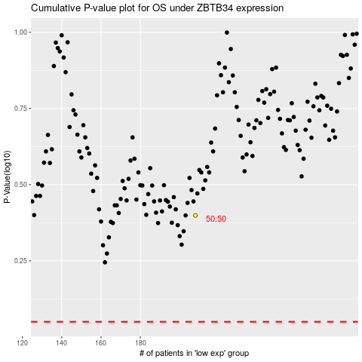

 |  |  |  |  |  | cases_OS | p_OS | rank | exp
 |  |  |  |  |  |  | cases_RFS | p_RFS | rank | exp

