ZBTB38 _multivariate
Reported by Tex Li-Hsing Chi. tex@gate.sinica.edu.tw 2019-08-14

Table 2. The clinicopathological features of HNSCC cohort and ZBTB38 expression. (Chi square test)
Cutoff at -0.154 (49.8%)
 |  | ZBTB38 expression |  | ZBTB38 expression |  | (Optimised)
 | Features | Low | (%) | High | (%) | Case no | P-value | Remark | Matthews
Gender | Female | 149 | 35.9 | 157 | 37.8 | 415 | 0.4848 | 0 | 0
2 | Male | 58 | 14 | 51 | 12.3
Age at diagnosis | <=65y | 141 | 34 | 133 | 32 | 415 | 0.4272 | 0 | 0
4 | >65y | 66 | 15.9 | 75 | 18.1
Clinical T Status | T1+T2 | 72 | 17.3 | 77 | 18.6 | 415 | 0.7095 | 0 | 0
6 | T3+T4 | 135 | 32.5 | 131 | 31.6
Clinical N Status | N0 | 104 | 25.1 | 112 | 27 | 415 | 0.5243 | 0 | 0
8 | N1-3 | 103 | 24.8 | 96 | 23.1
Clinical M Status | M0 | 204 | 49.2 | 208 | 50.1 | 415 | 0.1232 | 0 | 0
10 | M1 | 3 | 0.7 | 0 | 0
Clinical Stage | Stage I+II | 44 | 10.6 | 58 | 14 | 415 | 0.1459 | 0 | 0
12 | Stage III+IV | 163 | 39.3 | 150 | 36.1
Surgical Margin status | Negative | 156 | 37.6 | 162 | 39 | 415 | 0.5636 | 0 | 0
14 | Positive | 51 | 12.3 | 46 | 11.1
Tobacco Exposure | Low | 80 | 19.3 | 81 | 19.5 | 415 | 1 | 0 | 0
16 | High | 127 | 30.6 | 127 | 30.6

Table 3. Univariate/Multivariate Cox's proportional hazards regression analyses on OS time of ZBTB38 gene expression in HNSCC

 |  | Univariate |  |  |  | Multivariate
 | Features | HR | CI95%(L) | CI95%(H) | P-value | HR | CI95%(L) | CI95%(H) | P-value
1 | Female | 1 |  |  |  | 1
Gender | Male | 1.157 | 0.843 | 1.587 | 0.367 | 1.197 | 0.855 | 1.676 | 0.295
11 | <=65y | 1 |  |  |  | 1
Age at diagnosis | >65y | 1.329 | 0.99 | 1.784 | 0.058 | 1.396 | 1.025 | 1.9 | 0.034
12 | T1+T2 | 1 |  |  |  | 1
Clinical T Status | T3+T4 | 1.409 | 1.028 | 1.931 | 0.033 | 2.206 | 1.166 | 4.172 | 0.015
13 | N0 | 1 |  |  |  | 1
Clinical N Status | N1-3 | 1.185 | 0.89 | 1.577 | 0.246 | 1.24 | 0.869 | 1.77 | 0.235
14 | M0 | 1 |  |  |  | 1
Clinical M Status | M1 | 4.097 | 1.009 | 16.644 | 0.049 | 9.277 | 2.012 | 42.781 | 0.004
15 | Stage I+II | 1 |  |  |  | 1
Clinical Stage | Stage III+IV | 1.245 | 0.882 | 1.759 | 0.213 | 0.502 | 0.233 | 1.079 | 0.078
16 | Negative | 1 |  |  |  | 1
Surgical Margin status | Positive | 1.591 | 1.155 | 2.191 | 0.004 | 1.665 | 1.202 | 2.306 | 0.002
17 | Low | 1 |  |  |  | 1
Tobacco Exposure | High | 1.364 | 1.008 | 1.844 | 0.044 | 1.45 | 1.051 | 1.999 | 0.023
18 | Low | 1 |  |  |  | 1
RNAseq(z-score) | High | 0.884 | 0.663 | 1.178 | 0.398 | 0.97 | 0.721 | 1.306 | 0.842

Table 4. Univariate/Multivariate Cox's proportional hazards regression analyses on RFS time of ZBTB38 gene expression in HNSCC

 |  | Univariate |  |  |  | Multivariate
 | Features | HR | CI95%(L) | CI95%(H) | P-value | HR | CI95%(L) | CI95%(H) | P-value
1 | Female | 1 |  |  |  | 1
Gender | Male | 1.157 | 0.843 | 1.587 | 0.367 | 1.197 | 0.855 | 1.676 | 0.295
11 | <=65y | 1 |  |  |  | 1
Age at diagnosis | >65y | 1.329 | 0.99 | 1.784 | 0.058 | 1.396 | 1.025 | 1.9 | 0.034
12 | T1+T2 | 1 |  |  |  | 1
Clinical T Status | T3+T4 | 1.409 | 1.028 | 1.931 | 0.033 | 2.206 | 1.166 | 4.172 | 0.015
13 | N0 | 1 |  |  |  | 1
Clinical N Status | N1-3 | 1.185 | 0.89 | 1.577 | 0.246 | 1.24 | 0.869 | 1.77 | 0.235
14 | M0 | 1 |  |  |  | 1
Clinical M Status | M1 | 4.097 | 1.009 | 16.644 | 0.049 | 9.277 | 2.012 | 42.781 | 0.004
15 | Stage I+II | 1 |  |  |  | 1
Clinical Stage | Stage III+IV | 1.245 | 0.882 | 1.759 | 0.213 | 0.502 | 0.233 | 1.079 | 0.078
16 | Negative | 1 |  |  |  | 1
Surgical Margin status | Positive | 1.591 | 1.155 | 2.191 | 0.004 | 1.665 | 1.202 | 2.306 | 0.002
17 | Low | 1 |  |  |  | 1
Tobacco Exposure | High | 1.364 | 1.008 | 1.844 | 0.044 | 1.45 | 1.051 | 1.999 | 0.023
18 | Low | 1 |  |  |  | 1
RNAseq(z-score) | High | 0.884 | 0.663 | 1.178 | 0.398 | 0.97 | 0.721 | 1.306 | 0.842

Kaplan-Meier survival estimate: Cutoff at -0.154 (49.8%)



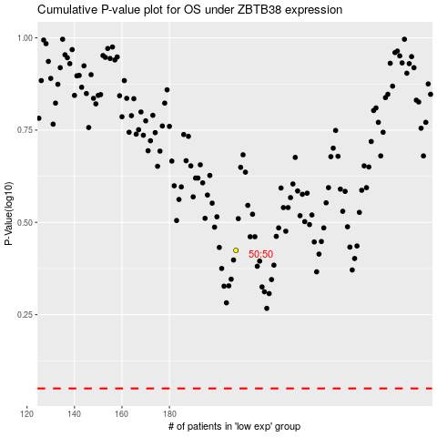

 |  |  |  |  |  | cases_OS | p_OS | rank | exp
 |  |  |  |  |  |  | cases_RFS | p_RFS | rank | exp

