ZBTB4 _multivariate
Reported by Tex Li-Hsing Chi. tex@gate.sinica.edu.tw 2019-08-14

Table 2. The clinicopathological features of HNSCC cohort and ZBTB4 expression. (Chi square test)
Cutoff at 0.415 (69.8%)
 |  | ZBTB4 expression |  | ZBTB4 expression |  | (Optimised)
 | Features | Low | (%) | High | (%) | Case no | P-value | Remark | Matthews
Gender | Female | 211 | 50.8 | 95 | 22.9 | 415 | 0.5708 | 0 | 0
2 | Male | 79 | 19 | 30 | 7.2
Age at diagnosis | <=65y | 189 | 45.5 | 85 | 20.5 | 415 | 0.6563 | 0 | 0
4 | >65y | 101 | 24.3 | 40 | 9.6
Clinical T Status | T1+T2 | 97 | 23.4 | 52 | 12.5 | 415 | 0.1398 | 0 | 0
6 | T3+T4 | 193 | 46.5 | 73 | 17.6
Clinical N Status | N0 | 146 | 35.2 | 70 | 16.9 | 415 | 0.3417 | 0 | 0
8 | N1-3 | 144 | 34.7 | 55 | 13.3
Clinical M Status | M0 | 288 | 69.4 | 124 | 29.9 | 415 | 1 | 0 | 0
10 | M1 | 2 | 0.5 | 1 | 0.2
Clinical Stage | Stage I+II | 66 | 15.9 | 36 | 8.7 | 415 | 0.2352 | 0 | 0
12 | Stage III+IV | 224 | 54 | 89 | 21.4
Surgical Margin status | Negative | 220 | 53 | 98 | 23.6 | 415 | 0.6148 | 0 | 0
14 | Positive | 70 | 16.9 | 27 | 6.5
Tobacco Exposure | Low | 104 | 25.1 | 57 | 13.7 | 415 | 0.0787 | 0 | 0
16 | High | 186 | 44.8 | 68 | 16.4

Table 3. Univariate/Multivariate Cox's proportional hazards regression analyses on OS time of ZBTB4 gene expression in HNSCC

 |  | Univariate |  |  |  | Multivariate
 | Features | HR | CI95%(L) | CI95%(H) | P-value | HR | CI95%(L) | CI95%(H) | P-value
1 | Female | 1 |  |  |  | 1
Gender | Male | 1.157 | 0.843 | 1.587 | 0.367 | 1.157 | 0.823 | 1.625 | 0.402
11 | <=65y | 1 |  |  |  | 1
Age at diagnosis | >65y | 1.329 | 0.99 | 1.784 | 0.058 | 1.36 | 0.998 | 1.853 | 0.051
12 | T1+T2 | 1 |  |  |  | 1
Clinical T Status | T3+T4 | 1.409 | 1.028 | 1.931 | 0.033 | 2.133 | 1.126 | 4.041 | 0.02
13 | N0 | 1 |  |  |  | 1
Clinical N Status | N1-3 | 1.185 | 0.89 | 1.577 | 0.246 | 1.219 | 0.854 | 1.742 | 0.276
14 | M0 | 1 |  |  |  | 1
Clinical M Status | M1 | 4.097 | 1.009 | 16.644 | 0.049 | 9.188 | 2.004 | 42.129 | 0.004
15 | Stage I+II | 1 |  |  |  | 1
Clinical Stage | Stage III+IV | 1.245 | 0.882 | 1.759 | 0.213 | 0.525 | 0.244 | 1.13 | 0.1
16 | Negative | 1 |  |  |  | 1
Surgical Margin status | Positive | 1.591 | 1.155 | 2.191 | 0.004 | 1.651 | 1.194 | 2.281 | 0.002
17 | Low | 1 |  |  |  | 1
Tobacco Exposure | High | 1.364 | 1.008 | 1.844 | 0.044 | 1.417 | 1.026 | 1.956 | 0.034
18 | Low | 1 |  |  |  | 1
RNAseq(z-score) | High | 0.704 | 0.512 | 0.968 | 0.031 | 0.802 | 0.578 | 1.113 | 0.187

Table 4. Univariate/Multivariate Cox's proportional hazards regression analyses on RFS time of ZBTB4 gene expression in HNSCC

 |  | Univariate |  |  |  | Multivariate
 | Features | HR | CI95%(L) | CI95%(H) | P-value | HR | CI95%(L) | CI95%(H) | P-value
1 | Female | 1 |  |  |  | 1
Gender | Male | 1.157 | 0.843 | 1.587 | 0.367 | 1.157 | 0.823 | 1.625 | 0.402
11 | <=65y | 1 |  |  |  | 1
Age at diagnosis | >65y | 1.329 | 0.99 | 1.784 | 0.058 | 1.36 | 0.998 | 1.853 | 0.051
12 | T1+T2 | 1 |  |  |  | 1
Clinical T Status | T3+T4 | 1.409 | 1.028 | 1.931 | 0.033 | 2.133 | 1.126 | 4.041 | 0.02
13 | N0 | 1 |  |  |  | 1
Clinical N Status | N1-3 | 1.185 | 0.89 | 1.577 | 0.246 | 1.219 | 0.854 | 1.742 | 0.276
14 | M0 | 1 |  |  |  | 1
Clinical M Status | M1 | 4.097 | 1.009 | 16.644 | 0.049 | 9.188 | 2.004 | 42.129 | 0.004
15 | Stage I+II | 1 |  |  |  | 1
Clinical Stage | Stage III+IV | 1.245 | 0.882 | 1.759 | 0.213 | 0.525 | 0.244 | 1.13 | 0.1
16 | Negative | 1 |  |  |  | 1
Surgical Margin status | Positive | 1.591 | 1.155 | 2.191 | 0.004 | 1.651 | 1.194 | 2.281 | 0.002
17 | Low | 1 |  |  |  | 1
Tobacco Exposure | High | 1.364 | 1.008 | 1.844 | 0.044 | 1.417 | 1.026 | 1.956 | 0.034
18 | Low | 1 |  |  |  | 1
RNAseq(z-score) | High | 0.704 | 0.512 | 0.968 | 0.031 | 0.802 | 0.578 | 1.113 | 0.187

Kaplan-Meier survival estimate: Cutoff at 0.415 (69.8%)



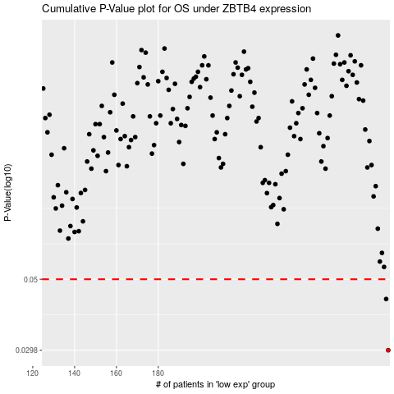

 |  |  |  |  |  | cases_OS | p_OS | rank | exp
 |  |  |  |  |  | 290 | 0.0298 | 90 | 0.4150964152
 |  |  |  |  |  | 289 | 0.0433 | 281 | 0.4112005945
 |  |  |  |  |  |  | cases_RFS | p_RFS | rank | exp
 |  |  |  |  |  |  | 289 | 0.0298 | 281 | 0.4112005945
 |  |  |  |  |  |  | 288 | 0.0433 | 180 | 0.39844652874

