ZBTB41 _multivariate
Reported by Tex Li-Hsing Chi. tex@gate.sinica.edu.tw 2019-08-14

Table 2. The clinicopathological features of HNSCC cohort and ZBTB41 expression. (Chi square test)
Cutoff at -0.137 (49.8%)
 |  | ZBTB41 expression |  | ZBTB41 expression |  | (Optimised)
 | Features | Low | (%) | High | (%) | Case no | P-value | Remark | Matthews
Gender | Female | 149 | 35.9 | 157 | 37.8 | 415 | 0.4848 | 0 | 0
2 | Male | 58 | 14 | 51 | 12.3
Age at diagnosis | <=65y | 131 | 31.6 | 143 | 34.5 | 415 | 0.2839 | 0 | 0
4 | >65y | 76 | 18.3 | 65 | 15.7
Clinical T Status | T1+T2 | 79 | 19 | 70 | 16.9 | 415 | 0.3924 | 0 | 0
6 | T3+T4 | 128 | 30.8 | 138 | 33.3
Clinical N Status | N0 | 117 | 28.2 | 99 | 23.9 | 415 | 0.0852 | 1 | 0
8 | N1-3 | 90 | 21.7 | 109 | 26.3
Clinical M Status | M0 | 204 | 49.2 | 208 | 50.1 | 415 | 0.1232 | 0 | 0
10 | M1 | 3 | 0.7 | 0 | 0
Clinical Stage | Stage I+II | 53 | 12.8 | 49 | 11.8 | 415 | 0.7113 | 0 | 0
12 | Stage III+IV | 154 | 37.1 | 159 | 38.3
Surgical Margin status | Negative | 156 | 37.6 | 162 | 39 | 415 | 0.5636 | 0 | 0
14 | Positive | 51 | 12.3 | 46 | 11.1
Tobacco Exposure | Low | 91 | 21.9 | 70 | 16.9 | 415 | 0.0346 | 1 | 0
16 | High | 116 | 28 | 138 | 33.3

Table 3. Univariate/Multivariate Cox's proportional hazards regression analyses on OS time of ZBTB41 gene expression in HNSCC

 |  | Univariate |  |  |  | Multivariate
 | Features | HR | CI95%(L) | CI95%(H) | P-value | HR | CI95%(L) | CI95%(H) | P-value
1 | Female | 1 |  |  |  | 1
Gender | Male | 1.157 | 0.843 | 1.587 | 0.367 | 1.215 | 0.869 | 1.699 | 0.254
11 | <=65y | 1 |  |  |  | 1
Age at diagnosis | >65y | 1.329 | 0.99 | 1.784 | 0.058 | 1.421 | 1.042 | 1.938 | 0.026
12 | T1+T2 | 1 |  |  |  | 1
Clinical T Status | T3+T4 | 1.409 | 1.028 | 1.931 | 0.033 | 2.203 | 1.165 | 4.163 | 0.015
13 | N0 | 1 |  |  |  | 1
Clinical N Status | N1-3 | 1.185 | 0.89 | 1.577 | 0.246 | 1.216 | 0.85 | 1.741 | 0.284
14 | M0 | 1 |  |  |  | 1
Clinical M Status | M1 | 4.097 | 1.009 | 16.644 | 0.049 | 10.255 | 2.208 | 47.634 | 0.003
15 | Stage I+II | 1 |  |  |  | 1
Clinical Stage | Stage III+IV | 1.245 | 0.882 | 1.759 | 0.213 | 0.506 | 0.236 | 1.086 | 0.08
16 | Negative | 1 |  |  |  | 1
Surgical Margin status | Positive | 1.591 | 1.155 | 2.191 | 0.004 | 1.683 | 1.218 | 2.327 | 0.002
17 | Low | 1 |  |  |  | 1
Tobacco Exposure | High | 1.364 | 1.008 | 1.844 | 0.044 | 1.448 | 1.051 | 1.994 | 0.024
18 | Low | 1 |  |  |  | 1
RNAseq(z-score) | High | 1.068 | 0.802 | 1.422 | 0.655 | 1.142 | 0.847 | 1.539 | 0.383

Table 4. Univariate/Multivariate Cox's proportional hazards regression analyses on RFS time of ZBTB41 gene expression in HNSCC

 |  | Univariate |  |  |  | Multivariate
 | Features | HR | CI95%(L) | CI95%(H) | P-value | HR | CI95%(L) | CI95%(H) | P-value
1 | Female | 1 |  |  |  | 1
Gender | Male | 1.157 | 0.843 | 1.587 | 0.367 | 1.215 | 0.869 | 1.699 | 0.254
11 | <=65y | 1 |  |  |  | 1
Age at diagnosis | >65y | 1.329 | 0.99 | 1.784 | 0.058 | 1.421 | 1.042 | 1.938 | 0.026
12 | T1+T2 | 1 |  |  |  | 1
Clinical T Status | T3+T4 | 1.409 | 1.028 | 1.931 | 0.033 | 2.203 | 1.165 | 4.163 | 0.015
13 | N0 | 1 |  |  |  | 1
Clinical N Status | N1-3 | 1.185 | 0.89 | 1.577 | 0.246 | 1.216 | 0.85 | 1.741 | 0.284
14 | M0 | 1 |  |  |  | 1
Clinical M Status | M1 | 4.097 | 1.009 | 16.644 | 0.049 | 10.255 | 2.208 | 47.634 | 0.003
15 | Stage I+II | 1 |  |  |  | 1
Clinical Stage | Stage III+IV | 1.245 | 0.882 | 1.759 | 0.213 | 0.506 | 0.236 | 1.086 | 0.08
16 | Negative | 1 |  |  |  | 1
Surgical Margin status | Positive | 1.591 | 1.155 | 2.191 | 0.004 | 1.683 | 1.218 | 2.327 | 0.002
17 | Low | 1 |  |  |  | 1
Tobacco Exposure | High | 1.364 | 1.008 | 1.844 | 0.044 | 1.448 | 1.051 | 1.994 | 0.024
18 | Low | 1 |  |  |  | 1
RNAseq(z-score) | High | 1.068 | 0.802 | 1.422 | 0.655 | 1.142 | 0.847 | 1.539 | 0.383

Kaplan-Meier survival estimate: Cutoff at -0.137 (49.8%)

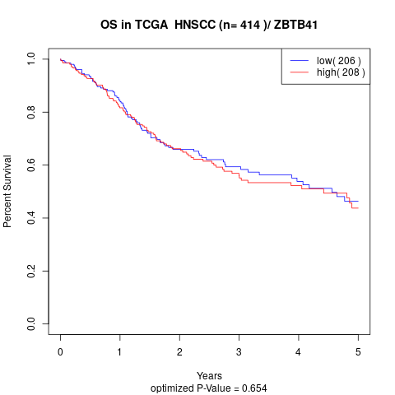

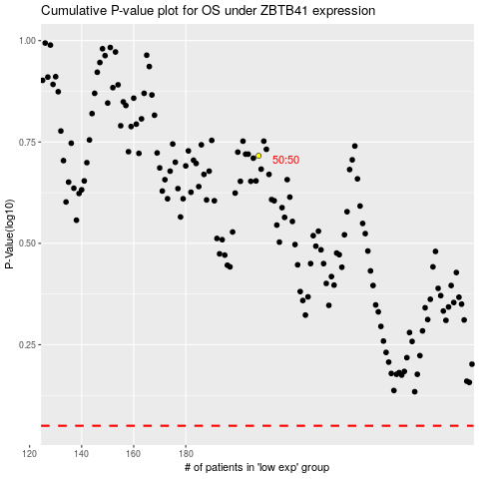

 |  |  |  |  |  | cases_OS | p_OS | rank | exp
 |  |  |  |  |  |  | cases_RFS | p_RFS | rank | exp

