ZBTB42 _multivariate
Reported by Tex Li-Hsing Chi. tex@gate.sinica.edu.tw 2019-08-14

Table 2. The clinicopathological features of HNSCC cohort and ZBTB42 expression. (Chi square test)
Cutoff at -0.342 (49.8%)
 |  | ZBTB42 expression |  | ZBTB42 expression |  | (Optimised)
 | Features | Low | (%) | High | (%) | Case no | P-value | Remark | Matthews
Gender | Female | 143 | 34.5 | 163 | 39.3 | 415 | 0.0416 | 1 | 0
2 | Male | 64 | 15.4 | 45 | 10.8
Age at diagnosis | <=65y | 133 | 32 | 141 | 34 | 415 | 0.5111 | 0 | 0
4 | >65y | 74 | 17.8 | 67 | 16.1
Clinical T Status | T1+T2 | 77 | 18.6 | 72 | 17.3 | 415 | 0.6556 | 0 | 0
6 | T3+T4 | 130 | 31.3 | 136 | 32.8
Clinical N Status | N0 | 103 | 24.8 | 113 | 27.2 | 415 | 0.4047 | 0 | 0
8 | N1-3 | 104 | 25.1 | 95 | 22.9
Clinical M Status | M0 | 205 | 49.4 | 207 | 49.9 | 415 | 0.6232 | 0 | 0
10 | M1 | 2 | 0.5 | 1 | 0.2
Clinical Stage | Stage I+II | 53 | 12.8 | 49 | 11.8 | 415 | 0.7113 | 0 | 0
12 | Stage III+IV | 154 | 37.1 | 159 | 38.3
Surgical Margin status | Negative | 160 | 38.6 | 158 | 38.1 | 415 | 0.8167 | 0 | 0
14 | Positive | 47 | 11.3 | 50 | 12
Tobacco Exposure | Low | 83 | 20 | 78 | 18.8 | 415 | 0.6152 | 0 | 0
16 | High | 124 | 29.9 | 130 | 31.3

Table 3. Univariate/Multivariate Cox's proportional hazards regression analyses on OS time of ZBTB42 gene expression in HNSCC

 |  | Univariate |  |  |  | Multivariate
 | Features | HR | CI95%(L) | CI95%(H) | P-value | HR | CI95%(L) | CI95%(H) | P-value
1 | Female | 1 |  |  |  | 1
Gender | Male | 1.157 | 0.843 | 1.587 | 0.367 | 1.198 | 0.857 | 1.674 | 0.29
11 | <=65y | 1 |  |  |  | 1
Age at diagnosis | >65y | 1.329 | 0.99 | 1.784 | 0.058 | 1.392 | 1.024 | 1.892 | 0.035
12 | T1+T2 | 1 |  |  |  | 1
Clinical T Status | T3+T4 | 1.409 | 1.028 | 1.931 | 0.033 | 2.206 | 1.167 | 4.171 | 0.015
13 | N0 | 1 |  |  |  | 1
Clinical N Status | N1-3 | 1.185 | 0.89 | 1.577 | 0.246 | 1.237 | 0.866 | 1.765 | 0.242
14 | M0 | 1 |  |  |  | 1
Clinical M Status | M1 | 4.097 | 1.009 | 16.644 | 0.049 | 9.374 | 2.045 | 42.974 | 0.004
15 | Stage I+II | 1 |  |  |  | 1
Clinical Stage | Stage III+IV | 1.245 | 0.882 | 1.759 | 0.213 | 0.508 | 0.236 | 1.092 | 0.083
16 | Negative | 1 |  |  |  | 1
Surgical Margin status | Positive | 1.591 | 1.155 | 2.191 | 0.004 | 1.673 | 1.211 | 2.312 | 0.002
17 | Low | 1 |  |  |  | 1
Tobacco Exposure | High | 1.364 | 1.008 | 1.844 | 0.044 | 1.456 | 1.056 | 2.007 | 0.022
18 | Low | 1 |  |  |  | 1
RNAseq(z-score) | High | 0.986 | 0.74 | 1.314 | 0.924 | 0.956 | 0.714 | 1.279 | 0.76

Table 4. Univariate/Multivariate Cox's proportional hazards regression analyses on RFS time of ZBTB42 gene expression in HNSCC

 |  | Univariate |  |  |  | Multivariate
 | Features | HR | CI95%(L) | CI95%(H) | P-value | HR | CI95%(L) | CI95%(H) | P-value
1 | Female | 1 |  |  |  | 1
Gender | Male | 1.157 | 0.843 | 1.587 | 0.367 | 1.198 | 0.857 | 1.674 | 0.29
11 | <=65y | 1 |  |  |  | 1
Age at diagnosis | >65y | 1.329 | 0.99 | 1.784 | 0.058 | 1.392 | 1.024 | 1.892 | 0.035
12 | T1+T2 | 1 |  |  |  | 1
Clinical T Status | T3+T4 | 1.409 | 1.028 | 1.931 | 0.033 | 2.206 | 1.167 | 4.171 | 0.015
13 | N0 | 1 |  |  |  | 1
Clinical N Status | N1-3 | 1.185 | 0.89 | 1.577 | 0.246 | 1.237 | 0.866 | 1.765 | 0.242
14 | M0 | 1 |  |  |  | 1
Clinical M Status | M1 | 4.097 | 1.009 | 16.644 | 0.049 | 9.374 | 2.045 | 42.974 | 0.004
15 | Stage I+II | 1 |  |  |  | 1
Clinical Stage | Stage III+IV | 1.245 | 0.882 | 1.759 | 0.213 | 0.508 | 0.236 | 1.092 | 0.083
16 | Negative | 1 |  |  |  | 1
Surgical Margin status | Positive | 1.591 | 1.155 | 2.191 | 0.004 | 1.673 | 1.211 | 2.312 | 0.002
17 | Low | 1 |  |  |  | 1
Tobacco Exposure | High | 1.364 | 1.008 | 1.844 | 0.044 | 1.456 | 1.056 | 2.007 | 0.022
18 | Low | 1 |  |  |  | 1
RNAseq(z-score) | High | 0.986 | 0.74 | 1.314 | 0.924 | 0.956 | 0.714 | 1.279 | 0.76

Kaplan-Meier survival estimate: Cutoff at -0.342 (49.8%)



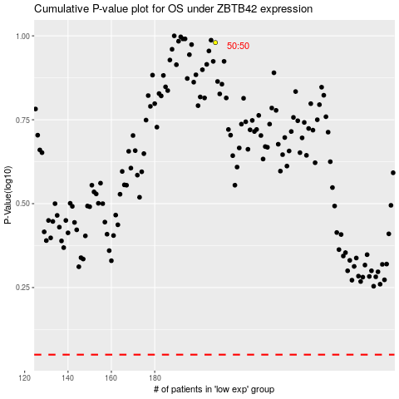

 |  |  |  |  |  | cases_OS | p_OS | rank | exp
 |  |  |  |  |  |  | cases_RFS | p_RFS | rank | exp

