ZBTB43 _multivariate
Reported by Tex Li-Hsing Chi. tex@gate.sinica.edu.tw 2019-08-14

Table 2. The clinicopathological features of HNSCC cohort and ZBTB43 expression. (Chi square test)
Cutoff at -0.128 (50.0%)
 |  | ZBTB43 expression |  | ZBTB43 expression |  | (Optimised)
 | Features | Low | (%) | High | (%) | Case no | P-value | Remark | Matthews
Gender | Female | 161 | 38.8 | 145 | 34.9 | 415 | 0.0792 | 0 | 0
2 | Male | 46 | 11.1 | 63 | 15.2
Age at diagnosis | <=65y | 140 | 33.7 | 134 | 32.3 | 415 | 0.5574 | 0 | 0
4 | >65y | 67 | 16.1 | 74 | 17.8
Clinical T Status | T1+T2 | 70 | 16.9 | 79 | 19 | 415 | 0.4343 | 0 | 0
6 | T3+T4 | 137 | 33 | 129 | 31.1
Clinical N Status | N0 | 103 | 24.8 | 113 | 27.2 | 415 | 0.4047 | 0 | 0
8 | N1-3 | 104 | 25.1 | 95 | 22.9
Clinical M Status | M0 | 205 | 49.4 | 207 | 49.9 | 415 | 0.6232 | 0 | 0
10 | M1 | 2 | 0.5 | 1 | 0.2
Clinical Stage | Stage I+II | 46 | 11.1 | 56 | 13.5 | 415 | 0.3182 | 0 | 0
12 | Stage III+IV | 161 | 38.8 | 152 | 36.6
Surgical Margin status | Negative | 162 | 39 | 156 | 37.6 | 415 | 0.4867 | 0 | 0
14 | Positive | 45 | 10.8 | 52 | 12.5
Tobacco Exposure | Low | 82 | 19.8 | 79 | 19 | 415 | 0.763 | 0 | 0
16 | High | 125 | 30.1 | 129 | 31.1

Table 3. Univariate/Multivariate Cox's proportional hazards regression analyses on OS time of ZBTB43 gene expression in HNSCC

 |  | Univariate |  |  |  | Multivariate
 | Features | HR | CI95%(L) | CI95%(H) | P-value | HR | CI95%(L) | CI95%(H) | P-value
1 | Female | 1 |  |  |  | 1
Gender | Male | 1.157 | 0.843 | 1.587 | 0.367 | 1.188 | 0.85 | 1.661 | 0.313
11 | <=65y | 1 |  |  |  | 1
Age at diagnosis | >65y | 1.329 | 0.99 | 1.784 | 0.058 | 1.371 | 1.006 | 1.868 | 0.046
12 | T1+T2 | 1 |  |  |  | 1
Clinical T Status | T3+T4 | 1.409 | 1.028 | 1.931 | 0.033 | 2.215 | 1.171 | 4.188 | 0.014
13 | N0 | 1 |  |  |  | 1
Clinical N Status | N1-3 | 1.185 | 0.89 | 1.577 | 0.246 | 1.242 | 0.87 | 1.772 | 0.233
14 | M0 | 1 |  |  |  | 1
Clinical M Status | M1 | 4.097 | 1.009 | 16.644 | 0.049 | 9.767 | 2.125 | 44.893 | 0.003
15 | Stage I+II | 1 |  |  |  | 1
Clinical Stage | Stage III+IV | 1.245 | 0.882 | 1.759 | 0.213 | 0.502 | 0.234 | 1.077 | 0.077
16 | Negative | 1 |  |  |  | 1
Surgical Margin status | Positive | 1.591 | 1.155 | 2.191 | 0.004 | 1.66 | 1.201 | 2.295 | 0.002
17 | Low | 1 |  |  |  | 1
Tobacco Exposure | High | 1.364 | 1.008 | 1.844 | 0.044 | 1.448 | 1.051 | 1.995 | 0.024
18 | Low | 1 |  |  |  | 1
RNAseq(z-score) | High | 1.176 | 0.881 | 1.571 | 0.27 | 1.128 | 0.841 | 1.513 | 0.421

Table 4. Univariate/Multivariate Cox's proportional hazards regression analyses on RFS time of ZBTB43 gene expression in HNSCC

 |  | Univariate |  |  |  | Multivariate
 | Features | HR | CI95%(L) | CI95%(H) | P-value | HR | CI95%(L) | CI95%(H) | P-value
1 | Female | 1 |  |  |  | 1
Gender | Male | 1.157 | 0.843 | 1.587 | 0.367 | 1.188 | 0.85 | 1.661 | 0.313
11 | <=65y | 1 |  |  |  | 1
Age at diagnosis | >65y | 1.329 | 0.99 | 1.784 | 0.058 | 1.371 | 1.006 | 1.868 | 0.046
12 | T1+T2 | 1 |  |  |  | 1
Clinical T Status | T3+T4 | 1.409 | 1.028 | 1.931 | 0.033 | 2.215 | 1.171 | 4.188 | 0.014
13 | N0 | 1 |  |  |  | 1
Clinical N Status | N1-3 | 1.185 | 0.89 | 1.577 | 0.246 | 1.242 | 0.87 | 1.772 | 0.233
14 | M0 | 1 |  |  |  | 1
Clinical M Status | M1 | 4.097 | 1.009 | 16.644 | 0.049 | 9.767 | 2.125 | 44.893 | 0.003
15 | Stage I+II | 1 |  |  |  | 1
Clinical Stage | Stage III+IV | 1.245 | 0.882 | 1.759 | 0.213 | 0.502 | 0.234 | 1.077 | 0.077
16 | Negative | 1 |  |  |  | 1
Surgical Margin status | Positive | 1.591 | 1.155 | 2.191 | 0.004 | 1.66 | 1.201 | 2.295 | 0.002
17 | Low | 1 |  |  |  | 1
Tobacco Exposure | High | 1.364 | 1.008 | 1.844 | 0.044 | 1.448 | 1.051 | 1.995 | 0.024
18 | Low | 1 |  |  |  | 1
RNAseq(z-score) | High | 1.176 | 0.881 | 1.571 | 0.27 | 1.128 | 0.841 | 1.513 | 0.421

Kaplan-Meier survival estimate: Cutoff at -0.128 (50.0%)



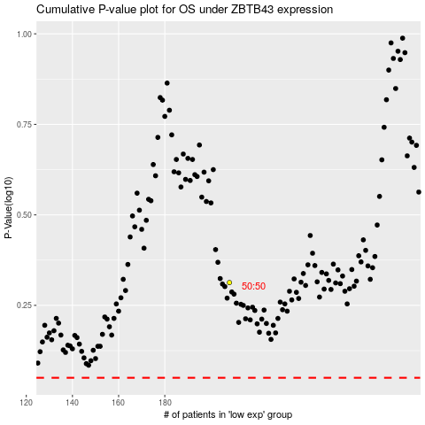

 |  |  |  |  |  | cases_OS | p_OS | rank | exp
 |  |  |  |  |  |  | cases_RFS | p_RFS | rank | exp

