ZBTB45 _multivariate
Reported by Tex Li-Hsing Chi. tex@gate.sinica.edu.tw 2019-08-14

Table 2. The clinicopathological features of HNSCC cohort and ZBTB45 expression. (Chi square test)
Cutoff at -0.171 (49.8%)
 |  | ZBTB45 expression |  | ZBTB45 expression |  | (Optimised)
 | Features | Low | (%) | High | (%) | Case no | P-value | Remark | Matthews
Gender | Female | 153 | 36.9 | 153 | 36.9 | 415 | 1 | 0 | 0
2 | Male | 54 | 13 | 55 | 13.3
Age at diagnosis | <=65y | 140 | 33.7 | 134 | 32.3 | 415 | 0.5574 | 0 | 0
4 | >65y | 67 | 16.1 | 74 | 17.8
Clinical T Status | T1+T2 | 67 | 16.1 | 82 | 19.8 | 415 | 0.1628 | 0 | 0
6 | T3+T4 | 140 | 33.7 | 126 | 30.4
Clinical N Status | N0 | 103 | 24.8 | 113 | 27.2 | 415 | 0.4047 | 0 | 0
8 | N1-3 | 104 | 25.1 | 95 | 22.9
Clinical M Status | M0 | 205 | 49.4 | 207 | 49.9 | 415 | 0.6232 | 0 | 0
10 | M1 | 2 | 0.5 | 1 | 0.2
Clinical Stage | Stage I+II | 46 | 11.1 | 56 | 13.5 | 415 | 0.3182 | 0 | 0
12 | Stage III+IV | 161 | 38.8 | 152 | 36.6
Surgical Margin status | Negative | 162 | 39 | 156 | 37.6 | 415 | 0.4867 | 0 | 0
14 | Positive | 45 | 10.8 | 52 | 12.5
Tobacco Exposure | Low | 72 | 17.3 | 89 | 21.4 | 415 | 0.1071 | 0 | 0
16 | High | 135 | 32.5 | 119 | 28.7

Table 3. Univariate/Multivariate Cox's proportional hazards regression analyses on OS time of ZBTB45 gene expression in HNSCC

 |  | Univariate |  |  |  | Multivariate
 | Features | HR | CI95%(L) | CI95%(H) | P-value | HR | CI95%(L) | CI95%(H) | P-value
1 | Female | 1 |  |  |  | 1
Gender | Male | 1.157 | 0.843 | 1.587 | 0.367 | 1.209 | 0.865 | 1.688 | 0.266
11 | <=65y | 1 |  |  |  | 1
Age at diagnosis | >65y | 1.329 | 0.99 | 1.784 | 0.058 | 1.367 | 1.005 | 1.859 | 0.047
12 | T1+T2 | 1 |  |  |  | 1
Clinical T Status | T3+T4 | 1.409 | 1.028 | 1.931 | 0.033 | 2.174 | 1.15 | 4.111 | 0.017
13 | N0 | 1 |  |  |  | 1
Clinical N Status | N1-3 | 1.185 | 0.89 | 1.577 | 0.246 | 1.244 | 0.872 | 1.775 | 0.229
14 | M0 | 1 |  |  |  | 1
Clinical M Status | M1 | 4.097 | 1.009 | 16.644 | 0.049 | 8.84 | 1.921 | 40.685 | 0.005
15 | Stage I+II | 1 |  |  |  | 1
Clinical Stage | Stage III+IV | 1.245 | 0.882 | 1.759 | 0.213 | 0.513 | 0.239 | 1.103 | 0.087
16 | Negative | 1 |  |  |  | 1
Surgical Margin status | Positive | 1.591 | 1.155 | 2.191 | 0.004 | 1.677 | 1.214 | 2.318 | 0.002
17 | Low | 1 |  |  |  | 1
Tobacco Exposure | High | 1.364 | 1.008 | 1.844 | 0.044 | 1.442 | 1.046 | 1.987 | 0.025
18 | Low | 1 |  |  |  | 1
RNAseq(z-score) | High | 0.822 | 0.617 | 1.095 | 0.181 | 0.851 | 0.636 | 1.139 | 0.278

Table 4. Univariate/Multivariate Cox's proportional hazards regression analyses on RFS time of ZBTB45 gene expression in HNSCC

 |  | Univariate |  |  |  | Multivariate
 | Features | HR | CI95%(L) | CI95%(H) | P-value | HR | CI95%(L) | CI95%(H) | P-value
1 | Female | 1 |  |  |  | 1
Gender | Male | 1.157 | 0.843 | 1.587 | 0.367 | 1.209 | 0.865 | 1.688 | 0.266
11 | <=65y | 1 |  |  |  | 1
Age at diagnosis | >65y | 1.329 | 0.99 | 1.784 | 0.058 | 1.367 | 1.005 | 1.859 | 0.047
12 | T1+T2 | 1 |  |  |  | 1
Clinical T Status | T3+T4 | 1.409 | 1.028 | 1.931 | 0.033 | 2.174 | 1.15 | 4.111 | 0.017
13 | N0 | 1 |  |  |  | 1
Clinical N Status | N1-3 | 1.185 | 0.89 | 1.577 | 0.246 | 1.244 | 0.872 | 1.775 | 0.229
14 | M0 | 1 |  |  |  | 1
Clinical M Status | M1 | 4.097 | 1.009 | 16.644 | 0.049 | 8.84 | 1.921 | 40.685 | 0.005
15 | Stage I+II | 1 |  |  |  | 1
Clinical Stage | Stage III+IV | 1.245 | 0.882 | 1.759 | 0.213 | 0.513 | 0.239 | 1.103 | 0.087
16 | Negative | 1 |  |  |  | 1
Surgical Margin status | Positive | 1.591 | 1.155 | 2.191 | 0.004 | 1.677 | 1.214 | 2.318 | 0.002
17 | Low | 1 |  |  |  | 1
Tobacco Exposure | High | 1.364 | 1.008 | 1.844 | 0.044 | 1.442 | 1.046 | 1.987 | 0.025
18 | Low | 1 |  |  |  | 1
RNAseq(z-score) | High | 0.822 | 0.617 | 1.095 | 0.181 | 0.851 | 0.636 | 1.139 | 0.278

Kaplan-Meier survival estimate: Cutoff at -0.171 (49.8%)



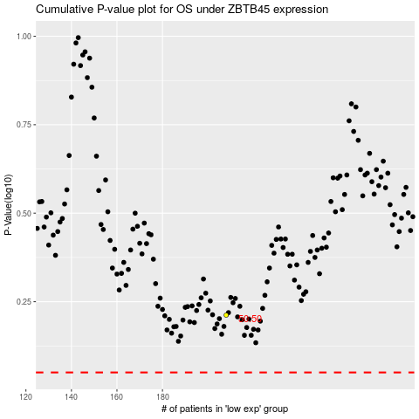

 |  |  |  |  |  | cases_OS | p_OS | rank | exp
 |  |  |  |  |  |  | cases_RFS | p_RFS | rank | exp

