ZBTB47 _multivariate
Reported by Tex Li-Hsing Chi. tex@gate.sinica.edu.tw 2019-08-14

Table 2. The clinicopathological features of HNSCC cohort and ZBTB47 expression. (Chi square test)
Cutoff at -0.25 (50.0%)
 |  | ZBTB47 expression |  | ZBTB47 expression |  | (Optimised)
 | Features | Low | (%) | High | (%) | Case no | P-value | Remark | Matthews
Gender | Female | 161 | 38.8 | 145 | 34.9 | 415 | 0.0792 | 0 | 0
2 | Male | 46 | 11.1 | 63 | 15.2
Age at diagnosis | <=65y | 142 | 34.2 | 132 | 31.8 | 415 | 0.3167 | 0 | 0
4 | >65y | 65 | 15.7 | 76 | 18.3
Clinical T Status | T1+T2 | 62 | 14.9 | 87 | 21 | 415 | 0.0156 | 1 | 0
6 | T3+T4 | 145 | 34.9 | 121 | 29.2
Clinical N Status | N0 | 99 | 23.9 | 117 | 28.2 | 415 | 0.1054 | 0 | 0
8 | N1-3 | 108 | 26 | 91 | 21.9
Clinical M Status | M0 | 204 | 49.2 | 208 | 50.1 | 415 | 0.1232 | 0 | 0
10 | M1 | 3 | 0.7 | 0 | 0
Clinical Stage | Stage I+II | 39 | 9.4 | 63 | 15.2 | 415 | 0.0095 | 1 | 0
12 | Stage III+IV | 168 | 40.5 | 145 | 34.9
Surgical Margin status | Negative | 161 | 38.8 | 157 | 37.8 | 415 | 0.6429 | 0 | 0
14 | Positive | 46 | 11.1 | 51 | 12.3
Tobacco Exposure | Low | 73 | 17.6 | 88 | 21.2 | 415 | 0.1587 | 0 | 0
16 | High | 134 | 32.3 | 120 | 28.9

Table 3. Univariate/Multivariate Cox's proportional hazards regression analyses on OS time of ZBTB47 gene expression in HNSCC

 |  | Univariate |  |  |  | Multivariate
 | Features | HR | CI95%(L) | CI95%(H) | P-value | HR | CI95%(L) | CI95%(H) | P-value
1 | Female | 1 |  |  |  | 1
Gender | Male | 1.157 | 0.843 | 1.587 | 0.367 | 1.213 | 0.866 | 1.7 | 0.261
11 | <=65y | 1 |  |  |  | 1
Age at diagnosis | >65y | 1.329 | 0.99 | 1.784 | 0.058 | 1.392 | 1.025 | 1.892 | 0.034
12 | T1+T2 | 1 |  |  |  | 1
Clinical T Status | T3+T4 | 1.409 | 1.028 | 1.931 | 0.033 | 2.195 | 1.161 | 4.151 | 0.016
13 | N0 | 1 |  |  |  | 1
Clinical N Status | N1-3 | 1.185 | 0.89 | 1.577 | 0.246 | 1.233 | 0.863 | 1.761 | 0.25
14 | M0 | 1 |  |  |  | 1
Clinical M Status | M1 | 4.097 | 1.009 | 16.644 | 0.049 | 9.141 | 1.985 | 42.1 | 0.005
15 | Stage I+II | 1 |  |  |  | 1
Clinical Stage | Stage III+IV | 1.245 | 0.882 | 1.759 | 0.213 | 0.503 | 0.234 | 1.08 | 0.078
16 | Negative | 1 |  |  |  | 1
Surgical Margin status | Positive | 1.591 | 1.155 | 2.191 | 0.004 | 1.681 | 1.215 | 2.325 | 0.002
17 | Low | 1 |  |  |  | 1
Tobacco Exposure | High | 1.364 | 1.008 | 1.844 | 0.044 | 1.454 | 1.055 | 2.004 | 0.022
18 | Low | 1 |  |  |  | 1
RNAseq(z-score) | High | 0.93 | 0.698 | 1.239 | 0.62 | 0.933 | 0.694 | 1.254 | 0.646

Table 4. Univariate/Multivariate Cox's proportional hazards regression analyses on RFS time of ZBTB47 gene expression in HNSCC

 |  | Univariate |  |  |  | Multivariate
 | Features | HR | CI95%(L) | CI95%(H) | P-value | HR | CI95%(L) | CI95%(H) | P-value
1 | Female | 1 |  |  |  | 1
Gender | Male | 1.157 | 0.843 | 1.587 | 0.367 | 1.213 | 0.866 | 1.7 | 0.261
11 | <=65y | 1 |  |  |  | 1
Age at diagnosis | >65y | 1.329 | 0.99 | 1.784 | 0.058 | 1.392 | 1.025 | 1.892 | 0.034
12 | T1+T2 | 1 |  |  |  | 1
Clinical T Status | T3+T4 | 1.409 | 1.028 | 1.931 | 0.033 | 2.195 | 1.161 | 4.151 | 0.016
13 | N0 | 1 |  |  |  | 1
Clinical N Status | N1-3 | 1.185 | 0.89 | 1.577 | 0.246 | 1.233 | 0.863 | 1.761 | 0.25
14 | M0 | 1 |  |  |  | 1
Clinical M Status | M1 | 4.097 | 1.009 | 16.644 | 0.049 | 9.141 | 1.985 | 42.1 | 0.005
15 | Stage I+II | 1 |  |  |  | 1
Clinical Stage | Stage III+IV | 1.245 | 0.882 | 1.759 | 0.213 | 0.503 | 0.234 | 1.08 | 0.078
16 | Negative | 1 |  |  |  | 1
Surgical Margin status | Positive | 1.591 | 1.155 | 2.191 | 0.004 | 1.681 | 1.215 | 2.325 | 0.002
17 | Low | 1 |  |  |  | 1
Tobacco Exposure | High | 1.364 | 1.008 | 1.844 | 0.044 | 1.454 | 1.055 | 2.004 | 0.022
18 | Low | 1 |  |  |  | 1
RNAseq(z-score) | High | 0.93 | 0.698 | 1.239 | 0.62 | 0.933 | 0.694 | 1.254 | 0.646

Kaplan-Meier survival estimate: Cutoff at -0.25 (50.0%)



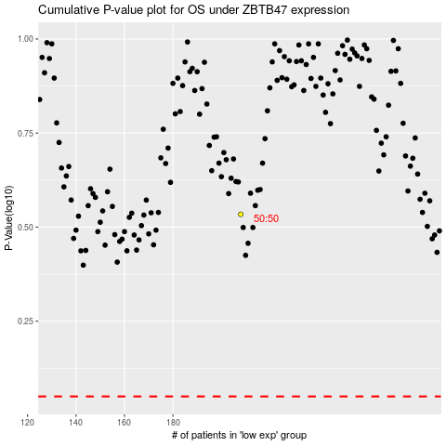

 |  |  |  |  |  | cases_OS | p_OS | rank | exp
 |  |  |  |  |  |  | cases_RFS | p_RFS | rank | exp

