ZBTB48 _multivariate
Reported by Tex Li-Hsing Chi. tex@gate.sinica.edu.tw 2019-08-14

Table 2. The clinicopathological features of HNSCC cohort and ZBTB48 expression. (Chi square test)
Cutoff at -0.294 (49.8%)
 |  | ZBTB48 expression |  | ZBTB48 expression |  | (Optimised)
 | Features | Low | (%) | High | (%) | Case no | P-value | Remark | Matthews
Gender | Female | 139 | 33.5 | 167 | 40.2 | 415 | 0.0034 | 1 | 0
2 | Male | 68 | 16.4 | 41 | 9.9
Age at diagnosis | <=65y | 130 | 31.3 | 144 | 34.7 | 415 | 0.2009 | 0 | 0
4 | >65y | 77 | 18.6 | 64 | 15.4
Clinical T Status | T1+T2 | 75 | 18.1 | 74 | 17.8 | 415 | 0.9707 | 0 | 0
6 | T3+T4 | 132 | 31.8 | 134 | 32.3
Clinical N Status | N0 | 109 | 26.3 | 107 | 25.8 | 415 | 0.8812 | 0 | 0
8 | N1-3 | 98 | 23.6 | 101 | 24.3
Clinical M Status | M0 | 207 | 49.9 | 205 | 49.4 | 415 | 0.2482 | 0 | 0
10 | M1 | 0 | 0 | 3 | 0.7
Clinical Stage | Stage I+II | 58 | 14 | 44 | 10.6 | 415 | 0.131 | 0 | 0
12 | Stage III+IV | 149 | 35.9 | 164 | 39.5
Surgical Margin status | Negative | 165 | 39.8 | 153 | 36.9 | 415 | 0.1639 | 0 | 0
14 | Positive | 42 | 10.1 | 55 | 13.3
Tobacco Exposure | Low | 87 | 21 | 74 | 17.8 | 415 | 0.1911 | 0 | 0
16 | High | 120 | 28.9 | 134 | 32.3

Table 3. Univariate/Multivariate Cox's proportional hazards regression analyses on OS time of ZBTB48 gene expression in HNSCC

 |  | Univariate |  |  |  | Multivariate
 | Features | HR | CI95%(L) | CI95%(H) | P-value | HR | CI95%(L) | CI95%(H) | P-value
1 | Female | 1 |  |  |  | 1
Gender | Male | 1.157 | 0.843 | 1.587 | 0.367 | 1.187 | 0.846 | 1.663 | 0.321
11 | <=65y | 1 |  |  |  | 1
Age at diagnosis | >65y | 1.329 | 0.99 | 1.784 | 0.058 | 1.398 | 1.028 | 1.902 | 0.033
12 | T1+T2 | 1 |  |  |  | 1
Clinical T Status | T3+T4 | 1.409 | 1.028 | 1.931 | 0.033 | 2.177 | 1.149 | 4.124 | 0.017
13 | N0 | 1 |  |  |  | 1
Clinical N Status | N1-3 | 1.185 | 0.89 | 1.577 | 0.246 | 1.237 | 0.867 | 1.765 | 0.241
14 | M0 | 1 |  |  |  | 1
Clinical M Status | M1 | 4.097 | 1.009 | 16.644 | 0.049 | 9.654 | 2.099 | 44.403 | 0.004
15 | Stage I+II | 1 |  |  |  | 1
Clinical Stage | Stage III+IV | 1.245 | 0.882 | 1.759 | 0.213 | 0.515 | 0.239 | 1.11 | 0.09
16 | Negative | 1 |  |  |  | 1
Surgical Margin status | Positive | 1.591 | 1.155 | 2.191 | 0.004 | 1.685 | 1.218 | 2.332 | 0.002
17 | Low | 1 |  |  |  | 1
Tobacco Exposure | High | 1.364 | 1.008 | 1.844 | 0.044 | 1.458 | 1.058 | 2.01 | 0.021
18 | Low | 1 |  |  |  | 1
RNAseq(z-score) | High | 0.967 | 0.726 | 1.289 | 0.82 | 0.926 | 0.688 | 1.246 | 0.611

Table 4. Univariate/Multivariate Cox's proportional hazards regression analyses on RFS time of ZBTB48 gene expression in HNSCC

 |  | Univariate |  |  |  | Multivariate
 | Features | HR | CI95%(L) | CI95%(H) | P-value | HR | CI95%(L) | CI95%(H) | P-value
1 | Female | 1 |  |  |  | 1
Gender | Male | 1.157 | 0.843 | 1.587 | 0.367 | 1.187 | 0.846 | 1.663 | 0.321
11 | <=65y | 1 |  |  |  | 1
Age at diagnosis | >65y | 1.329 | 0.99 | 1.784 | 0.058 | 1.398 | 1.028 | 1.902 | 0.033
12 | T1+T2 | 1 |  |  |  | 1
Clinical T Status | T3+T4 | 1.409 | 1.028 | 1.931 | 0.033 | 2.177 | 1.149 | 4.124 | 0.017
13 | N0 | 1 |  |  |  | 1
Clinical N Status | N1-3 | 1.185 | 0.89 | 1.577 | 0.246 | 1.237 | 0.867 | 1.765 | 0.241
14 | M0 | 1 |  |  |  | 1
Clinical M Status | M1 | 4.097 | 1.009 | 16.644 | 0.049 | 9.654 | 2.099 | 44.403 | 0.004
15 | Stage I+II | 1 |  |  |  | 1
Clinical Stage | Stage III+IV | 1.245 | 0.882 | 1.759 | 0.213 | 0.515 | 0.239 | 1.11 | 0.09
16 | Negative | 1 |  |  |  | 1
Surgical Margin status | Positive | 1.591 | 1.155 | 2.191 | 0.004 | 1.685 | 1.218 | 2.332 | 0.002
17 | Low | 1 |  |  |  | 1
Tobacco Exposure | High | 1.364 | 1.008 | 1.844 | 0.044 | 1.458 | 1.058 | 2.01 | 0.021
18 | Low | 1 |  |  |  | 1
RNAseq(z-score) | High | 0.967 | 0.726 | 1.289 | 0.82 | 0.926 | 0.688 | 1.246 | 0.611

Kaplan-Meier survival estimate: Cutoff at -0.294 (49.8%)



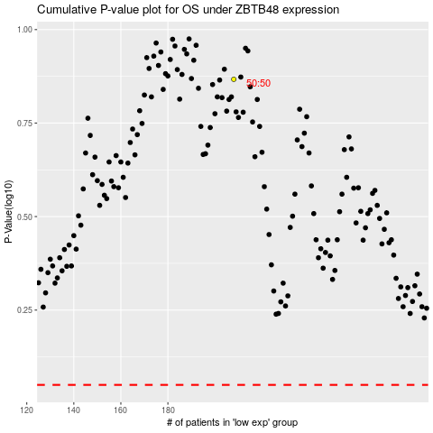

 |  |  |  |  |  | cases_OS | p_OS | rank | exp
 |  |  |  |  |  |  | cases_RFS | p_RFS | rank | exp

