ZBTB6 _multivariate
Reported by Tex Li-Hsing Chi. tex@gate.sinica.edu.tw 2019-08-14

Table 2. The clinicopathological features of HNSCC cohort and ZBTB6 expression. (Chi square test)
Cutoff at -0.119 (49.8%)
 |  | ZBTB6 expression |  | ZBTB6 expression |  | (Optimised)
 | Features | Low | (%) | High | (%) | Case no | P-value | Remark | Matthews
Gender | Female | 154 | 37.1 | 152 | 36.6 | 415 | 0.8463 | 0 | 0
2 | Male | 53 | 12.8 | 56 | 13.5
Age at diagnosis | <=65y | 139 | 33.5 | 135 | 32.5 | 415 | 0.7044 | 0 | 0
4 | >65y | 68 | 16.4 | 73 | 17.6
Clinical T Status | T1+T2 | 69 | 16.6 | 80 | 19.3 | 415 | 0.3239 | 0 | 0
6 | T3+T4 | 138 | 33.3 | 128 | 30.8
Clinical N Status | N0 | 111 | 26.7 | 105 | 25.3 | 415 | 0.5875 | 0 | 0
8 | N1-3 | 96 | 23.1 | 103 | 24.8
Clinical M Status | M0 | 205 | 49.4 | 207 | 49.9 | 415 | 0.6232 | 0 | 0
10 | M1 | 2 | 0.5 | 1 | 0.2
Clinical Stage | Stage I+II | 47 | 11.3 | 55 | 13.3 | 415 | 0.4413 | 0 | 0
12 | Stage III+IV | 160 | 38.6 | 153 | 36.9
Surgical Margin status | Negative | 167 | 40.2 | 151 | 36.4 | 415 | 0.0632 | 0 | 0
14 | Positive | 40 | 9.6 | 57 | 13.7
Tobacco Exposure | Low | 78 | 18.8 | 83 | 20 | 415 | 0.6873 | 0 | 0
16 | High | 129 | 31.1 | 125 | 30.1

Table 3. Univariate/Multivariate Cox's proportional hazards regression analyses on OS time of ZBTB6 gene expression in HNSCC

 |  | Univariate |  |  |  | Multivariate
 | Features | HR | CI95%(L) | CI95%(H) | P-value | HR | CI95%(L) | CI95%(H) | P-value
1 | Female | 1 |  |  |  | 1
Gender | Male | 1.157 | 0.843 | 1.587 | 0.367 | 1.206 | 0.863 | 1.684 | 0.273
11 | <=65y | 1 |  |  |  | 1
Age at diagnosis | >65y | 1.329 | 0.99 | 1.784 | 0.058 | 1.388 | 1.021 | 1.888 | 0.036
12 | T1+T2 | 1 |  |  |  | 1
Clinical T Status | T3+T4 | 1.409 | 1.028 | 1.931 | 0.033 | 2.222 | 1.173 | 4.209 | 0.014
13 | N0 | 1 |  |  |  | 1
Clinical N Status | N1-3 | 1.185 | 0.89 | 1.577 | 0.246 | 1.234 | 0.864 | 1.763 | 0.247
14 | M0 | 1 |  |  |  | 1
Clinical M Status | M1 | 4.097 | 1.009 | 16.644 | 0.049 | 9.691 | 2.1 | 44.721 | 0.004
15 | Stage I+II | 1 |  |  |  | 1
Clinical Stage | Stage III+IV | 1.245 | 0.882 | 1.759 | 0.213 | 0.503 | 0.234 | 1.081 | 0.078
16 | Negative | 1 |  |  |  | 1
Surgical Margin status | Positive | 1.591 | 1.155 | 2.191 | 0.004 | 1.671 | 1.209 | 2.31 | 0.002
17 | Low | 1 |  |  |  | 1
Tobacco Exposure | High | 1.364 | 1.008 | 1.844 | 0.044 | 1.461 | 1.06 | 2.016 | 0.021
18 | Low | 1 |  |  |  | 1
RNAseq(z-score) | High | 1.002 | 0.751 | 1.336 | 0.99 | 1.064 | 0.794 | 1.426 | 0.678

Table 4. Univariate/Multivariate Cox's proportional hazards regression analyses on RFS time of ZBTB6 gene expression in HNSCC

 |  | Univariate |  |  |  | Multivariate
 | Features | HR | CI95%(L) | CI95%(H) | P-value | HR | CI95%(L) | CI95%(H) | P-value
1 | Female | 1 |  |  |  | 1
Gender | Male | 1.157 | 0.843 | 1.587 | 0.367 | 1.206 | 0.863 | 1.684 | 0.273
11 | <=65y | 1 |  |  |  | 1
Age at diagnosis | >65y | 1.329 | 0.99 | 1.784 | 0.058 | 1.388 | 1.021 | 1.888 | 0.036
12 | T1+T2 | 1 |  |  |  | 1
Clinical T Status | T3+T4 | 1.409 | 1.028 | 1.931 | 0.033 | 2.222 | 1.173 | 4.209 | 0.014
13 | N0 | 1 |  |  |  | 1
Clinical N Status | N1-3 | 1.185 | 0.89 | 1.577 | 0.246 | 1.234 | 0.864 | 1.763 | 0.247
14 | M0 | 1 |  |  |  | 1
Clinical M Status | M1 | 4.097 | 1.009 | 16.644 | 0.049 | 9.691 | 2.1 | 44.721 | 0.004
15 | Stage I+II | 1 |  |  |  | 1
Clinical Stage | Stage III+IV | 1.245 | 0.882 | 1.759 | 0.213 | 0.503 | 0.234 | 1.081 | 0.078
16 | Negative | 1 |  |  |  | 1
Surgical Margin status | Positive | 1.591 | 1.155 | 2.191 | 0.004 | 1.671 | 1.209 | 2.31 | 0.002
17 | Low | 1 |  |  |  | 1
Tobacco Exposure | High | 1.364 | 1.008 | 1.844 | 0.044 | 1.461 | 1.06 | 2.016 | 0.021
18 | Low | 1 |  |  |  | 1
RNAseq(z-score) | High | 1.002 | 0.751 | 1.336 | 0.99 | 1.064 | 0.794 | 1.426 | 0.678

Kaplan-Meier survival estimate: Cutoff at -0.119 (49.8%)

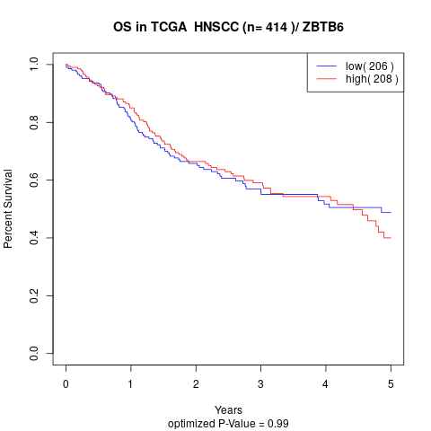

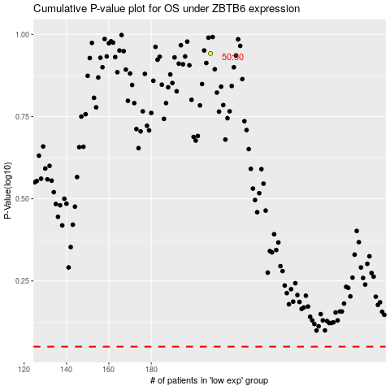

 |  |  |  |  |  | cases_OS | p_OS | rank | exp
 |  |  |  |  |  |  | cases_RFS | p_RFS | rank | exp

