ZBTB8OS _multivariate
Reported by Tex Li-Hsing Chi. tex@gate.sinica.edu.tw 2019-08-14

Table 2. The clinicopathological features of HNSCC cohort and ZBTB8OS expression. (Chi square test)
Cutoff at -0.207 (50.0%)
 |  | ZBTB8OS expression |  | ZBTB8OS expression |  | (Optimised)
 | Features | Low | (%) | High | (%) | Case no | P-value | Remark | Matthews
Gender | Female | 148 | 35.7 | 158 | 38.1 | 415 | 0.3567 | 0 | 0
2 | Male | 59 | 14.2 | 50 | 12
Age at diagnosis | <=65y | 137 | 33 | 137 | 33 | 415 | 1 | 0 | 0
4 | >65y | 70 | 16.9 | 71 | 17.1
Clinical T Status | T1+T2 | 82 | 19.8 | 67 | 16.1 | 415 | 0.1417 | 0 | 0
6 | T3+T4 | 125 | 30.1 | 141 | 34
Clinical N Status | N0 | 110 | 26.5 | 106 | 25.5 | 415 | 0.7294 | 0 | 0
8 | N1-3 | 97 | 23.4 | 102 | 24.6
Clinical M Status | M0 | 207 | 49.9 | 205 | 49.4 | 415 | 0.2482 | 0 | 0
10 | M1 | 0 | 0 | 3 | 0.7
Clinical Stage | Stage I+II | 58 | 14 | 44 | 10.6 | 415 | 0.131 | 0 | 0
12 | Stage III+IV | 149 | 35.9 | 164 | 39.5
Surgical Margin status | Negative | 161 | 38.8 | 157 | 37.8 | 415 | 0.6429 | 0 | 0
14 | Positive | 46 | 11.1 | 51 | 12.3
Tobacco Exposure | Low | 79 | 19 | 82 | 19.8 | 415 | 0.8405 | 0 | 0
16 | High | 128 | 30.8 | 126 | 30.4

Table 3. Univariate/Multivariate Cox's proportional hazards regression analyses on OS time of ZBTB8OS gene expression in HNSCC

 |  | Univariate |  |  |  | Multivariate
 | Features | HR | CI95%(L) | CI95%(H) | P-value | HR | CI95%(L) | CI95%(H) | P-value
1 | Female | 1 |  |  |  | 1
Gender | Male | 1.157 | 0.843 | 1.587 | 0.367 | 1.203 | 0.86 | 1.683 | 0.279
11 | <=65y | 1 |  |  |  | 1
Age at diagnosis | >65y | 1.329 | 0.99 | 1.784 | 0.058 | 1.392 | 1.024 | 1.892 | 0.035
12 | T1+T2 | 1 |  |  |  | 1
Clinical T Status | T3+T4 | 1.409 | 1.028 | 1.931 | 0.033 | 2.204 | 1.165 | 4.167 | 0.015
13 | N0 | 1 |  |  |  | 1
Clinical N Status | N1-3 | 1.185 | 0.89 | 1.577 | 0.246 | 1.241 | 0.87 | 1.77 | 0.234
14 | M0 | 1 |  |  |  | 1
Clinical M Status | M1 | 4.097 | 1.009 | 16.644 | 0.049 | 9.484 | 2.051 | 43.858 | 0.004
15 | Stage I+II | 1 |  |  |  | 1
Clinical Stage | Stage III+IV | 1.245 | 0.882 | 1.759 | 0.213 | 0.505 | 0.235 | 1.084 | 0.08
16 | Negative | 1 |  |  |  | 1
Surgical Margin status | Positive | 1.591 | 1.155 | 2.191 | 0.004 | 1.674 | 1.21 | 2.315 | 0.002
17 | Low | 1 |  |  |  | 1
Tobacco Exposure | High | 1.364 | 1.008 | 1.844 | 0.044 | 1.454 | 1.055 | 2.005 | 0.022
18 | Low | 1 |  |  |  | 1
RNAseq(z-score) | High | 1.064 | 0.799 | 1.416 | 0.672 | 0.985 | 0.737 | 1.318 | 0.922

Table 4. Univariate/Multivariate Cox's proportional hazards regression analyses on RFS time of ZBTB8OS gene expression in HNSCC

 |  | Univariate |  |  |  | Multivariate
 | Features | HR | CI95%(L) | CI95%(H) | P-value | HR | CI95%(L) | CI95%(H) | P-value
1 | Female | 1 |  |  |  | 1
Gender | Male | 1.157 | 0.843 | 1.587 | 0.367 | 1.203 | 0.86 | 1.683 | 0.279
11 | <=65y | 1 |  |  |  | 1
Age at diagnosis | >65y | 1.329 | 0.99 | 1.784 | 0.058 | 1.392 | 1.024 | 1.892 | 0.035
12 | T1+T2 | 1 |  |  |  | 1
Clinical T Status | T3+T4 | 1.409 | 1.028 | 1.931 | 0.033 | 2.204 | 1.165 | 4.167 | 0.015
13 | N0 | 1 |  |  |  | 1
Clinical N Status | N1-3 | 1.185 | 0.89 | 1.577 | 0.246 | 1.241 | 0.87 | 1.77 | 0.234
14 | M0 | 1 |  |  |  | 1
Clinical M Status | M1 | 4.097 | 1.009 | 16.644 | 0.049 | 9.484 | 2.051 | 43.858 | 0.004
15 | Stage I+II | 1 |  |  |  | 1
Clinical Stage | Stage III+IV | 1.245 | 0.882 | 1.759 | 0.213 | 0.505 | 0.235 | 1.084 | 0.08
16 | Negative | 1 |  |  |  | 1
Surgical Margin status | Positive | 1.591 | 1.155 | 2.191 | 0.004 | 1.674 | 1.21 | 2.315 | 0.002
17 | Low | 1 |  |  |  | 1
Tobacco Exposure | High | 1.364 | 1.008 | 1.844 | 0.044 | 1.454 | 1.055 | 2.005 | 0.022
18 | Low | 1 |  |  |  | 1
RNAseq(z-score) | High | 1.064 | 0.799 | 1.416 | 0.672 | 0.985 | 0.737 | 1.318 | 0.922

Kaplan-Meier survival estimate: Cutoff at -0.207 (50.0%)



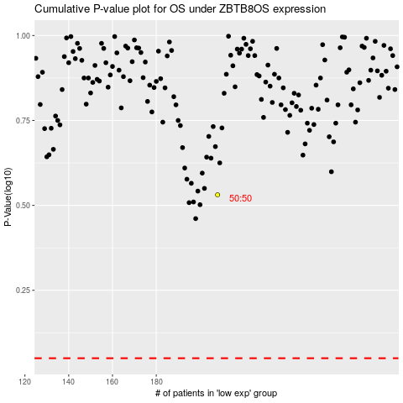

 |  |  |  |  |  | cases_OS | p_OS | rank | exp
 |  |  |  |  |  |  | cases_RFS | p_RFS | rank | exp

