ZC3H10 _multivariate
Reported by Tex Li-Hsing Chi. tex@gate.sinica.edu.tw 2019-08-14

Table 2. The clinicopathological features of HNSCC cohort and ZC3H10 expression. (Chi square test)
Cutoff at -0.227 (49.8%)
 |  | ZC3H10 expression |  | ZC3H10 expression |  | (Optimised)
 | Features | Low | (%) | High | (%) | Case no | P-value | Remark | Matthews
Gender | Female | 153 | 36.9 | 153 | 36.9 | 415 | 1 | 0 | 0
2 | Male | 54 | 13 | 55 | 13.3
Age at diagnosis | <=65y | 134 | 32.3 | 140 | 33.7 | 415 | 0.6529 | 0 | 0
4 | >65y | 73 | 17.6 | 68 | 16.4
Clinical T Status | T1+T2 | 61 | 14.7 | 88 | 21.2 | 415 | 0.0087 | 1 | 0
6 | T3+T4 | 146 | 35.2 | 120 | 28.9
Clinical N Status | N0 | 113 | 27.2 | 103 | 24.8 | 415 | 0.3495 | 1 | 0
8 | N1-3 | 94 | 22.7 | 105 | 25.3
Clinical M Status | M0 | 207 | 49.9 | 205 | 49.4 | 415 | 0.2482 | 0 | 0
10 | M1 | 0 | 0 | 3 | 0.7
Clinical Stage | Stage I+II | 46 | 11.1 | 56 | 13.5 | 415 | 0.3182 | 0 | 0
12 | Stage III+IV | 161 | 38.8 | 152 | 36.6
Surgical Margin status | Negative | 159 | 38.3 | 159 | 38.3 | 415 | 1 | 0 | 0
14 | Positive | 48 | 11.6 | 49 | 11.8
Tobacco Exposure | Low | 78 | 18.8 | 83 | 20 | 415 | 0.6873 | 0 | 0
16 | High | 129 | 31.1 | 125 | 30.1

Table 3. Univariate/Multivariate Cox's proportional hazards regression analyses on OS time of ZC3H10 gene expression in HNSCC

 |  | Univariate |  |  |  | Multivariate
 | Features | HR | CI95%(L) | CI95%(H) | P-value | HR | CI95%(L) | CI95%(H) | P-value
1 | Female | 1 |  |  |  | 1
Gender | Male | 1.157 | 0.843 | 1.587 | 0.367 | 1.202 | 0.86 | 1.678 | 0.281
11 | <=65y | 1 |  |  |  | 1
Age at diagnosis | >65y | 1.329 | 0.99 | 1.784 | 0.058 | 1.394 | 1.025 | 1.896 | 0.034
12 | T1+T2 | 1 |  |  |  | 1
Clinical T Status | T3+T4 | 1.409 | 1.028 | 1.931 | 0.033 | 2.212 | 1.169 | 4.188 | 0.015
13 | N0 | 1 |  |  |  | 1
Clinical N Status | N1-3 | 1.185 | 0.89 | 1.577 | 0.246 | 1.238 | 0.867 | 1.767 | 0.24
14 | M0 | 1 |  |  |  | 1
Clinical M Status | M1 | 4.097 | 1.009 | 16.644 | 0.049 | 9.289 | 2.019 | 42.734 | 0.004
15 | Stage I+II | 1 |  |  |  | 1
Clinical Stage | Stage III+IV | 1.245 | 0.882 | 1.759 | 0.213 | 0.503 | 0.235 | 1.081 | 0.078
16 | Negative | 1 |  |  |  | 1
Surgical Margin status | Positive | 1.591 | 1.155 | 2.191 | 0.004 | 1.671 | 1.209 | 2.309 | 0.002
17 | Low | 1 |  |  |  | 1
Tobacco Exposure | High | 1.364 | 1.008 | 1.844 | 0.044 | 1.451 | 1.054 | 2 | 0.023
18 | Low | 1 |  |  |  | 1
RNAseq(z-score) | High | 1.017 | 0.764 | 1.356 | 0.906 | 1.035 | 0.774 | 1.384 | 0.816

Table 4. Univariate/Multivariate Cox's proportional hazards regression analyses on RFS time of ZC3H10 gene expression in HNSCC

 |  | Univariate |  |  |  | Multivariate
 | Features | HR | CI95%(L) | CI95%(H) | P-value | HR | CI95%(L) | CI95%(H) | P-value
1 | Female | 1 |  |  |  | 1
Gender | Male | 1.157 | 0.843 | 1.587 | 0.367 | 1.202 | 0.86 | 1.678 | 0.281
11 | <=65y | 1 |  |  |  | 1
Age at diagnosis | >65y | 1.329 | 0.99 | 1.784 | 0.058 | 1.394 | 1.025 | 1.896 | 0.034
12 | T1+T2 | 1 |  |  |  | 1
Clinical T Status | T3+T4 | 1.409 | 1.028 | 1.931 | 0.033 | 2.212 | 1.169 | 4.188 | 0.015
13 | N0 | 1 |  |  |  | 1
Clinical N Status | N1-3 | 1.185 | 0.89 | 1.577 | 0.246 | 1.238 | 0.867 | 1.767 | 0.24
14 | M0 | 1 |  |  |  | 1
Clinical M Status | M1 | 4.097 | 1.009 | 16.644 | 0.049 | 9.289 | 2.019 | 42.734 | 0.004
15 | Stage I+II | 1 |  |  |  | 1
Clinical Stage | Stage III+IV | 1.245 | 0.882 | 1.759 | 0.213 | 0.503 | 0.235 | 1.081 | 0.078
16 | Negative | 1 |  |  |  | 1
Surgical Margin status | Positive | 1.591 | 1.155 | 2.191 | 0.004 | 1.671 | 1.209 | 2.309 | 0.002
17 | Low | 1 |  |  |  | 1
Tobacco Exposure | High | 1.364 | 1.008 | 1.844 | 0.044 | 1.451 | 1.054 | 2 | 0.023
18 | Low | 1 |  |  |  | 1
RNAseq(z-score) | High | 1.017 | 0.764 | 1.356 | 0.906 | 1.035 | 0.774 | 1.384 | 0.816

Kaplan-Meier survival estimate: Cutoff at -0.227 (49.8%)



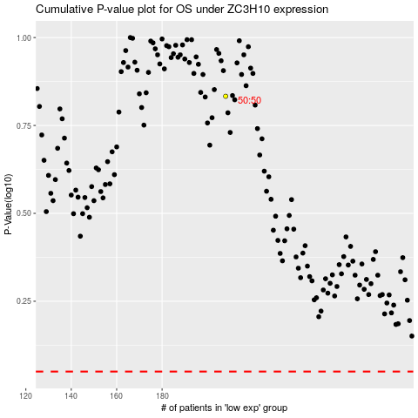

 |  |  |  |  |  | cases_OS | p_OS | rank | exp
 |  |  |  |  |  |  | cases_RFS | p_RFS | rank | exp

