ZC3H12C _multivariate
Reported by Tex Li-Hsing Chi. tex@gate.sinica.edu.tw 2019-08-14

Table 2. The clinicopathological features of HNSCC cohort and ZC3H12C expression. (Chi square test)
Cutoff at -0.141 (50.0%)
 |  | ZC3H12C expression |  | ZC3H12C expression |  | (Optimised)
 | Features | Low | (%) | High | (%) | Case no | P-value | Remark | Matthews
Gender | Female | 165 | 39.8 | 141 | 34 | 415 | 0.0081 | 1 | 0
2 | Male | 42 | 10.1 | 67 | 16.1
Age at diagnosis | <=65y | 134 | 32.3 | 140 | 33.7 | 415 | 0.6529 | 0 | 0
4 | >65y | 73 | 17.6 | 68 | 16.4
Clinical T Status | T1+T2 | 79 | 19 | 70 | 16.9 | 415 | 0.3924 | 0 | 0
6 | T3+T4 | 128 | 30.8 | 138 | 33.3
Clinical N Status | N0 | 103 | 24.8 | 113 | 27.2 | 415 | 0.4047 | 0 | 0
8 | N1-3 | 104 | 25.1 | 95 | 22.9
Clinical M Status | M0 | 204 | 49.2 | 208 | 50.1 | 415 | 0.1232 | 0 | 0
10 | M1 | 3 | 0.7 | 0 | 0
Clinical Stage | Stage I+II | 49 | 11.8 | 53 | 12.8 | 415 | 0.7535 | 0 | 0
12 | Stage III+IV | 158 | 38.1 | 155 | 37.3
Surgical Margin status | Negative | 156 | 37.6 | 162 | 39 | 415 | 0.5636 | 0 | 0
14 | Positive | 51 | 12.3 | 46 | 11.1
Tobacco Exposure | Low | 83 | 20 | 78 | 18.8 | 415 | 0.6152 | 0 | 0
16 | High | 124 | 29.9 | 130 | 31.3

Table 3. Univariate/Multivariate Cox's proportional hazards regression analyses on OS time of ZC3H12C gene expression in HNSCC

 |  | Univariate |  |  |  | Multivariate
 | Features | HR | CI95%(L) | CI95%(H) | P-value | HR | CI95%(L) | CI95%(H) | P-value
1 | Female | 1 |  |  |  | 1
Gender | Male | 1.157 | 0.843 | 1.587 | 0.367 | 1.165 | 0.833 | 1.63 | 0.373
11 | <=65y | 1 |  |  |  | 1
Age at diagnosis | >65y | 1.329 | 0.99 | 1.784 | 0.058 | 1.411 | 1.037 | 1.919 | 0.028
12 | T1+T2 | 1 |  |  |  | 1
Clinical T Status | T3+T4 | 1.409 | 1.028 | 1.931 | 0.033 | 2.181 | 1.153 | 4.128 | 0.017
13 | N0 | 1 |  |  |  | 1
Clinical N Status | N1-3 | 1.185 | 0.89 | 1.577 | 0.246 | 1.253 | 0.879 | 1.788 | 0.213
14 | M0 | 1 |  |  |  | 1
Clinical M Status | M1 | 4.097 | 1.009 | 16.644 | 0.049 | 10.343 | 2.241 | 47.744 | 0.003
15 | Stage I+II | 1 |  |  |  | 1
Clinical Stage | Stage III+IV | 1.245 | 0.882 | 1.759 | 0.213 | 0.506 | 0.235 | 1.087 | 0.081
16 | Negative | 1 |  |  |  | 1
Surgical Margin status | Positive | 1.591 | 1.155 | 2.191 | 0.004 | 1.699 | 1.228 | 2.351 | 0.001
17 | Low | 1 |  |  |  | 1
Tobacco Exposure | High | 1.364 | 1.008 | 1.844 | 0.044 | 1.463 | 1.061 | 2.015 | 0.02
18 | Low | 1 |  |  |  | 1
RNAseq(z-score) | High | 1.175 | 0.881 | 1.567 | 0.272 | 1.229 | 0.915 | 1.651 | 0.171

Table 4. Univariate/Multivariate Cox's proportional hazards regression analyses on RFS time of ZC3H12C gene expression in HNSCC

 |  | Univariate |  |  |  | Multivariate
 | Features | HR | CI95%(L) | CI95%(H) | P-value | HR | CI95%(L) | CI95%(H) | P-value
1 | Female | 1 |  |  |  | 1
Gender | Male | 1.157 | 0.843 | 1.587 | 0.367 | 1.165 | 0.833 | 1.63 | 0.373
11 | <=65y | 1 |  |  |  | 1
Age at diagnosis | >65y | 1.329 | 0.99 | 1.784 | 0.058 | 1.411 | 1.037 | 1.919 | 0.028
12 | T1+T2 | 1 |  |  |  | 1
Clinical T Status | T3+T4 | 1.409 | 1.028 | 1.931 | 0.033 | 2.181 | 1.153 | 4.128 | 0.017
13 | N0 | 1 |  |  |  | 1
Clinical N Status | N1-3 | 1.185 | 0.89 | 1.577 | 0.246 | 1.253 | 0.879 | 1.788 | 0.213
14 | M0 | 1 |  |  |  | 1
Clinical M Status | M1 | 4.097 | 1.009 | 16.644 | 0.049 | 10.343 | 2.241 | 47.744 | 0.003
15 | Stage I+II | 1 |  |  |  | 1
Clinical Stage | Stage III+IV | 1.245 | 0.882 | 1.759 | 0.213 | 0.506 | 0.235 | 1.087 | 0.081
16 | Negative | 1 |  |  |  | 1
Surgical Margin status | Positive | 1.591 | 1.155 | 2.191 | 0.004 | 1.699 | 1.228 | 2.351 | 0.001
17 | Low | 1 |  |  |  | 1
Tobacco Exposure | High | 1.364 | 1.008 | 1.844 | 0.044 | 1.463 | 1.061 | 2.015 | 0.02
18 | Low | 1 |  |  |  | 1
RNAseq(z-score) | High | 1.175 | 0.881 | 1.567 | 0.272 | 1.229 | 0.915 | 1.651 | 0.171

Kaplan-Meier survival estimate: Cutoff at -0.141 (50.0%)



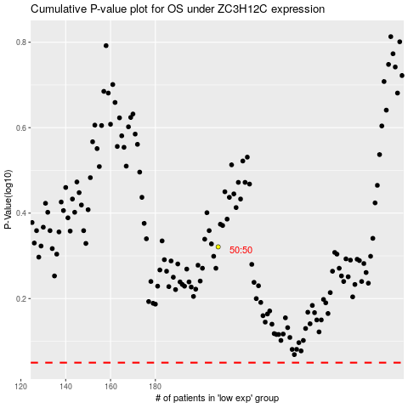

 |  |  |  |  |  | cases_OS | p_OS | rank | exp
 |  |  |  |  |  |  | cases_RFS | p_RFS | rank | exp

