ZC3H3 _multivariate
Reported by Tex Li-Hsing Chi. tex@gate.sinica.edu.tw 2019-08-14

Table 2. The clinicopathological features of HNSCC cohort and ZC3H3 expression. (Chi square test)
Cutoff at -0.013 (49.8%)
 |  | ZC3H3 expression |  | ZC3H3 expression |  | (Optimised)
 | Features | Low | (%) | High | (%) | Case no | P-value | Remark | Matthews
Gender | Female | 154 | 37.1 | 152 | 36.6 | 415 | 0.8463 | 0 | 0
2 | Male | 53 | 12.8 | 56 | 13.5
Age at diagnosis | <=65y | 142 | 34.2 | 132 | 31.8 | 415 | 0.3167 | 0 | 0
4 | >65y | 65 | 15.7 | 76 | 18.3
Clinical T Status | T1+T2 | 84 | 20.2 | 65 | 15.7 | 415 | 0.0603 | 0 | 0
6 | T3+T4 | 123 | 29.6 | 143 | 34.5
Clinical N Status | N0 | 109 | 26.3 | 107 | 25.8 | 415 | 0.8812 | 0 | 0
8 | N1-3 | 98 | 23.6 | 101 | 24.3
Clinical M Status | M0 | 206 | 49.6 | 206 | 49.6 | 415 | 1 | 0 | 0
10 | M1 | 1 | 0.2 | 2 | 0.5
Clinical Stage | Stage I+II | 56 | 13.5 | 46 | 11.1 | 415 | 0.2918 | 0 | 0
12 | Stage III+IV | 151 | 36.4 | 162 | 39
Surgical Margin status | Negative | 154 | 37.1 | 164 | 39.5 | 415 | 0.2984 | 0 | 0
14 | Positive | 53 | 12.8 | 44 | 10.6
Tobacco Exposure | Low | 80 | 19.3 | 81 | 19.5 | 415 | 1 | 0 | 0
16 | High | 127 | 30.6 | 127 | 30.6

Table 3. Univariate/Multivariate Cox's proportional hazards regression analyses on OS time of ZC3H3 gene expression in HNSCC

 |  | Univariate |  |  |  | Multivariate
 | Features | HR | CI95%(L) | CI95%(H) | P-value | HR | CI95%(L) | CI95%(H) | P-value
1 | Female | 1 |  |  |  | 1
Gender | Male | 1.157 | 0.843 | 1.587 | 0.367 | 1.216 | 0.869 | 1.702 | 0.254
11 | <=65y | 1 |  |  |  | 1
Age at diagnosis | >65y | 1.329 | 0.99 | 1.784 | 0.058 | 1.384 | 1.018 | 1.882 | 0.038
12 | T1+T2 | 1 |  |  |  | 1
Clinical T Status | T3+T4 | 1.409 | 1.028 | 1.931 | 0.033 | 2.144 | 1.132 | 4.061 | 0.019
13 | N0 | 1 |  |  |  | 1
Clinical N Status | N1-3 | 1.185 | 0.89 | 1.577 | 0.246 | 1.23 | 0.862 | 1.756 | 0.254
14 | M0 | 1 |  |  |  | 1
Clinical M Status | M1 | 4.097 | 1.009 | 16.644 | 0.049 | 9.174 | 2 | 42.092 | 0.004
15 | Stage I+II | 1 |  |  |  | 1
Clinical Stage | Stage III+IV | 1.245 | 0.882 | 1.759 | 0.213 | 0.515 | 0.24 | 1.106 | 0.089
16 | Negative | 1 |  |  |  | 1
Surgical Margin status | Positive | 1.591 | 1.155 | 2.191 | 0.004 | 1.676 | 1.213 | 2.316 | 0.002
17 | Low | 1 |  |  |  | 1
Tobacco Exposure | High | 1.364 | 1.008 | 1.844 | 0.044 | 1.473 | 1.067 | 2.034 | 0.019
18 | Low | 1 |  |  |  | 1
RNAseq(z-score) | High | 1.176 | 0.88 | 1.571 | 0.274 | 1.153 | 0.861 | 1.545 | 0.34

Table 4. Univariate/Multivariate Cox's proportional hazards regression analyses on RFS time of ZC3H3 gene expression in HNSCC

 |  | Univariate |  |  |  | Multivariate
 | Features | HR | CI95%(L) | CI95%(H) | P-value | HR | CI95%(L) | CI95%(H) | P-value
1 | Female | 1 |  |  |  | 1
Gender | Male | 1.157 | 0.843 | 1.587 | 0.367 | 1.216 | 0.869 | 1.702 | 0.254
11 | <=65y | 1 |  |  |  | 1
Age at diagnosis | >65y | 1.329 | 0.99 | 1.784 | 0.058 | 1.384 | 1.018 | 1.882 | 0.038
12 | T1+T2 | 1 |  |  |  | 1
Clinical T Status | T3+T4 | 1.409 | 1.028 | 1.931 | 0.033 | 2.144 | 1.132 | 4.061 | 0.019
13 | N0 | 1 |  |  |  | 1
Clinical N Status | N1-3 | 1.185 | 0.89 | 1.577 | 0.246 | 1.23 | 0.862 | 1.756 | 0.254
14 | M0 | 1 |  |  |  | 1
Clinical M Status | M1 | 4.097 | 1.009 | 16.644 | 0.049 | 9.174 | 2 | 42.092 | 0.004
15 | Stage I+II | 1 |  |  |  | 1
Clinical Stage | Stage III+IV | 1.245 | 0.882 | 1.759 | 0.213 | 0.515 | 0.24 | 1.106 | 0.089
16 | Negative | 1 |  |  |  | 1
Surgical Margin status | Positive | 1.591 | 1.155 | 2.191 | 0.004 | 1.676 | 1.213 | 2.316 | 0.002
17 | Low | 1 |  |  |  | 1
Tobacco Exposure | High | 1.364 | 1.008 | 1.844 | 0.044 | 1.473 | 1.067 | 2.034 | 0.019
18 | Low | 1 |  |  |  | 1
RNAseq(z-score) | High | 1.176 | 0.88 | 1.571 | 0.274 | 1.153 | 0.861 | 1.545 | 0.34

Kaplan-Meier survival estimate: Cutoff at -0.013 (49.8%)



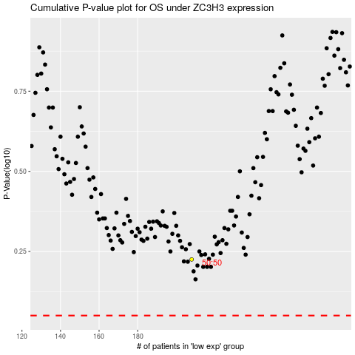

 |  |  |  |  |  | cases_OS | p_OS | rank | exp
 |  |  |  |  |  |  | cases_RFS | p_RFS | rank | exp

