ZC3H4 _multivariate
Reported by Tex Li-Hsing Chi. tex@gate.sinica.edu.tw 2019-08-14

Table 2. The clinicopathological features of HNSCC cohort and ZC3H4 expression. (Chi square test)
Cutoff at -0.131 (49.8%)
 |  | ZC3H4 expression |  | ZC3H4 expression |  | (Optimised)
 | Features | Low | (%) | High | (%) | Case no | P-value | Remark | Matthews
Gender | Female | 154 | 37.1 | 152 | 36.6 | 415 | 0.8463 | 0 | 0
2 | Male | 53 | 12.8 | 56 | 13.5
Age at diagnosis | <=65y | 138 | 33.3 | 136 | 32.8 | 415 | 0.8634 | 0 | 0
4 | >65y | 69 | 16.6 | 72 | 17.3
Clinical T Status | T1+T2 | 62 | 14.9 | 87 | 21 | 415 | 0.0156 | 1 | 0
6 | T3+T4 | 145 | 34.9 | 121 | 29.2
Clinical N Status | N0 | 102 | 24.6 | 114 | 27.5 | 415 | 0.3031 | 0 | 0
8 | N1-3 | 105 | 25.3 | 94 | 22.7
Clinical M Status | M0 | 206 | 49.6 | 206 | 49.6 | 415 | 1 | 0 | 0
10 | M1 | 1 | 0.2 | 2 | 0.5
Clinical Stage | Stage I+II | 42 | 10.1 | 60 | 14.5 | 415 | 0.0561 | 0 | 0
12 | Stage III+IV | 165 | 39.8 | 148 | 35.7
Surgical Margin status | Negative | 151 | 36.4 | 167 | 40.2 | 415 | 0.0828 | 0 | 0
14 | Positive | 56 | 13.5 | 41 | 9.9
Tobacco Exposure | Low | 74 | 17.8 | 87 | 21 | 415 | 0.227 | 0 | 0
16 | High | 133 | 32 | 121 | 29.2

Table 3. Univariate/Multivariate Cox's proportional hazards regression analyses on OS time of ZC3H4 gene expression in HNSCC

 |  | Univariate |  |  |  | Multivariate
 | Features | HR | CI95%(L) | CI95%(H) | P-value | HR | CI95%(L) | CI95%(H) | P-value
1 | Female | 1 |  |  |  | 1
Gender | Male | 1.157 | 0.843 | 1.587 | 0.367 | 1.206 | 0.863 | 1.685 | 0.274
11 | <=65y | 1 |  |  |  | 1
Age at diagnosis | >65y | 1.329 | 0.99 | 1.784 | 0.058 | 1.394 | 1.025 | 1.896 | 0.034
12 | T1+T2 | 1 |  |  |  | 1
Clinical T Status | T3+T4 | 1.409 | 1.028 | 1.931 | 0.033 | 2.221 | 1.172 | 4.207 | 0.014
13 | N0 | 1 |  |  |  | 1
Clinical N Status | N1-3 | 1.185 | 0.89 | 1.577 | 0.246 | 1.245 | 0.872 | 1.777 | 0.228
14 | M0 | 1 |  |  |  | 1
Clinical M Status | M1 | 4.097 | 1.009 | 16.644 | 0.049 | 9.427 | 2.056 | 43.22 | 0.004
15 | Stage I+II | 1 |  |  |  | 1
Clinical Stage | Stage III+IV | 1.245 | 0.882 | 1.759 | 0.213 | 0.502 | 0.234 | 1.079 | 0.077
16 | Negative | 1 |  |  |  | 1
Surgical Margin status | Positive | 1.591 | 1.155 | 2.191 | 0.004 | 1.687 | 1.216 | 2.34 | 0.002
17 | Low | 1 |  |  |  | 1
Tobacco Exposure | High | 1.364 | 1.008 | 1.844 | 0.044 | 1.464 | 1.06 | 2.023 | 0.021
18 | Low | 1 |  |  |  | 1
RNAseq(z-score) | High | 0.907 | 0.681 | 1.209 | 0.506 | 1.055 | 0.784 | 1.418 | 0.725

Table 4. Univariate/Multivariate Cox's proportional hazards regression analyses on RFS time of ZC3H4 gene expression in HNSCC

 |  | Univariate |  |  |  | Multivariate
 | Features | HR | CI95%(L) | CI95%(H) | P-value | HR | CI95%(L) | CI95%(H) | P-value
1 | Female | 1 |  |  |  | 1
Gender | Male | 1.157 | 0.843 | 1.587 | 0.367 | 1.206 | 0.863 | 1.685 | 0.274
11 | <=65y | 1 |  |  |  | 1
Age at diagnosis | >65y | 1.329 | 0.99 | 1.784 | 0.058 | 1.394 | 1.025 | 1.896 | 0.034
12 | T1+T2 | 1 |  |  |  | 1
Clinical T Status | T3+T4 | 1.409 | 1.028 | 1.931 | 0.033 | 2.221 | 1.172 | 4.207 | 0.014
13 | N0 | 1 |  |  |  | 1
Clinical N Status | N1-3 | 1.185 | 0.89 | 1.577 | 0.246 | 1.245 | 0.872 | 1.777 | 0.228
14 | M0 | 1 |  |  |  | 1
Clinical M Status | M1 | 4.097 | 1.009 | 16.644 | 0.049 | 9.427 | 2.056 | 43.22 | 0.004
15 | Stage I+II | 1 |  |  |  | 1
Clinical Stage | Stage III+IV | 1.245 | 0.882 | 1.759 | 0.213 | 0.502 | 0.234 | 1.079 | 0.077
16 | Negative | 1 |  |  |  | 1
Surgical Margin status | Positive | 1.591 | 1.155 | 2.191 | 0.004 | 1.687 | 1.216 | 2.34 | 0.002
17 | Low | 1 |  |  |  | 1
Tobacco Exposure | High | 1.364 | 1.008 | 1.844 | 0.044 | 1.464 | 1.06 | 2.023 | 0.021
18 | Low | 1 |  |  |  | 1
RNAseq(z-score) | High | 0.907 | 0.681 | 1.209 | 0.506 | 1.055 | 0.784 | 1.418 | 0.725

Kaplan-Meier survival estimate: Cutoff at -0.131 (49.8%)



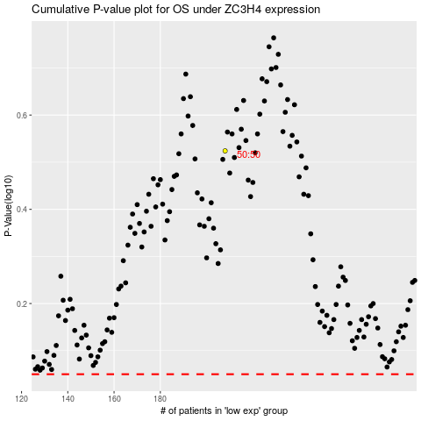

 |  |  |  |  |  | cases_OS | p_OS | rank | exp
 |  |  |  |  |  |  | cases_RFS | p_RFS | rank | exp

