ZC3H6 _multivariate
Reported by Tex Li-Hsing Chi. tex@gate.sinica.edu.tw 2019-08-14

Table 2. The clinicopathological features of HNSCC cohort and ZC3H6 expression. (Chi square test)
Cutoff at -0.309 (49.8%)
 |  | ZC3H6 expression |  | ZC3H6 expression |  | (Optimised)
 | Features | Low | (%) | High | (%) | Case no | P-value | Remark | Matthews
Gender | Female | 148 | 35.7 | 158 | 38.1 | 415 | 0.3567 | 0 | 0
2 | Male | 59 | 14.2 | 50 | 12
Age at diagnosis | <=65y | 132 | 31.8 | 142 | 34.2 | 415 | 0.3874 | 0 | 0
4 | >65y | 75 | 18.1 | 66 | 15.9
Clinical T Status | T1+T2 | 70 | 16.9 | 79 | 19 | 415 | 0.4343 | 0 | 0
6 | T3+T4 | 137 | 33 | 129 | 31.1
Clinical N Status | N0 | 104 | 25.1 | 112 | 27 | 415 | 0.5243 | 0 | 0
8 | N1-3 | 103 | 24.8 | 96 | 23.1
Clinical M Status | M0 | 204 | 49.2 | 208 | 50.1 | 415 | 0.1232 | 0 | 0
10 | M1 | 3 | 0.7 | 0 | 0
Clinical Stage | Stage I+II | 52 | 12.5 | 50 | 12 | 415 | 0.8871 | 0 | 0
12 | Stage III+IV | 155 | 37.3 | 158 | 38.1
Surgical Margin status | Negative | 157 | 37.8 | 161 | 38.8 | 415 | 0.729 | 0 | 0
14 | Positive | 50 | 12 | 47 | 11.3
Tobacco Exposure | Low | 84 | 20.2 | 77 | 18.6 | 415 | 0.4816 | 0 | 0
16 | High | 123 | 29.6 | 131 | 31.6

Table 3. Univariate/Multivariate Cox's proportional hazards regression analyses on OS time of ZC3H6 gene expression in HNSCC

 |  | Univariate |  |  |  | Multivariate
 | Features | HR | CI95%(L) | CI95%(H) | P-value | HR | CI95%(L) | CI95%(H) | P-value
1 | Female | 1 |  |  |  | 1
Gender | Male | 1.157 | 0.843 | 1.587 | 0.367 | 1.208 | 0.864 | 1.687 | 0.269
11 | <=65y | 1 |  |  |  | 1
Age at diagnosis | >65y | 1.329 | 0.99 | 1.784 | 0.058 | 1.403 | 1.031 | 1.909 | 0.031
12 | T1+T2 | 1 |  |  |  | 1
Clinical T Status | T3+T4 | 1.409 | 1.028 | 1.931 | 0.033 | 2.249 | 1.185 | 4.268 | 0.013
13 | N0 | 1 |  |  |  | 1
Clinical N Status | N1-3 | 1.185 | 0.89 | 1.577 | 0.246 | 1.249 | 0.875 | 1.784 | 0.221
14 | M0 | 1 |  |  |  | 1
Clinical M Status | M1 | 4.097 | 1.009 | 16.644 | 0.049 | 10.036 | 2.156 | 46.709 | 0.003
15 | Stage I+II | 1 |  |  |  | 1
Clinical Stage | Stage III+IV | 1.245 | 0.882 | 1.759 | 0.213 | 0.491 | 0.228 | 1.06 | 0.07
16 | Negative | 1 |  |  |  | 1
Surgical Margin status | Positive | 1.591 | 1.155 | 2.191 | 0.004 | 1.673 | 1.211 | 2.312 | 0.002
17 | Low | 1 |  |  |  | 1
Tobacco Exposure | High | 1.364 | 1.008 | 1.844 | 0.044 | 1.45 | 1.052 | 1.997 | 0.023
18 | Low | 1 |  |  |  | 1
RNAseq(z-score) | High | 0.995 | 0.747 | 1.326 | 0.973 | 1.093 | 0.815 | 1.466 | 0.551

Table 4. Univariate/Multivariate Cox's proportional hazards regression analyses on RFS time of ZC3H6 gene expression in HNSCC

 |  | Univariate |  |  |  | Multivariate
 | Features | HR | CI95%(L) | CI95%(H) | P-value | HR | CI95%(L) | CI95%(H) | P-value
1 | Female | 1 |  |  |  | 1
Gender | Male | 1.157 | 0.843 | 1.587 | 0.367 | 1.208 | 0.864 | 1.687 | 0.269
11 | <=65y | 1 |  |  |  | 1
Age at diagnosis | >65y | 1.329 | 0.99 | 1.784 | 0.058 | 1.403 | 1.031 | 1.909 | 0.031
12 | T1+T2 | 1 |  |  |  | 1
Clinical T Status | T3+T4 | 1.409 | 1.028 | 1.931 | 0.033 | 2.249 | 1.185 | 4.268 | 0.013
13 | N0 | 1 |  |  |  | 1
Clinical N Status | N1-3 | 1.185 | 0.89 | 1.577 | 0.246 | 1.249 | 0.875 | 1.784 | 0.221
14 | M0 | 1 |  |  |  | 1
Clinical M Status | M1 | 4.097 | 1.009 | 16.644 | 0.049 | 10.036 | 2.156 | 46.709 | 0.003
15 | Stage I+II | 1 |  |  |  | 1
Clinical Stage | Stage III+IV | 1.245 | 0.882 | 1.759 | 0.213 | 0.491 | 0.228 | 1.06 | 0.07
16 | Negative | 1 |  |  |  | 1
Surgical Margin status | Positive | 1.591 | 1.155 | 2.191 | 0.004 | 1.673 | 1.211 | 2.312 | 0.002
17 | Low | 1 |  |  |  | 1
Tobacco Exposure | High | 1.364 | 1.008 | 1.844 | 0.044 | 1.45 | 1.052 | 1.997 | 0.023
18 | Low | 1 |  |  |  | 1
RNAseq(z-score) | High | 0.995 | 0.747 | 1.326 | 0.973 | 1.093 | 0.815 | 1.466 | 0.551

Kaplan-Meier survival estimate: Cutoff at -0.309 (49.8%)



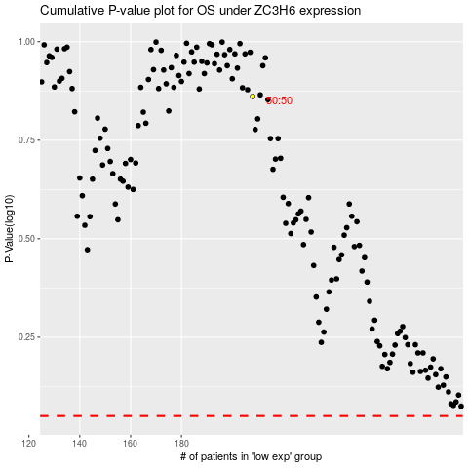

 |  |  |  |  |  | cases_OS | p_OS | rank | exp
 |  |  |  |  |  |  | cases_RFS | p_RFS | rank | exp

