ZC3H7B _multivariate
Reported by Tex Li-Hsing Chi. tex@gate.sinica.edu.tw 2019-08-14

Table 2. The clinicopathological features of HNSCC cohort and ZC3H7B expression. (Chi square test)
Cutoff at -0.037 (49.8%)
 |  | ZC3H7B expression |  | ZC3H7B expression |  | (Optimised)
 | Features | Low | (%) | High | (%) | Case no | P-value | Remark | Matthews
Gender | Female | 144 | 34.7 | 162 | 39 | 415 | 0.0697 | 0 | 0
2 | Male | 63 | 15.2 | 46 | 11.1
Age at diagnosis | <=65y | 134 | 32.3 | 140 | 33.7 | 415 | 0.6529 | 0 | 0
4 | >65y | 73 | 17.6 | 68 | 16.4
Clinical T Status | T1+T2 | 75 | 18.1 | 74 | 17.8 | 415 | 0.9707 | 0 | 0
6 | T3+T4 | 132 | 31.8 | 134 | 32.3
Clinical N Status | N0 | 113 | 27.2 | 103 | 24.8 | 415 | 0.3495 | 1 | 0
8 | N1-3 | 94 | 22.7 | 105 | 25.3
Clinical M Status | M0 | 206 | 49.6 | 206 | 49.6 | 415 | 1 | 0 | 0
10 | M1 | 1 | 0.2 | 2 | 0.5
Clinical Stage | Stage I+II | 51 | 12.3 | 51 | 12.3 | 415 | 1 | 0 | 0
12 | Stage III+IV | 156 | 37.6 | 157 | 37.8
Surgical Margin status | Negative | 160 | 38.6 | 158 | 38.1 | 415 | 0.8167 | 0 | 0
14 | Positive | 47 | 11.3 | 50 | 12
Tobacco Exposure | Low | 88 | 21.2 | 73 | 17.6 | 415 | 0.1314 | 0 | 0
16 | High | 119 | 28.7 | 135 | 32.5

Table 3. Univariate/Multivariate Cox's proportional hazards regression analyses on OS time of ZC3H7B gene expression in HNSCC

 |  | Univariate |  |  |  | Multivariate
 | Features | HR | CI95%(L) | CI95%(H) | P-value | HR | CI95%(L) | CI95%(H) | P-value
1 | Female | 1 |  |  |  | 1
Gender | Male | 1.157 | 0.843 | 1.587 | 0.367 | 1.24 | 0.882 | 1.744 | 0.215
11 | <=65y | 1 |  |  |  | 1
Age at diagnosis | >65y | 1.329 | 0.99 | 1.784 | 0.058 | 1.387 | 1.02 | 1.886 | 0.037
12 | T1+T2 | 1 |  |  |  | 1
Clinical T Status | T3+T4 | 1.409 | 1.028 | 1.931 | 0.033 | 2.189 | 1.157 | 4.139 | 0.016
13 | N0 | 1 |  |  |  | 1
Clinical N Status | N1-3 | 1.185 | 0.89 | 1.577 | 0.246 | 1.237 | 0.867 | 1.766 | 0.241
14 | M0 | 1 |  |  |  | 1
Clinical M Status | M1 | 4.097 | 1.009 | 16.644 | 0.049 | 9.269 | 2.021 | 42.504 | 0.004
15 | Stage I+II | 1 |  |  |  | 1
Clinical Stage | Stage III+IV | 1.245 | 0.882 | 1.759 | 0.213 | 0.512 | 0.238 | 1.101 | 0.087
16 | Negative | 1 |  |  |  | 1
Surgical Margin status | Positive | 1.591 | 1.155 | 2.191 | 0.004 | 1.673 | 1.211 | 2.312 | 0.002
17 | Low | 1 |  |  |  | 1
Tobacco Exposure | High | 1.364 | 1.008 | 1.844 | 0.044 | 1.458 | 1.058 | 2.01 | 0.021
18 | Low | 1 |  |  |  | 1
RNAseq(z-score) | High | 1.137 | 0.852 | 1.518 | 0.382 | 1.161 | 0.865 | 1.559 | 0.32

Table 4. Univariate/Multivariate Cox's proportional hazards regression analyses on RFS time of ZC3H7B gene expression in HNSCC

 |  | Univariate |  |  |  | Multivariate
 | Features | HR | CI95%(L) | CI95%(H) | P-value | HR | CI95%(L) | CI95%(H) | P-value
1 | Female | 1 |  |  |  | 1
Gender | Male | 1.157 | 0.843 | 1.587 | 0.367 | 1.24 | 0.882 | 1.744 | 0.215
11 | <=65y | 1 |  |  |  | 1
Age at diagnosis | >65y | 1.329 | 0.99 | 1.784 | 0.058 | 1.387 | 1.02 | 1.886 | 0.037
12 | T1+T2 | 1 |  |  |  | 1
Clinical T Status | T3+T4 | 1.409 | 1.028 | 1.931 | 0.033 | 2.189 | 1.157 | 4.139 | 0.016
13 | N0 | 1 |  |  |  | 1
Clinical N Status | N1-3 | 1.185 | 0.89 | 1.577 | 0.246 | 1.237 | 0.867 | 1.766 | 0.241
14 | M0 | 1 |  |  |  | 1
Clinical M Status | M1 | 4.097 | 1.009 | 16.644 | 0.049 | 9.269 | 2.021 | 42.504 | 0.004
15 | Stage I+II | 1 |  |  |  | 1
Clinical Stage | Stage III+IV | 1.245 | 0.882 | 1.759 | 0.213 | 0.512 | 0.238 | 1.101 | 0.087
16 | Negative | 1 |  |  |  | 1
Surgical Margin status | Positive | 1.591 | 1.155 | 2.191 | 0.004 | 1.673 | 1.211 | 2.312 | 0.002
17 | Low | 1 |  |  |  | 1
Tobacco Exposure | High | 1.364 | 1.008 | 1.844 | 0.044 | 1.458 | 1.058 | 2.01 | 0.021
18 | Low | 1 |  |  |  | 1
RNAseq(z-score) | High | 1.137 | 0.852 | 1.518 | 0.382 | 1.161 | 0.865 | 1.559 | 0.32

Kaplan-Meier survival estimate: Cutoff at -0.037 (49.8%)



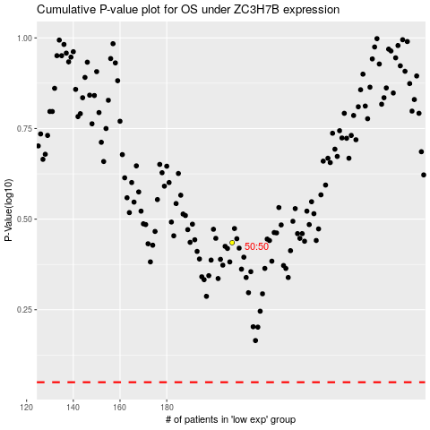

 |  |  |  |  |  | cases_OS | p_OS | rank | exp
 |  |  |  |  |  |  | cases_RFS | p_RFS | rank | exp

