ZC3H8 _multivariate
Reported by Tex Li-Hsing Chi. tex@gate.sinica.edu.tw 2019-08-14

Table 2. The clinicopathological features of HNSCC cohort and ZC3H8 expression. (Chi square test)
Cutoff at -0.222 (49.8%)
 |  | ZC3H8 expression |  | ZC3H8 expression |  | (Optimised)
 | Features | Low | (%) | High | (%) | Case no | P-value | Remark | Matthews
Gender | Female | 135 | 32.5 | 171 | 41.2 | 415 | 1e-04 | 1 | 0
2 | Male | 72 | 17.3 | 37 | 8.9
Age at diagnosis | <=65y | 130 | 31.3 | 144 | 34.7 | 415 | 0.2009 | 0 | 0
4 | >65y | 77 | 18.6 | 64 | 15.4
Clinical T Status | T1+T2 | 83 | 20 | 66 | 15.9 | 415 | 0.0941 | 0 | 0
6 | T3+T4 | 124 | 29.9 | 142 | 34.2
Clinical N Status | N0 | 106 | 25.5 | 110 | 26.5 | 415 | 0.8075 | 0 | 0
8 | N1-3 | 101 | 24.3 | 98 | 23.6
Clinical M Status | M0 | 207 | 49.9 | 205 | 49.4 | 415 | 0.2482 | 0 | 0
10 | M1 | 0 | 0 | 3 | 0.7
Clinical Stage | Stage I+II | 61 | 14.7 | 41 | 9.9 | 415 | 0.0282 | 1 | 0
12 | Stage III+IV | 146 | 35.2 | 167 | 40.2
Surgical Margin status | Negative | 164 | 39.5 | 154 | 37.1 | 415 | 0.2462 | 0 | 0
14 | Positive | 43 | 10.4 | 54 | 13
Tobacco Exposure | Low | 91 | 21.9 | 70 | 16.9 | 415 | 0.0346 | 1 | 0
16 | High | 116 | 28 | 138 | 33.3

Table 3. Univariate/Multivariate Cox's proportional hazards regression analyses on OS time of ZC3H8 gene expression in HNSCC

 |  | Univariate |  |  |  | Multivariate
 | Features | HR | CI95%(L) | CI95%(H) | P-value | HR | CI95%(L) | CI95%(H) | P-value
1 | Female | 1 |  |  |  | 1
Gender | Male | 1.157 | 0.843 | 1.587 | 0.367 | 1.184 | 0.846 | 1.656 | 0.325
11 | <=65y | 1 |  |  |  | 1
Age at diagnosis | >65y | 1.329 | 0.99 | 1.784 | 0.058 | 1.388 | 1.02 | 1.888 | 0.037
12 | T1+T2 | 1 |  |  |  | 1
Clinical T Status | T3+T4 | 1.409 | 1.028 | 1.931 | 0.033 | 2.223 | 1.175 | 4.208 | 0.014
13 | N0 | 1 |  |  |  | 1
Clinical N Status | N1-3 | 1.185 | 0.89 | 1.577 | 0.246 | 1.226 | 0.858 | 1.751 | 0.264
14 | M0 | 1 |  |  |  | 1
Clinical M Status | M1 | 4.097 | 1.009 | 16.644 | 0.049 | 10.035 | 2.168 | 46.453 | 0.003
15 | Stage I+II | 1 |  |  |  | 1
Clinical Stage | Stage III+IV | 1.245 | 0.882 | 1.759 | 0.213 | 0.514 | 0.239 | 1.105 | 0.088
16 | Negative | 1 |  |  |  | 1
Surgical Margin status | Positive | 1.591 | 1.155 | 2.191 | 0.004 | 1.692 | 1.222 | 2.341 | 0.002
17 | Low | 1 |  |  |  | 1
Tobacco Exposure | High | 1.364 | 1.008 | 1.844 | 0.044 | 1.465 | 1.062 | 2.019 | 0.02
18 | Low | 1 |  |  |  | 1
RNAseq(z-score) | High | 0.958 | 0.717 | 1.28 | 0.772 | 0.89 | 0.658 | 1.204 | 0.449

Table 4. Univariate/Multivariate Cox's proportional hazards regression analyses on RFS time of ZC3H8 gene expression in HNSCC

 |  | Univariate |  |  |  | Multivariate
 | Features | HR | CI95%(L) | CI95%(H) | P-value | HR | CI95%(L) | CI95%(H) | P-value
1 | Female | 1 |  |  |  | 1
Gender | Male | 1.157 | 0.843 | 1.587 | 0.367 | 1.184 | 0.846 | 1.656 | 0.325
11 | <=65y | 1 |  |  |  | 1
Age at diagnosis | >65y | 1.329 | 0.99 | 1.784 | 0.058 | 1.388 | 1.02 | 1.888 | 0.037
12 | T1+T2 | 1 |  |  |  | 1
Clinical T Status | T3+T4 | 1.409 | 1.028 | 1.931 | 0.033 | 2.223 | 1.175 | 4.208 | 0.014
13 | N0 | 1 |  |  |  | 1
Clinical N Status | N1-3 | 1.185 | 0.89 | 1.577 | 0.246 | 1.226 | 0.858 | 1.751 | 0.264
14 | M0 | 1 |  |  |  | 1
Clinical M Status | M1 | 4.097 | 1.009 | 16.644 | 0.049 | 10.035 | 2.168 | 46.453 | 0.003
15 | Stage I+II | 1 |  |  |  | 1
Clinical Stage | Stage III+IV | 1.245 | 0.882 | 1.759 | 0.213 | 0.514 | 0.239 | 1.105 | 0.088
16 | Negative | 1 |  |  |  | 1
Surgical Margin status | Positive | 1.591 | 1.155 | 2.191 | 0.004 | 1.692 | 1.222 | 2.341 | 0.002
17 | Low | 1 |  |  |  | 1
Tobacco Exposure | High | 1.364 | 1.008 | 1.844 | 0.044 | 1.465 | 1.062 | 2.019 | 0.02
18 | Low | 1 |  |  |  | 1
RNAseq(z-score) | High | 0.958 | 0.717 | 1.28 | 0.772 | 0.89 | 0.658 | 1.204 | 0.449

Kaplan-Meier survival estimate: Cutoff at -0.222 (49.8%)



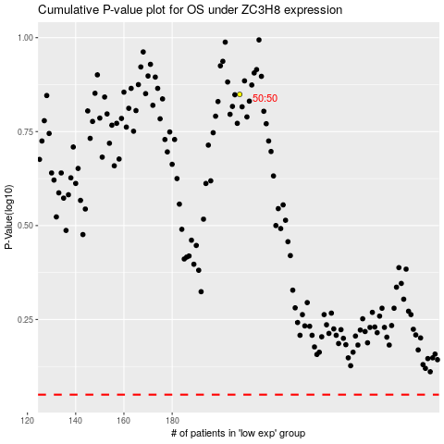

 |  |  |  |  |  | cases_OS | p_OS | rank | exp
 |  |  |  |  |  |  | cases_RFS | p_RFS | rank | exp

