ZC3HAV1 _multivariate
Reported by Tex Li-Hsing Chi. tex@gate.sinica.edu.tw 2019-08-14

Table 2. The clinicopathological features of HNSCC cohort and ZC3HAV1 expression. (Chi square test)
Cutoff at -0.257 (49.8%)
 |  | ZC3HAV1 expression |  | ZC3HAV1 expression |  | (Optimised)
 | Features | Low | (%) | High | (%) | Case no | P-value | Remark | Matthews
Gender | Female | 169 | 40.7 | 137 | 33 | 415 | 4e-04 | 1 | 0
2 | Male | 38 | 9.2 | 71 | 17.1
Age at diagnosis | <=65y | 145 | 34.9 | 129 | 31.1 | 415 | 0.1046 | 0 | 0
4 | >65y | 62 | 14.9 | 79 | 19
Clinical T Status | T1+T2 | 54 | 13 | 95 | 22.9 | 415 | 0 | 1 | 0
6 | T3+T4 | 153 | 36.9 | 113 | 27.2
Clinical N Status | N0 | 94 | 22.7 | 122 | 29.4 | 415 | 0.0093 | 1 | 0
8 | N1-3 | 113 | 27.2 | 86 | 20.7
Clinical M Status | M0 | 207 | 49.9 | 205 | 49.4 | 415 | 0.2482 | 0 | 0
10 | M1 | 0 | 0 | 3 | 0.7
Clinical Stage | Stage I+II | 31 | 7.5 | 71 | 17.1 | 415 | 0 | 1 | 0
12 | Stage III+IV | 176 | 42.4 | 137 | 33
Surgical Margin status | Negative | 153 | 36.9 | 165 | 39.8 | 415 | 0.2036 | 0 | 0
14 | Positive | 54 | 13 | 43 | 10.4
Tobacco Exposure | Low | 70 | 16.9 | 91 | 21.9 | 415 | 0.0439 | 1 | 0
16 | High | 137 | 33 | 117 | 28.2

Table 3. Univariate/Multivariate Cox's proportional hazards regression analyses on OS time of ZC3HAV1 gene expression in HNSCC

 |  | Univariate |  |  |  | Multivariate
 | Features | HR | CI95%(L) | CI95%(H) | P-value | HR | CI95%(L) | CI95%(H) | P-value
1 | Female | 1 |  |  |  | 1
Gender | Male | 1.157 | 0.843 | 1.587 | 0.367 | 1.213 | 0.867 | 1.696 | 0.261
11 | <=65y | 1 |  |  |  | 1
Age at diagnosis | >65y | 1.329 | 0.99 | 1.784 | 0.058 | 1.394 | 1.026 | 1.894 | 0.034
12 | T1+T2 | 1 |  |  |  | 1
Clinical T Status | T3+T4 | 1.409 | 1.028 | 1.931 | 0.033 | 2.169 | 1.145 | 4.109 | 0.018
13 | N0 | 1 |  |  |  | 1
Clinical N Status | N1-3 | 1.185 | 0.89 | 1.577 | 0.246 | 1.23 | 0.861 | 1.757 | 0.255
14 | M0 | 1 |  |  |  | 1
Clinical M Status | M1 | 4.097 | 1.009 | 16.644 | 0.049 | 9.847 | 2.132 | 45.483 | 0.003
15 | Stage I+II | 1 |  |  |  | 1
Clinical Stage | Stage III+IV | 1.245 | 0.882 | 1.759 | 0.213 | 0.5 | 0.233 | 1.074 | 0.075
16 | Negative | 1 |  |  |  | 1
Surgical Margin status | Positive | 1.591 | 1.155 | 2.191 | 0.004 | 1.668 | 1.207 | 2.305 | 0.002
17 | Low | 1 |  |  |  | 1
Tobacco Exposure | High | 1.364 | 1.008 | 1.844 | 0.044 | 1.451 | 1.053 | 1.999 | 0.023
18 | Low | 1 |  |  |  | 1
RNAseq(z-score) | High | 0.871 | 0.654 | 1.161 | 0.347 | 0.911 | 0.673 | 1.234 | 0.549

Table 4. Univariate/Multivariate Cox's proportional hazards regression analyses on RFS time of ZC3HAV1 gene expression in HNSCC

 |  | Univariate |  |  |  | Multivariate
 | Features | HR | CI95%(L) | CI95%(H) | P-value | HR | CI95%(L) | CI95%(H) | P-value
1 | Female | 1 |  |  |  | 1
Gender | Male | 1.157 | 0.843 | 1.587 | 0.367 | 1.213 | 0.867 | 1.696 | 0.261
11 | <=65y | 1 |  |  |  | 1
Age at diagnosis | >65y | 1.329 | 0.99 | 1.784 | 0.058 | 1.394 | 1.026 | 1.894 | 0.034
12 | T1+T2 | 1 |  |  |  | 1
Clinical T Status | T3+T4 | 1.409 | 1.028 | 1.931 | 0.033 | 2.169 | 1.145 | 4.109 | 0.018
13 | N0 | 1 |  |  |  | 1
Clinical N Status | N1-3 | 1.185 | 0.89 | 1.577 | 0.246 | 1.23 | 0.861 | 1.757 | 0.255
14 | M0 | 1 |  |  |  | 1
Clinical M Status | M1 | 4.097 | 1.009 | 16.644 | 0.049 | 9.847 | 2.132 | 45.483 | 0.003
15 | Stage I+II | 1 |  |  |  | 1
Clinical Stage | Stage III+IV | 1.245 | 0.882 | 1.759 | 0.213 | 0.5 | 0.233 | 1.074 | 0.075
16 | Negative | 1 |  |  |  | 1
Surgical Margin status | Positive | 1.591 | 1.155 | 2.191 | 0.004 | 1.668 | 1.207 | 2.305 | 0.002
17 | Low | 1 |  |  |  | 1
Tobacco Exposure | High | 1.364 | 1.008 | 1.844 | 0.044 | 1.451 | 1.053 | 1.999 | 0.023
18 | Low | 1 |  |  |  | 1
RNAseq(z-score) | High | 0.871 | 0.654 | 1.161 | 0.347 | 0.911 | 0.673 | 1.234 | 0.549

Kaplan-Meier survival estimate: Cutoff at -0.257 (49.8%)



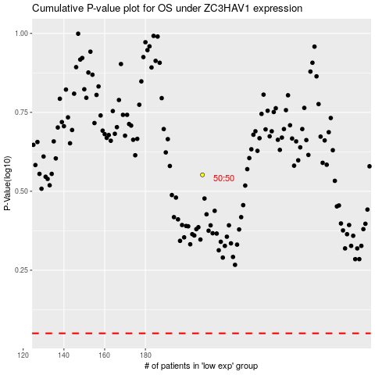

 |  |  |  |  |  | cases_OS | p_OS | rank | exp
 |  |  |  |  |  |  | cases_RFS | p_RFS | rank | exp

