ZC3HAV1L _multivariate
Reported by Tex Li-Hsing Chi. tex@gate.sinica.edu.tw 2019-08-14

Table 2. The clinicopathological features of HNSCC cohort and ZC3HAV1L expression. (Chi square test)
Cutoff at -0.15 (49.8%)
 |  | ZC3HAV1L expression |  | ZC3HAV1L expression |  | (Optimised)
 | Features | Low | (%) | High | (%) | Case no | P-value | Remark | Matthews
Gender | Female | 145 | 34.9 | 161 | 38.8 | 415 | 0.1116 | 0 | 0
2 | Male | 62 | 14.9 | 47 | 11.3
Age at diagnosis | <=65y | 132 | 31.8 | 142 | 34.2 | 415 | 0.3874 | 0 | 0
4 | >65y | 75 | 18.1 | 66 | 15.9
Clinical T Status | T1+T2 | 78 | 18.8 | 71 | 17.1 | 415 | 0.5152 | 0 | 0
6 | T3+T4 | 129 | 31.1 | 137 | 33
Clinical N Status | N0 | 113 | 27.2 | 103 | 24.8 | 415 | 0.3495 | 1 | 0
8 | N1-3 | 94 | 22.7 | 105 | 25.3
Clinical M Status | M0 | 206 | 49.6 | 206 | 49.6 | 415 | 1 | 0 | 0
10 | M1 | 1 | 0.2 | 2 | 0.5
Clinical Stage | Stage I+II | 54 | 13 | 48 | 11.6 | 415 | 0.5498 | 0 | 0
12 | Stage III+IV | 153 | 36.9 | 160 | 38.6
Surgical Margin status | Negative | 159 | 38.3 | 159 | 38.3 | 415 | 1 | 0 | 0
14 | Positive | 48 | 11.6 | 49 | 11.8
Tobacco Exposure | Low | 97 | 23.4 | 64 | 15.4 | 415 | 9e-04 | 1 | 0
16 | High | 110 | 26.5 | 144 | 34.7

Table 3. Univariate/Multivariate Cox's proportional hazards regression analyses on OS time of ZC3HAV1L gene expression in HNSCC

 |  | Univariate |  |  |  | Multivariate
 | Features | HR | CI95%(L) | CI95%(H) | P-value | HR | CI95%(L) | CI95%(H) | P-value
1 | Female | 1 |  |  |  | 1
Gender | Male | 1.157 | 0.843 | 1.587 | 0.367 | 1.182 | 0.843 | 1.658 | 0.333
11 | <=65y | 1 |  |  |  | 1
Age at diagnosis | >65y | 1.329 | 0.99 | 1.784 | 0.058 | 1.401 | 1.029 | 1.906 | 0.032
12 | T1+T2 | 1 |  |  |  | 1
Clinical T Status | T3+T4 | 1.409 | 1.028 | 1.931 | 0.033 | 2.21 | 1.168 | 4.18 | 0.015
13 | N0 | 1 |  |  |  | 1
Clinical N Status | N1-3 | 1.185 | 0.89 | 1.577 | 0.246 | 1.245 | 0.872 | 1.776 | 0.227
14 | M0 | 1 |  |  |  | 1
Clinical M Status | M1 | 4.097 | 1.009 | 16.644 | 0.049 | 9.453 | 2.062 | 43.339 | 0.004
15 | Stage I+II | 1 |  |  |  | 1
Clinical Stage | Stage III+IV | 1.245 | 0.882 | 1.759 | 0.213 | 0.503 | 0.234 | 1.08 | 0.078
16 | Negative | 1 |  |  |  | 1
Surgical Margin status | Positive | 1.591 | 1.155 | 2.191 | 0.004 | 1.666 | 1.206 | 2.303 | 0.002
17 | Low | 1 |  |  |  | 1
Tobacco Exposure | High | 1.364 | 1.008 | 1.844 | 0.044 | 1.466 | 1.062 | 2.023 | 0.02
18 | Low | 1 |  |  |  | 1
RNAseq(z-score) | High | 0.93 | 0.699 | 1.239 | 0.622 | 0.91 | 0.678 | 1.22 | 0.528

Table 4. Univariate/Multivariate Cox's proportional hazards regression analyses on RFS time of ZC3HAV1L gene expression in HNSCC

 |  | Univariate |  |  |  | Multivariate
 | Features | HR | CI95%(L) | CI95%(H) | P-value | HR | CI95%(L) | CI95%(H) | P-value
1 | Female | 1 |  |  |  | 1
Gender | Male | 1.157 | 0.843 | 1.587 | 0.367 | 1.182 | 0.843 | 1.658 | 0.333
11 | <=65y | 1 |  |  |  | 1
Age at diagnosis | >65y | 1.329 | 0.99 | 1.784 | 0.058 | 1.401 | 1.029 | 1.906 | 0.032
12 | T1+T2 | 1 |  |  |  | 1
Clinical T Status | T3+T4 | 1.409 | 1.028 | 1.931 | 0.033 | 2.21 | 1.168 | 4.18 | 0.015
13 | N0 | 1 |  |  |  | 1
Clinical N Status | N1-3 | 1.185 | 0.89 | 1.577 | 0.246 | 1.245 | 0.872 | 1.776 | 0.227
14 | M0 | 1 |  |  |  | 1
Clinical M Status | M1 | 4.097 | 1.009 | 16.644 | 0.049 | 9.453 | 2.062 | 43.339 | 0.004
15 | Stage I+II | 1 |  |  |  | 1
Clinical Stage | Stage III+IV | 1.245 | 0.882 | 1.759 | 0.213 | 0.503 | 0.234 | 1.08 | 0.078
16 | Negative | 1 |  |  |  | 1
Surgical Margin status | Positive | 1.591 | 1.155 | 2.191 | 0.004 | 1.666 | 1.206 | 2.303 | 0.002
17 | Low | 1 |  |  |  | 1
Tobacco Exposure | High | 1.364 | 1.008 | 1.844 | 0.044 | 1.466 | 1.062 | 2.023 | 0.02
18 | Low | 1 |  |  |  | 1
RNAseq(z-score) | High | 0.93 | 0.699 | 1.239 | 0.622 | 0.91 | 0.678 | 1.22 | 0.528

Kaplan-Meier survival estimate: Cutoff at -0.15 (49.8%)



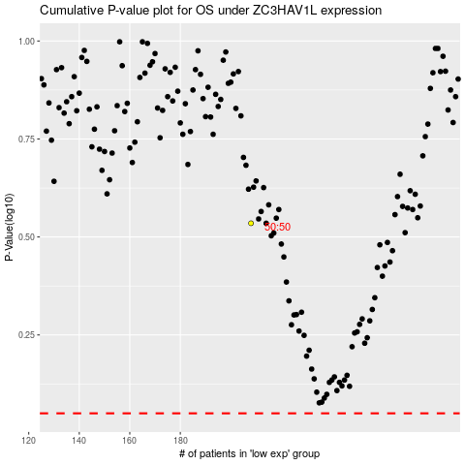

 |  |  |  |  |  | cases_OS | p_OS | rank | exp
 |  |  |  |  |  |  | cases_RFS | p_RFS | rank | exp

