ZCCHC17 _multivariate
Reported by Tex Li-Hsing Chi. tex@gate.sinica.edu.tw 2019-08-14

Table 2. The clinicopathological features of HNSCC cohort and ZCCHC17 expression. (Chi square test)
Cutoff at -0.14 (50.0%)
 |  | ZCCHC17 expression |  | ZCCHC17 expression |  | (Optimised)
 | Features | Low | (%) | High | (%) | Case no | P-value | Remark | Matthews
Gender | Female | 149 | 35.9 | 157 | 37.8 | 415 | 0.4848 | 0 | 0
2 | Male | 58 | 14 | 51 | 12.3
Age at diagnosis | <=65y | 126 | 30.4 | 148 | 35.7 | 415 | 0.035 | 1 | 0
4 | >65y | 81 | 19.5 | 60 | 14.5
Clinical T Status | T1+T2 | 78 | 18.8 | 71 | 17.1 | 415 | 0.5152 | 0 | 0
6 | T3+T4 | 129 | 31.1 | 137 | 33
Clinical N Status | N0 | 108 | 26 | 108 | 26 | 415 | 1 | 0 | 0
8 | N1-3 | 99 | 23.9 | 100 | 24.1
Clinical M Status | M0 | 207 | 49.9 | 205 | 49.4 | 415 | 0.2482 | 0 | 0
10 | M1 | 0 | 0 | 3 | 0.7
Clinical Stage | Stage I+II | 55 | 13.3 | 47 | 11.3 | 415 | 0.4087 | 0 | 0
12 | Stage III+IV | 152 | 36.6 | 161 | 38.8
Surgical Margin status | Negative | 162 | 39 | 156 | 37.6 | 415 | 0.4867 | 0 | 0
14 | Positive | 45 | 10.8 | 52 | 12.5
Tobacco Exposure | Low | 75 | 18.1 | 86 | 20.7 | 415 | 0.3141 | 0 | 0
16 | High | 132 | 31.8 | 122 | 29.4

Table 3. Univariate/Multivariate Cox's proportional hazards regression analyses on OS time of ZCCHC17 gene expression in HNSCC

 |  | Univariate |  |  |  | Multivariate
 | Features | HR | CI95%(L) | CI95%(H) | P-value | HR | CI95%(L) | CI95%(H) | P-value
1 | Female | 1 |  |  |  | 1
Gender | Male | 1.157 | 0.843 | 1.587 | 0.367 | 1.218 | 0.87 | 1.705 | 0.25
11 | <=65y | 1 |  |  |  | 1
Age at diagnosis | >65y | 1.329 | 0.99 | 1.784 | 0.058 | 1.361 | 0.998 | 1.856 | 0.051
12 | T1+T2 | 1 |  |  |  | 1
Clinical T Status | T3+T4 | 1.409 | 1.028 | 1.931 | 0.033 | 2.208 | 1.168 | 4.173 | 0.015
13 | N0 | 1 |  |  |  | 1
Clinical N Status | N1-3 | 1.185 | 0.89 | 1.577 | 0.246 | 1.231 | 0.862 | 1.758 | 0.252
14 | M0 | 1 |  |  |  | 1
Clinical M Status | M1 | 4.097 | 1.009 | 16.644 | 0.049 | 10.22 | 2.209 | 47.293 | 0.003
15 | Stage I+II | 1 |  |  |  | 1
Clinical Stage | Stage III+IV | 1.245 | 0.882 | 1.759 | 0.213 | 0.509 | 0.237 | 1.093 | 0.083
16 | Negative | 1 |  |  |  | 1
Surgical Margin status | Positive | 1.591 | 1.155 | 2.191 | 0.004 | 1.704 | 1.23 | 2.359 | 0.001
17 | Low | 1 |  |  |  | 1
Tobacco Exposure | High | 1.364 | 1.008 | 1.844 | 0.044 | 1.433 | 1.038 | 1.977 | 0.029
18 | Low | 1 |  |  |  | 1
RNAseq(z-score) | High | 0.861 | 0.645 | 1.148 | 0.308 | 0.862 | 0.64 | 1.159 | 0.325

Table 4. Univariate/Multivariate Cox's proportional hazards regression analyses on RFS time of ZCCHC17 gene expression in HNSCC

 |  | Univariate |  |  |  | Multivariate
 | Features | HR | CI95%(L) | CI95%(H) | P-value | HR | CI95%(L) | CI95%(H) | P-value
1 | Female | 1 |  |  |  | 1
Gender | Male | 1.157 | 0.843 | 1.587 | 0.367 | 1.218 | 0.87 | 1.705 | 0.25
11 | <=65y | 1 |  |  |  | 1
Age at diagnosis | >65y | 1.329 | 0.99 | 1.784 | 0.058 | 1.361 | 0.998 | 1.856 | 0.051
12 | T1+T2 | 1 |  |  |  | 1
Clinical T Status | T3+T4 | 1.409 | 1.028 | 1.931 | 0.033 | 2.208 | 1.168 | 4.173 | 0.015
13 | N0 | 1 |  |  |  | 1
Clinical N Status | N1-3 | 1.185 | 0.89 | 1.577 | 0.246 | 1.231 | 0.862 | 1.758 | 0.252
14 | M0 | 1 |  |  |  | 1
Clinical M Status | M1 | 4.097 | 1.009 | 16.644 | 0.049 | 10.22 | 2.209 | 47.293 | 0.003
15 | Stage I+II | 1 |  |  |  | 1
Clinical Stage | Stage III+IV | 1.245 | 0.882 | 1.759 | 0.213 | 0.509 | 0.237 | 1.093 | 0.083
16 | Negative | 1 |  |  |  | 1
Surgical Margin status | Positive | 1.591 | 1.155 | 2.191 | 0.004 | 1.704 | 1.23 | 2.359 | 0.001
17 | Low | 1 |  |  |  | 1
Tobacco Exposure | High | 1.364 | 1.008 | 1.844 | 0.044 | 1.433 | 1.038 | 1.977 | 0.029
18 | Low | 1 |  |  |  | 1
RNAseq(z-score) | High | 0.861 | 0.645 | 1.148 | 0.308 | 0.862 | 0.64 | 1.159 | 0.325

Kaplan-Meier survival estimate: Cutoff at -0.14 (50.0%)



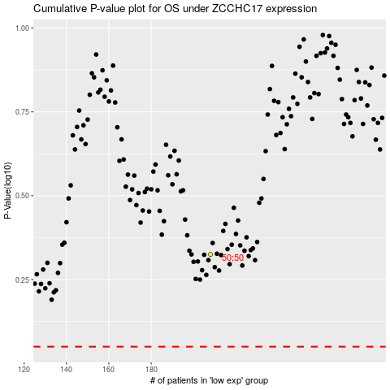

 |  |  |  |  |  | cases_OS | p_OS | rank | exp
 |  |  |  |  |  |  | cases_RFS | p_RFS | rank | exp

