ZCCHC24 _multivariate
Reported by Tex Li-Hsing Chi. tex@gate.sinica.edu.tw 2019-08-14

Table 2. The clinicopathological features of HNSCC cohort and ZCCHC24 expression. (Chi square test)
Cutoff at -0.255 (50.0%)
 |  | ZCCHC24 expression |  | ZCCHC24 expression |  | (Optimised)
 | Features | Low | (%) | High | (%) | Case no | P-value | Remark | Matthews
Gender | Female | 155 | 37.3 | 151 | 36.4 | 415 | 0.6768 | 0 | 0
2 | Male | 52 | 12.5 | 57 | 13.7
Age at diagnosis | <=65y | 136 | 32.8 | 138 | 33.3 | 415 | 0.9719 | 0 | 0
4 | >65y | 71 | 17.1 | 70 | 16.9
Clinical T Status | T1+T2 | 69 | 16.6 | 80 | 19.3 | 415 | 0.3239 | 0 | 0
6 | T3+T4 | 138 | 33.3 | 128 | 30.8
Clinical N Status | N0 | 109 | 26.3 | 107 | 25.8 | 415 | 0.8812 | 0 | 0
8 | N1-3 | 98 | 23.6 | 101 | 24.3
Clinical M Status | M0 | 205 | 49.4 | 207 | 49.9 | 415 | 0.6232 | 0 | 0
10 | M1 | 2 | 0.5 | 1 | 0.2
Clinical Stage | Stage I+II | 43 | 10.4 | 59 | 14.2 | 415 | 0.0925 | 0 | 0
12 | Stage III+IV | 164 | 39.5 | 149 | 35.9
Surgical Margin status | Negative | 158 | 38.1 | 160 | 38.6 | 415 | 0.9081 | 0 | 0
14 | Positive | 49 | 11.8 | 48 | 11.6
Tobacco Exposure | Low | 82 | 19.8 | 79 | 19 | 415 | 0.763 | 0 | 0
16 | High | 125 | 30.1 | 129 | 31.1

Table 3. Univariate/Multivariate Cox's proportional hazards regression analyses on OS time of ZCCHC24 gene expression in HNSCC

 |  | Univariate |  |  |  | Multivariate
 | Features | HR | CI95%(L) | CI95%(H) | P-value | HR | CI95%(L) | CI95%(H) | P-value
1 | Female | 1 |  |  |  | 1
Gender | Male | 1.157 | 0.843 | 1.587 | 0.367 | 1.199 | 0.857 | 1.677 | 0.289
11 | <=65y | 1 |  |  |  | 1
Age at diagnosis | >65y | 1.329 | 0.99 | 1.784 | 0.058 | 1.383 | 1.017 | 1.881 | 0.039
12 | T1+T2 | 1 |  |  |  | 1
Clinical T Status | T3+T4 | 1.409 | 1.028 | 1.931 | 0.033 | 2.239 | 1.182 | 4.24 | 0.013
13 | N0 | 1 |  |  |  | 1
Clinical N Status | N1-3 | 1.185 | 0.89 | 1.577 | 0.246 | 1.253 | 0.877 | 1.789 | 0.215
14 | M0 | 1 |  |  |  | 1
Clinical M Status | M1 | 4.097 | 1.009 | 16.644 | 0.049 | 9.431 | 2.057 | 43.246 | 0.004
15 | Stage I+II | 1 |  |  |  | 1
Clinical Stage | Stage III+IV | 1.245 | 0.882 | 1.759 | 0.213 | 0.484 | 0.224 | 1.047 | 0.065
16 | Negative | 1 |  |  |  | 1
Surgical Margin status | Positive | 1.591 | 1.155 | 2.191 | 0.004 | 1.682 | 1.216 | 2.325 | 0.002
17 | Low | 1 |  |  |  | 1
Tobacco Exposure | High | 1.364 | 1.008 | 1.844 | 0.044 | 1.464 | 1.061 | 2.019 | 0.02
18 | Low | 1 |  |  |  | 1
RNAseq(z-score) | High | 0.905 | 0.679 | 1.207 | 0.498 | 0.895 | 0.667 | 1.199 | 0.457

Table 4. Univariate/Multivariate Cox's proportional hazards regression analyses on RFS time of ZCCHC24 gene expression in HNSCC

 |  | Univariate |  |  |  | Multivariate
 | Features | HR | CI95%(L) | CI95%(H) | P-value | HR | CI95%(L) | CI95%(H) | P-value
1 | Female | 1 |  |  |  | 1
Gender | Male | 1.157 | 0.843 | 1.587 | 0.367 | 1.199 | 0.857 | 1.677 | 0.289
11 | <=65y | 1 |  |  |  | 1
Age at diagnosis | >65y | 1.329 | 0.99 | 1.784 | 0.058 | 1.383 | 1.017 | 1.881 | 0.039
12 | T1+T2 | 1 |  |  |  | 1
Clinical T Status | T3+T4 | 1.409 | 1.028 | 1.931 | 0.033 | 2.239 | 1.182 | 4.24 | 0.013
13 | N0 | 1 |  |  |  | 1
Clinical N Status | N1-3 | 1.185 | 0.89 | 1.577 | 0.246 | 1.253 | 0.877 | 1.789 | 0.215
14 | M0 | 1 |  |  |  | 1
Clinical M Status | M1 | 4.097 | 1.009 | 16.644 | 0.049 | 9.431 | 2.057 | 43.246 | 0.004
15 | Stage I+II | 1 |  |  |  | 1
Clinical Stage | Stage III+IV | 1.245 | 0.882 | 1.759 | 0.213 | 0.484 | 0.224 | 1.047 | 0.065
16 | Negative | 1 |  |  |  | 1
Surgical Margin status | Positive | 1.591 | 1.155 | 2.191 | 0.004 | 1.682 | 1.216 | 2.325 | 0.002
17 | Low | 1 |  |  |  | 1
Tobacco Exposure | High | 1.364 | 1.008 | 1.844 | 0.044 | 1.464 | 1.061 | 2.019 | 0.02
18 | Low | 1 |  |  |  | 1
RNAseq(z-score) | High | 0.905 | 0.679 | 1.207 | 0.498 | 0.895 | 0.667 | 1.199 | 0.457

Kaplan-Meier survival estimate: Cutoff at -0.255 (50.0%)



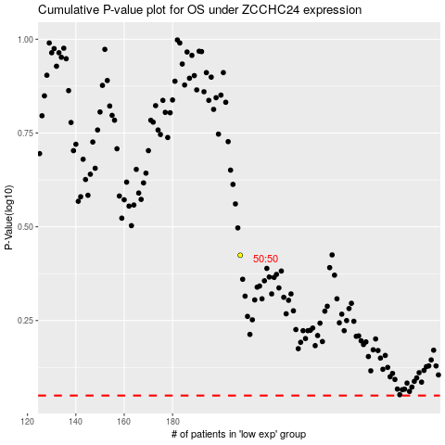

 |  |  |  |  |  | cases_OS | p_OS | rank | exp
 |  |  |  |  |  |  | cases_RFS | p_RFS | rank | exp

